Info
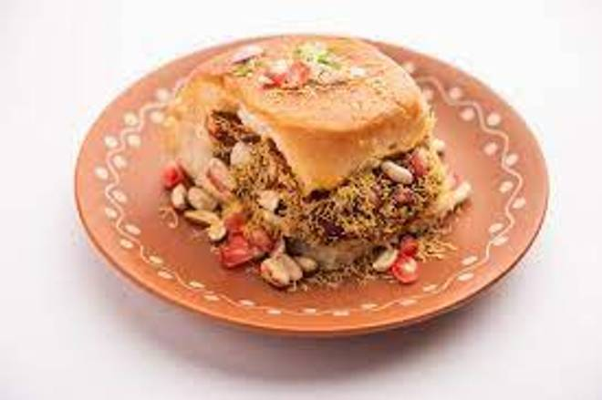
🍊 Restaurant Information

Name | RS Fast Food And Restaurant
Area | Mandvi
Rating | --
Total Ratings | Too Few Ratings
Cuisines | Fast Food
Cost for Two | ₹250 for two
Delivery Time | 36 mins
Swiggy URL | https://www.swiggy.com/city/vadodara/rs-fast-food-and-restaurant-mandvi-rest1050815
Scraped On | 18 Mar 2026, 11:19 am

── Menu Stats ──
Total Items | 10
Veg Items | 0
Non-Veg Items | 0
Bestsellers | 0
Items with Photo | 0
Categories | Main Course, Maggi, Snacks

