Info
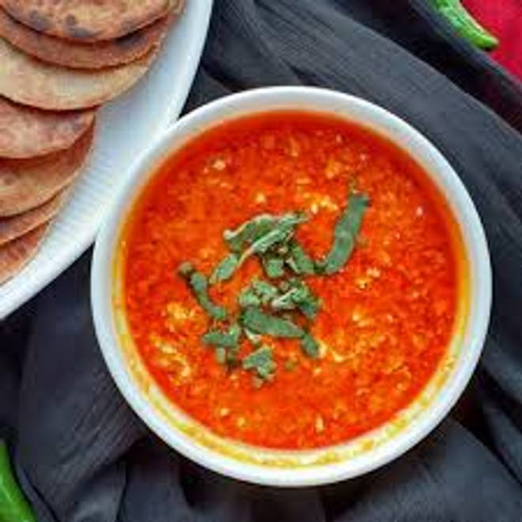
🍊 Restaurant Information

Name | Radhika Restaurant
Area | Akota
Rating | 4.3
Total Ratings | 18 ratings
Cuisines | Gujarati
Cost for Two | ₹200 for two
Delivery Time | 30 mins
Swiggy URL | https://www.swiggy.com/city/vadodara/radhika-restaurant-akota-rest1132448
Scraped On | 18 Mar 2026, 11:25 am

── Menu Stats ──
Total Items | 41
Veg Items | 0
Non-Veg Items | 0
Bestsellers | 0
Items with Photo | 5
Categories | Special Combo, Tiffin, Thali, Main Course, Bread, Accompaniment, Curry

