Info
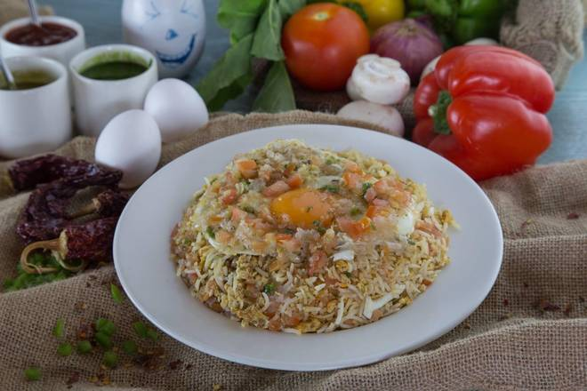
🍊 Restaurant Information

Name | Raju Omlet Centre (Roc Express Delivery)
Area | Karelibagh
Rating | 4.3
Total Ratings | 7.0K+ ratings
Cuisines | Mughlai, North Indian
Cost for Two | ₹200 for two
Delivery Time | 35 mins
Swiggy URL | https://www.swiggy.com/city/vadodara/raju-omlet-centre-roc-express-delivery-karelibagh-rest73898
Scraped On | 18 Mar 2026, 11:20 am

── Menu Stats ──
Total Items | 46
Veg Items | 0
Non-Veg Items | 0
Bestsellers | 0
Items with Photo | 34
Categories | Recommended, All Time Favourite Egg In Butter , Eggs In Groundnut Oil , Eggs In Oilve Oil , Breads , Healthy , Kids Special

