Info
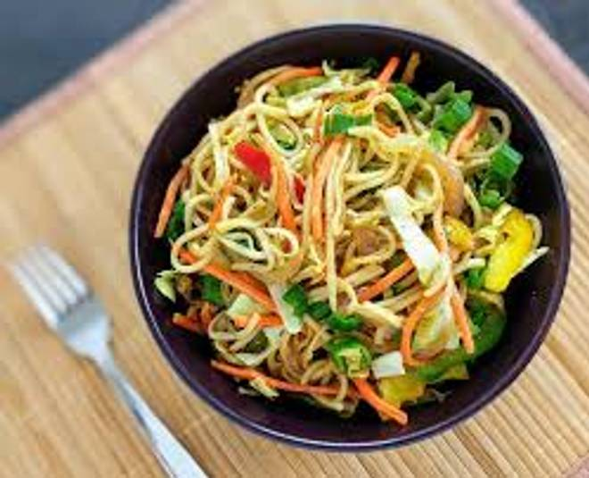
🍊 Restaurant Information

Name | Rajwadi Restaurant
Area | Manjalpur
Rating | 4.4
Total Ratings | 101 ratings
Cuisines | Rajasthani
Cost for Two | ₹500 for two
Delivery Time | 26 mins
Swiggy URL | https://www.swiggy.com/city/vadodara/rajwadi-restaurant-manjalpur-rest1010936
Scraped On | 18 Mar 2026, 11:24 am

── Menu Stats ──
Total Items | 6
Veg Items | 0
Non-Veg Items | 0
Bestsellers | 0
Items with Photo | 3
Categories | Recommended, Dal, Papad Salad Chaas

