Info
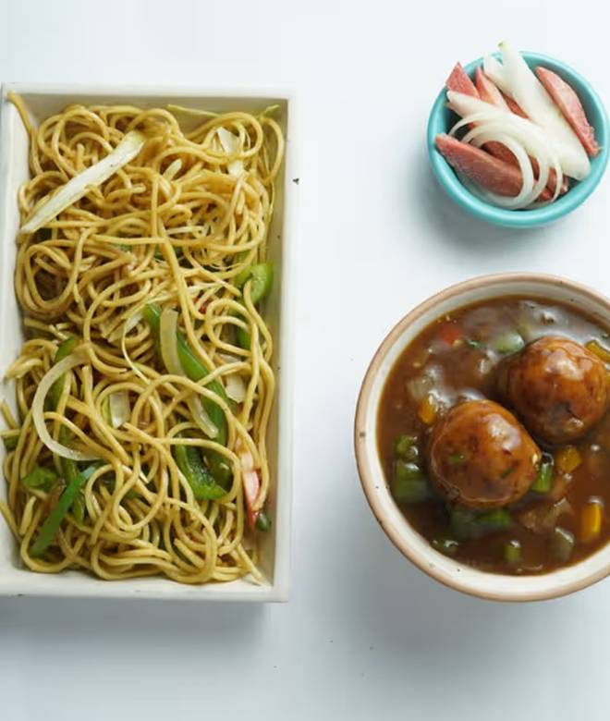
🍊 Restaurant Information

Name | Red Lantern Indo Chinese
Area | Fatehgunj
Rating | 3.3
Total Ratings | 271 ratings
Cuisines | Chinese
Cost for Two | ₹200 for two
Delivery Time | 47 mins
Swiggy URL | https://www.swiggy.com/city/vadodara/red-lantern-indo-chinese-fatehgunj-rest1122374
Scraped On | 18 Mar 2026, 11:24 am

── Menu Stats ──
Total Items | 21
Veg Items | 0
Non-Veg Items | 0
Bestsellers | 0
Items with Photo | 20
Categories | Recommended, Noodles, Fried Rice, Soups, Starters, 99 Store

