Info
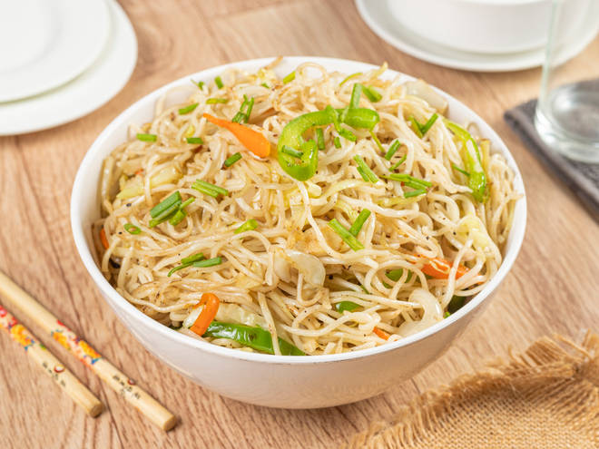
🍊 Restaurant Information

Name | Sai Krupa Kitchen
Area | Karelibaug
Rating | 4.3
Total Ratings | 5.2K+ ratings
Cuisines | North Indian, Chinese
Cost for Two | ₹250 for two
Delivery Time | 30 mins
Swiggy URL | https://www.swiggy.com/city/vadodara/sai-krupa-kitchen-harni-warasiya-ring-road-karelibaug-rest602684
Scraped On | 18 Mar 2026, 11:25 am

── Menu Stats ──
Total Items | 153
Veg Items | 0
Non-Veg Items | 0
Bestsellers | 0
Items with Photo | 32
Categories | Recommended, Punjabi paneer dishes, Combos, Chinese dishes, Kaju Dishes, Main course, Breads, Rice & biryani, Noodles, Biryani, Fried rice, Starters, Dal items, Kofta, Soups, Beverage, Accompaniments

