Info
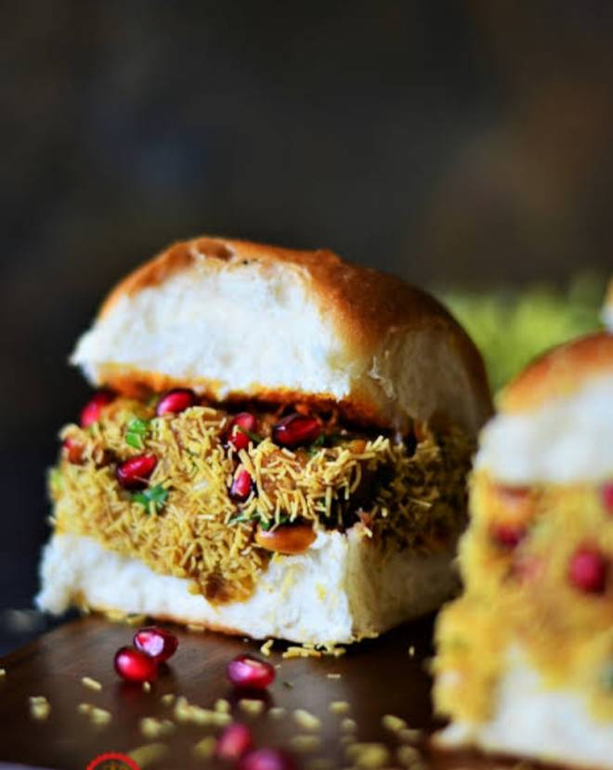
🍊 Restaurant Information

Name | Saideep Dabeli Corner (Sangamwala)
Area | Sangam Char Rasta
Rating | 4.5
Total Ratings | 679 ratings
Cuisines | Street Food, Chaat
Cost for Two | ₹100 for two
Delivery Time | 24 mins
Swiggy URL | https://www.swiggy.com/city/vadodara/saideep-dabeli-corner-sangamwala-water-tank-road-sangam-char-rasta-rest580753
Scraped On | 18 Mar 2026, 11:26 am

── Menu Stats ──
Total Items | 198
Veg Items | 0
Non-Veg Items | 0
Bestsellers | 0
Items with Photo | 64
Categories | Recommended, Dabeli, Vadapav, Chatni And Masala, Pani Puri, Pizza, Sandwich, Burger, Fast Food, Chinese

