Info
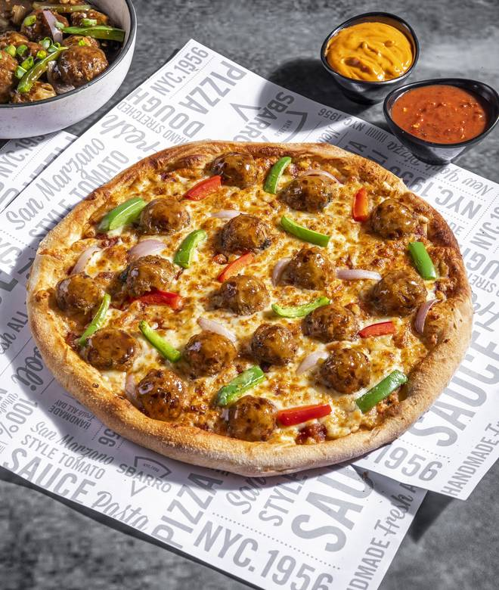
🍊 Restaurant Information

Name | Sbarro - New York Pizza
Area | Inorbit mall
Rating | 4.2
Total Ratings | 190 ratings
Cuisines | Pizzas, Pastas
Cost for Two | ₹600 for two
Delivery Time | 313 mins
Swiggy URL | https://www.swiggy.com/city/vadodara/sbarro-new-york-pizza-gorwa-rd-inorbit-mall-rest884664
Scraped On | 18 Mar 2026, 11:25 am

── Menu Stats ──
Total Items | 72
Veg Items | 0
Non-Veg Items | 0
Bestsellers | 0
Items with Photo | 71
Categories | Recommended, New York Style Pizza, Signature Stuffed Pizza, Sicilian Pizza, Stromboli - Signature Pizza Roll, Baked Macroni Pasta, Garlic Bread, Creamy New York Style Pizza, Sides, Calzone, Dip, Bottled Beverages, DOTD, Match Day Combos

