Info
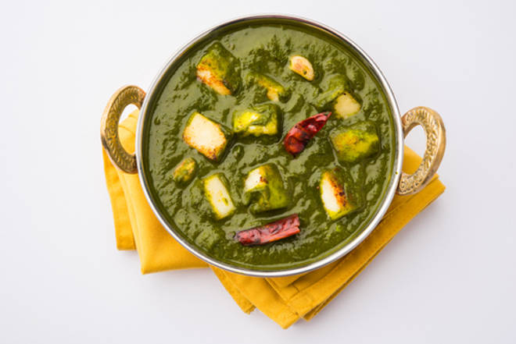
🍊 Restaurant Information

Name | Shree Kismat Kathiyawadi
Area | Fatehgunj
Rating | 4.1
Total Ratings | 10K+ ratings
Cuisines | Gujarati, Thalis
Cost for Two | ₹200 for two
Delivery Time | 40 mins
Swiggy URL | https://www.swiggy.com/city/vadodara/shree-kismat-kathiyawadi-karelibagh-fatehgunj-rest92549
Scraped On | 18 Mar 2026, 11:26 am

── Menu Stats ──
Total Items | 124
Veg Items | 0
Non-Veg Items | 0
Bestsellers | 0
Items with Photo | 18
Categories | Recommended, Thali [Lunch], Salad, Main Course, Rotla/rotli, Rice Special, Extra Item, Crunches, Sweets, Beverages, Dal Bati, Kathiyawadi Bharela Shak, Starters

