Info
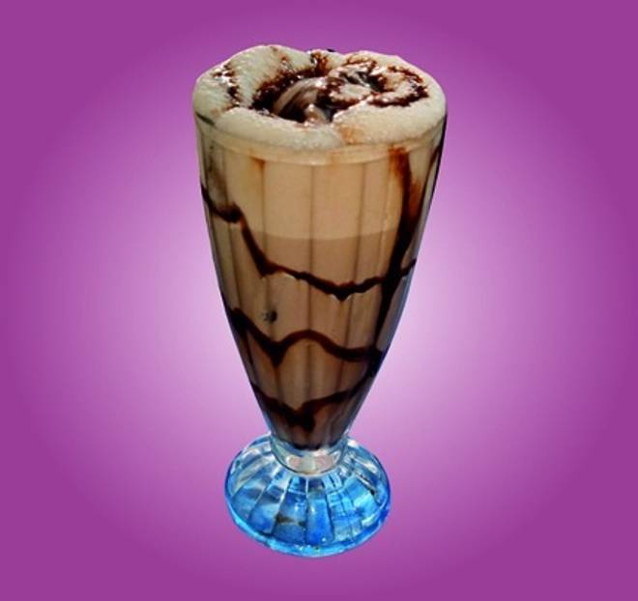
🍊 Restaurant Information

Name | Shree Mahalaxmi Ice Cream
Area | Fatehgunj
Rating | 3.5
Total Ratings | 3 ratings
Cuisines | Ice Cream
Cost for Two | ₹200 for two
Delivery Time | 34 mins
Swiggy URL | https://www.swiggy.com/city/vadodara/shree-mahalaxmi-ice-cream-fatehgunj-rest1175549
Scraped On | 18 Mar 2026, 11:19 am

── Menu Stats ──
Total Items | 27
Veg Items | 0
Non-Veg Items | 0
Bestsellers | 0
Items with Photo | 8
Categories | Drinks, Lassi, Desserts, Combo

