Info
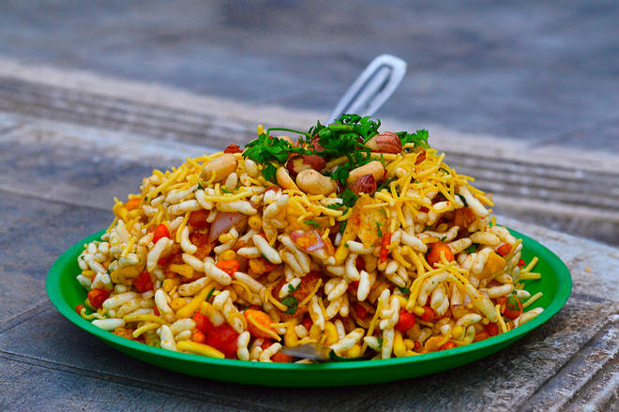
🍊 Restaurant Information

Name | Shree Radheshyam farsan
Area | Mandvi
Rating | --
Total Ratings | Too Few Ratings
Cuisines | Snacks
Cost for Two | ₹250 for two
Delivery Time | 28 mins
Swiggy URL | https://www.swiggy.com/city/vadodara/shree-radheshyam-farsan-kothi-road-mandvi-rest173923
Scraped On | 18 Mar 2026, 11:18 am

── Menu Stats ──
Total Items | 87
Veg Items | 0
Non-Veg Items | 0
Bestsellers | 0
Items with Photo | 16
Categories | Recommended, Sev, Gathiya, Papdi, Snacks, Chewdo, Puri, Bhakharwadi, Bundi, Radhe shyam special

