Info
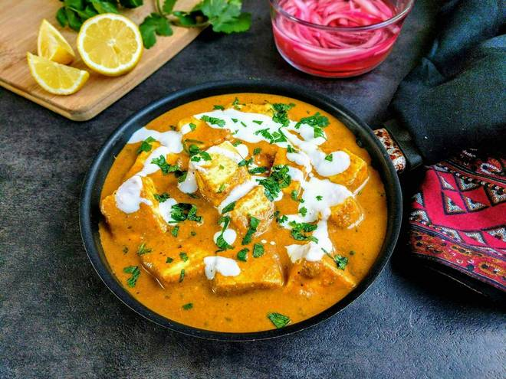
🍊 Restaurant Information

Name | Shree Ram Parcel Services
Area | Mandvi
Rating | --
Total Ratings | Too Few Ratings
Cuisines | Beverages, Fast Food
Cost for Two | ₹250 for two
Delivery Time | 40 mins
Swiggy URL | https://www.swiggy.com/city/vadodara/shree-ram-parcel-services-mandvi-rest945074
Scraped On | 18 Mar 2026, 11:19 am

── Menu Stats ──
Total Items | 40
Veg Items | 0
Non-Veg Items | 0
Bestsellers | 0
Items with Photo | 17
Categories | Rice Biryani, Main Course, Indian Breads, Papad, Thali

