Info
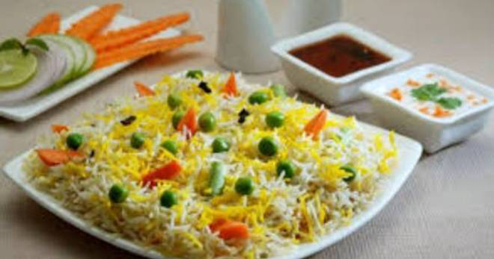
🍊 Restaurant Information

Name | Silk And Spice Restaurant
Area | Fatehgunj
Rating | --
Total Ratings | Too Few Ratings
Cuisines | Continental, Mughlai
Cost for Two | ₹650 for two
Delivery Time | 28 mins
Swiggy URL | https://www.swiggy.com/city/vadodara/silk-and-spice-restaurant-fatehgunj-rest1137628
Scraped On | 18 Mar 2026, 11:19 am

── Menu Stats ──
Total Items | 39
Veg Items | 0
Non-Veg Items | 0
Bestsellers | 0
Items with Photo | 5
Categories | Tea, Coffee, Light nasta, Sandwichs, Milk, Heavy nasta

