Info
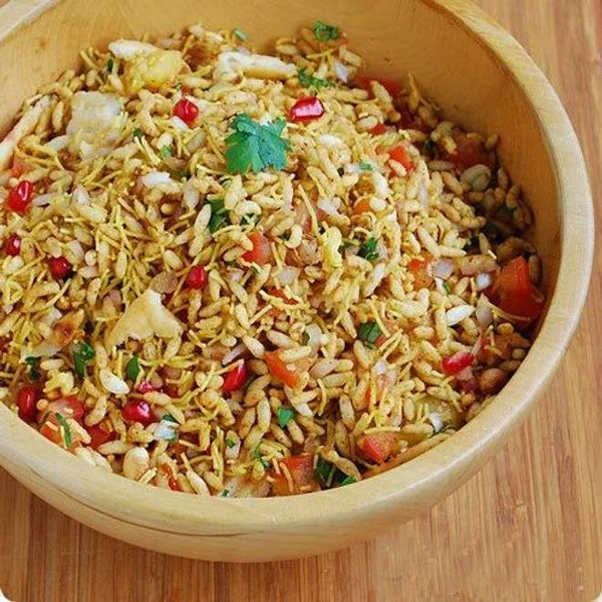
🍊 Restaurant Information

Name | Snaxico Namkeens
Area | Mandvi
Rating | --
Total Ratings | Too Few Ratings
Cuisines | Snacks
Cost for Two | ₹300 for two
Delivery Time | 44 mins
Swiggy URL | https://www.swiggy.com/city/vadodara/snaxico-namkeens-mandvi-rest1163738
Scraped On | 18 Mar 2026, 11:20 am

── Menu Stats ──
Total Items | 93
Veg Items | 0
Non-Veg Items | 0
Bestsellers | 0
Items with Photo | 24
Categories | Snack

