Info
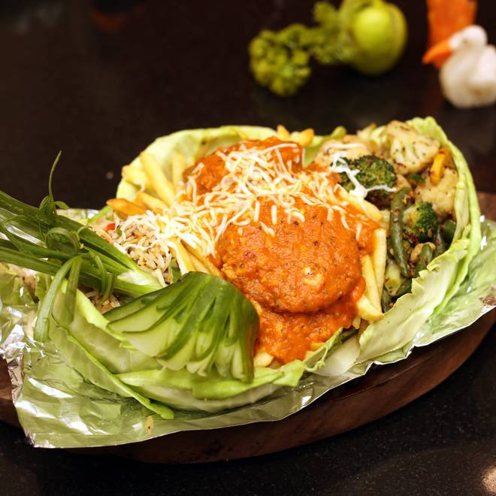
🍊 Restaurant Information

Name | Stellar Kitchen
Area | Fatehgunj
Rating | 4.8
Total Ratings | 225 ratings
Cuisines | Punjabi, Chinese
Cost for Two | ₹350 for two
Delivery Time | 38 mins
Swiggy URL | https://www.swiggy.com/city/vadodara/stellar-kitchen-karelibagh-fatehgunj-rest113454
Scraped On | 18 Mar 2026, 11:27 am

── Menu Stats ──
Total Items | 206
Veg Items | 0
Non-Veg Items | 0
Bestsellers | 0
Items with Photo | 87
Categories | Pasta, Biryani, Rice, Jain Special Menu, Pizza, Chinese Main Course, Salad, Starter, Indian Main Course, Soup, Shakes, Rotis, Accompaniments, Tava Roti

