Info
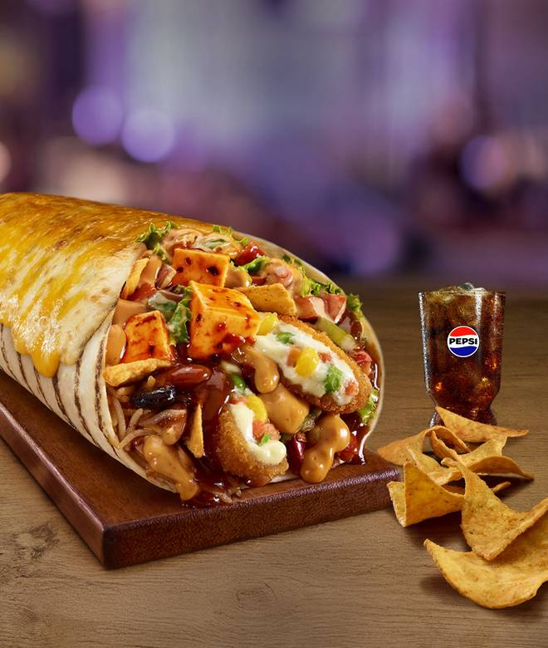
🍊 Restaurant Information

Name | Taco Bell
Area | Vadiwadi
Rating | 4.4
Total Ratings | 3.9K+ ratings
Cuisines | Mexican, Fast Food
Cost for Two | ₹300 for two
Delivery Time | 23 mins
Swiggy URL | https://www.swiggy.com/city/vadodara/taco-bell-alkapuri-vadiwadi-rest580667
Scraped On | 18 Mar 2026, 11:23 am

── Menu Stats ──
Total Items | 177
Veg Items | 0
Non-Veg Items | 0
Bestsellers | 0
Items with Photo | 173
Categories | Recommended, Meal for 1, Burritos Rolls & Wraps, Taco & Chalupa, Cravings Value Menu, Everyday Value Menu (Starts @ 69 each), Big Bell Box Combos - Save Upto 42%, MEAL MANIA (Starts @ 114 per person), Sides & Dips, Mexican Rice Bowls (aka Mexican Biryani), Drinks (Beverages), Super Saver Combos, NEWLY LAUNCHED, Quesadillas, Desserts, Fries

