Info
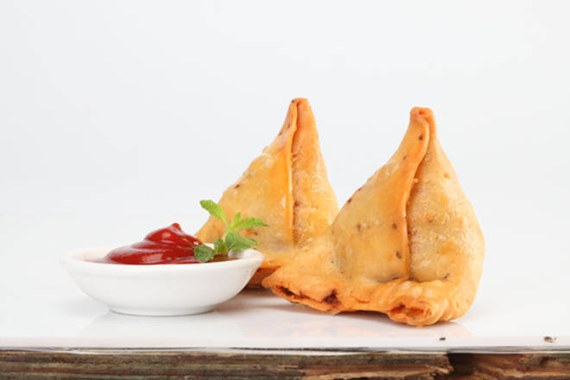
🍊 Restaurant Information

Name | Tarban N Tadka
Area | Akota
Rating | NEW
Total Ratings
Cuisines | Street Food, Pizzas
Cost for Two | ₹300 for two
Delivery Time | 26 mins
Swiggy URL | https://www.swiggy.com/city/vadodara/tarban-n-tadka-akota-rest1293430
Scraped On | 18 Mar 2026, 11:19 am

── Menu Stats ──
Total Items | 65
Veg Items | 0
Non-Veg Items | 0
Bestsellers | 0
Items with Photo | 0
Categories | Snacks, Sandwich, Burger, Maggi, Breads, Meal Box, Ramen, Rolls, Cold Beverages, Hot Beverages, Pasta, South Indian

