Info
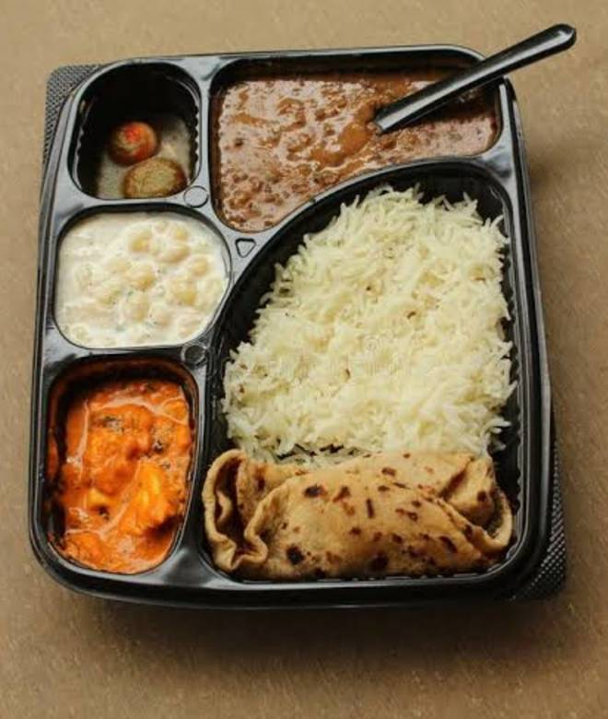
🍊 Restaurant Information

Name | Thali Wala
Area | Sayajigunj
Rating | 3.7
Total Ratings | 5.3K+ ratings
Cuisines | Thalis, Biryani
Cost for Two | ₹150 for two
Delivery Time | 20 mins
Swiggy URL | https://www.swiggy.com/city/vadodara/thali-wala-st-depo-road-sayajigunj-rest633304
Scraped On | 18 Mar 2026, 11:20 am

── Menu Stats ──
Total Items | 51
Veg Items | 0
Non-Veg Items | 0
Bestsellers | 0
Items with Photo | 22
Categories | Recommended, Rice & biryani, 99 Store, Thalis, Combos, Main Course, Breads

