Info
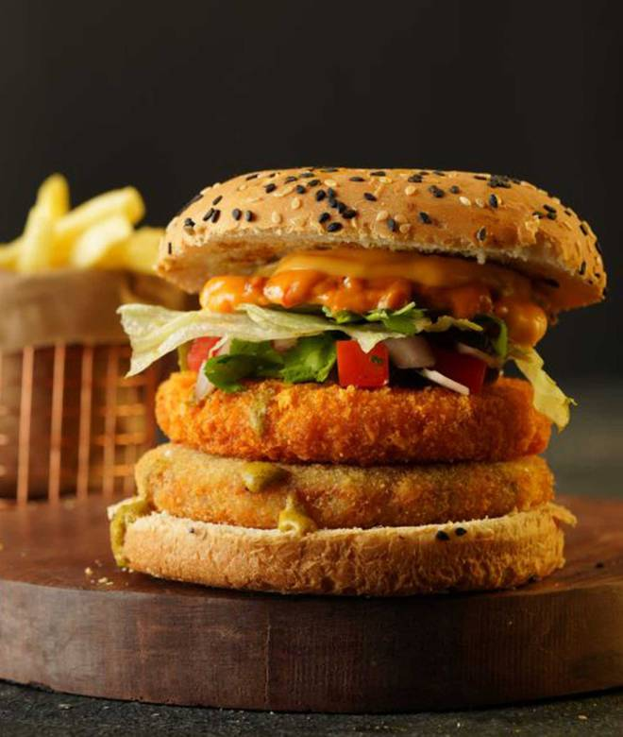
🍊 Restaurant Information

Name | The Crumbles
Area | Sayajigunj
Rating | 4.1
Total Ratings | 1.0K+ ratings
Cuisines | Italian, Fast Food
Cost for Two | ₹200 for two
Delivery Time | 24 mins
Swiggy URL | https://www.swiggy.com/city/vadodara/the-crumbles-darshanm-trade-center-sayajigunj-rest582156
Scraped On | 18 Mar 2026, 11:25 am

── Menu Stats ──
Total Items | 46
Veg Items | 0
Non-Veg Items | 0
Bestsellers | 0
Items with Photo | 30
Categories | Recommended, Classic Burgers, Signature Burgers, Fresh Dough Pan Pizza & Pasta, Rice Bowls, Sides & Fries, Garlic Bread, Beverages, Desserts, Loaded Soggy Fries, Korean Style Burgers

