Info
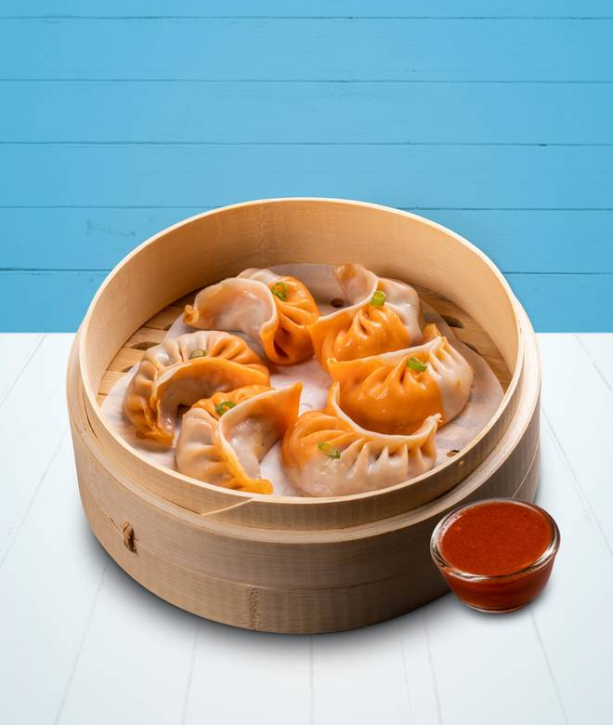
🍊 Restaurant Information

Name | The Momo Co.
Area | Sayajiganj
Rating | 4.2
Total Ratings | 132 ratings
Cuisines | Chinese, Asian
Cost for Two | ₹250 for two
Delivery Time | 22 mins
Swiggy URL | https://www.swiggy.com/city/vadodara/the-momo-co-sayajiganj-rest600327
Scraped On | 18 Mar 2026, 11:22 am

── Menu Stats ──
Total Items | 68
Veg Items | 0
Non-Veg Items | 0
Bestsellers | 0
Items with Photo | 62
Categories | Recommended, Fries, Starters & Soup, Steamed & Fried Momos, Chinese Bowls, Rice & Noodles, Dessert, Drinks, Extra Dips & Crispy Noodles

