Info
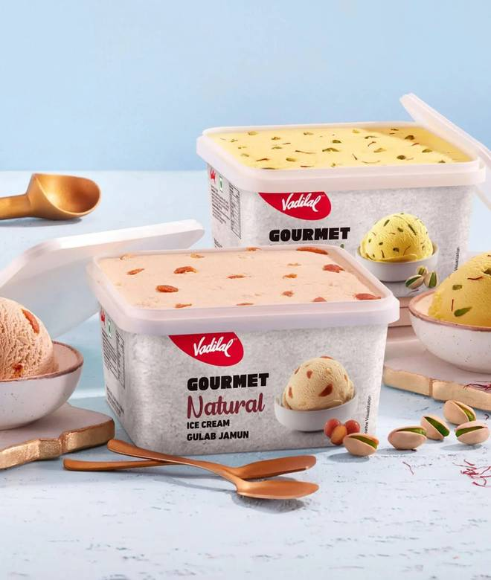
🍊 Restaurant Information

Name | Vadilal Ice Creams
Area | Karelibaug
Rating | 4.7
Total Ratings | 1.0K+ ratings
Cuisines | Ice Cream, Desserts
Cost for Two | ₹300 for two
Delivery Time | 1460 mins
Swiggy URL | https://www.swiggy.com/city/vadodara/vadilal-ice-creams-dabhoi-road-karelibaug-rest350669
Scraped On | 18 Mar 2026, 11:20 am

── Menu Stats ──
Total Items | 45
Veg Items | 0
Non-Veg Items | 0
Bestsellers | 0
Items with Photo | 45
Categories | Late Night Bestsellers, Ice Cream Party Packs, Ice Cream Cakes, No Sugar Ice Cream Cups, Flingo Cone, Gourmet Ice Cream Tubs, Novelties, Gourmet Ice Cream Cups, Kulfies, Badabite, Chocolate Candies

