Info
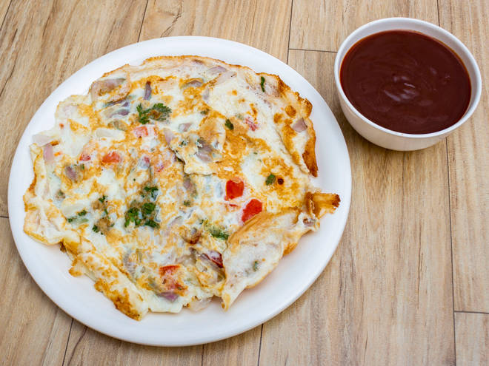
🍊 Restaurant Information

Name | Yummy's Pavbhaji And Vadapav
Area | Manjalpur
Rating | --
Total Ratings | Too Few Ratings
Cuisines | Indian
Cost for Two | ₹200 for two
Delivery Time | 35 mins
Swiggy URL | https://www.swiggy.com/city/vadodara/yummys-pavbhaji-and-vadapav-manjalpur-rest947011
Scraped On | 18 Mar 2026, 11:19 am

── Menu Stats ──
Total Items | 18
Veg Items | 0
Non-Veg Items | 0
Bestsellers | 0
Items with Photo | 13
Categories | Vadapav, Dabeli

