Results
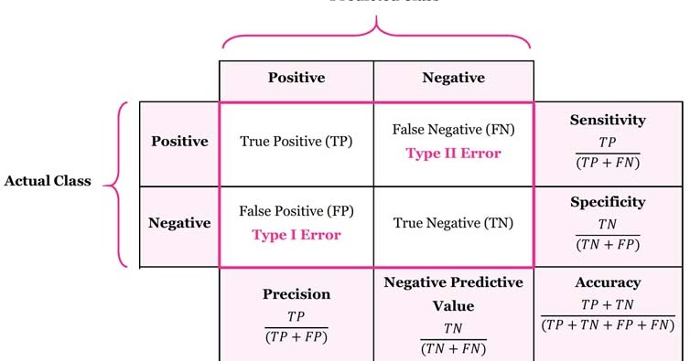
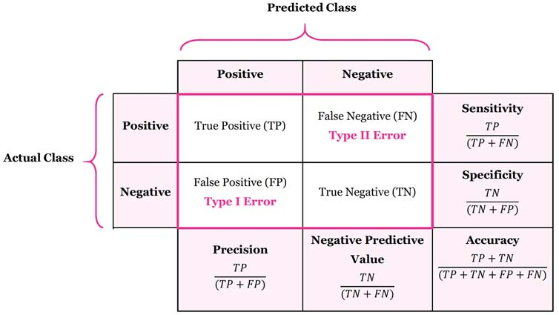
Case # | Radiologist | AI | result
Case 1
Case 2
Case 3
Case 4
Case 5
Case 6
Case 7
Case 8
Case 9
Case 10

 |  |  |  | AI
 |  |  | Radiologist | 0 | 0
AI |  |  |  | 0 | 0

 |  |  | Sensitivity | #DIV/0!
 |  |  | Specificity | #DIV/0!
 |  |  | PPV | #DIV/0!
 |  |  | NPV | #DIV/0!
 |  |  | Accuracy | #DIV/0!

