Table S2. Sequences annotation
Table S2. Stats of sequences annotation using both methods; FANTASIA pipeline and eggNOG-mapper
 |  |  | Annotation FANTASIA |  |  | Annotation eggNOG-mapper
Order in the species tree (eliminar esta col al final) | SPECIE (ACRONYM) | Number of sequences | Final input sequences | annotated | % annotated gopredsim | annotated | % annotated eggnogmapper | GO | % GO | COGcat | % COGcat | Description | % Description | Gene name | % Gene name | GO | % GO | PFAM | % PFAM
1 | CGIG2 | 31371 | 30912 | 30912 | 98.54 | 24060 | 76.70 | 24060 | 76.70 | 22378 | 71.33 | 22378 | 71.33 | 13548 | 43.19 | 14552 | 46.39 | 21490 | 68.50
2 | LLON1 | 19782 | 19638 | 19638 | 99.27 | 15358 | 77.64 | 15358 | 77.64 | 14564 | 73.62 | 14564 | 73.62 | 10624 | 53.71 | 11186 | 56.55 | 14245 | 72.01
3 | OFUS1 | 27037 | 26595 | 26595 | 98.37 | 19633 | 72.62 | 19633 | 72.62 | 18686 | 69.11 | 18686 | 69.11 | 12606 | 46.62 | 13602 | 50.31 | 18331 | 67.80
4 | MLAT1 | 27769 | 27723 | 27723 | 99.83 | 15848 | 57.07 | 15848 | 57.07 | 15380 | 55.39 | 15380 | 55.39 | 11825 | 42.58 | 12537 | 45.15 | 15018 | 54.08
5 | SSTH1 | 22393 | 22281 | 22281 | 99.50 | 14898 | 66.53 | 14898 | 66.53 | 14610 | 65.57 | 14610 | 65.24 | 11502 | 51.36 | 12239 | 54.66 | 14304 | 63.88
6 | MLIG1 | 49013 | 40953 | 40953 | 83.56 | 36369 | 74.20 | 36369 | 74.20 | 35547 | 72.53 | 35547 | 72.53 | 27876 | 56.87 | 29292 | 59.76 | 34742 | 70.88
7 | PSIP1 | 26585 | 26510 | 26510 | 99.72 | 16745 | 62.99 | 16745 | 62.99 | 16206 | 60.96 | 16206 | 60.96 | 11785 | 44.33 | 12451 | 46.83 | 15908 | 59.84
8 | GAPP1 | 32476 | 31927 | 31927 | 98.31 | 20874 | 64.28 | 20874 | 64.28 | 19887 | 61.24 | 19887 | 61.24 | 14796 | 45.56 | 15591 | 48.01 | 19502 | 60.05
9 | MELI1 | 27724 | 27519 | 27519 | 99.26 | 18044 | 65.08 | 18044 | 65.08 | 16739 | 60.38 | 16739 | 60.38 | 11108 | 40.07 | 11907 | 42.95 | 16720 | 60.31
10 | NCOE1 | 24658 | 24547 | 24547 | 99.55 | 18075 | 73.30 | 18075 | 73.30 | 17506 | 71.00 | 17506 | 71.00 | 13363 | 54.19 | 13984 | 56.71 | 17122 | 69.44
11 | BCAN3 | 22112 | 22039 | 22039 | 99.67 | 14058 | 63.58 | 14058 | 63.58 | 13288 | 60.09 | 13288 | 60.09 | 9087 | 41.10 | 9561 | 43.24 | 13231 | 59.84
12 | BSEM1 | 24539 | 24452 | 24452 | 99.65 | 15116 | 61.60 | 15116 | 61.60 | 14606 | 59.52 | 14606 | 59.52 | 11053 | 45.04 | 11667 | 47.54 | 14325 | 58.38
13 | PFEL1 | 32152 | 32061 | 32061 | 99.72 | 19715 | 61.32 | 19715 | 61.32 | 19340 | 60.15 | 19340 | 60.15 | 14804 | 46.04 | 15903 | 49.46 | 19065 | 59.30
14 | PTEN1 | 24813 | 24780 | 24780 | 99.87 | 16466 | 66.36 | 16466 | 66.36 | 15996 | 64.47 | 15996 | 64.47 | 11867 | 47.83 | 12687 | 51.13 | 15754 | 63.49
15 | PVEL1 | 22894 | 22864 | 22864 | 99.87 | 16041 | 70.07 | 16041 | 70.07 | 15607 | 68.17 | 15607 | 68.17 | 11760 | 51.37 | 12525 | 54.71 | 15378 | 67.17
16 | PMOR1 | 34643 | 34337 | 34337 | 99.12 | 21971 | 63.42 | 21971 | 63.42 | 21370 | 61.69 | 21369 | 61.68 | 15836 | 45.71 | 16880 | 48.73 | 21179 | 61.14
17 | DUJA1 | 22608 | 22376 | 22376 | 98.97 | 14471 | 64.01 | 14471 | 64.01 | 14001 | 61.93 | 14001 | 61.93 | 10218 | 45.20 | 10896 | 48.20 | 13821 | 61.13
18 | DRYU1 | 19522 | 19388 | 19388 | 99.31 | 13464 | 68.97 | 13464 | 68.97 | 13120 | 67.21 | 13120 | 67.21 | 9942 | 50.93 | 10522 | 53.90 | 12927 | 66.22
19 | SPOL1 | 16749 | 16736 | 16736 | 99.92 | 11858 | 70.80 | 11858 | 70.80 | 11641 | 69.56 | 11640 | 69.50 | 9280 | 55.41 | 9709 | 57.97 | 11418 | 68.17
20 | SMED3 | 33379 | 31289 | 31289 | 93.74 | 20565 | 61.61 | 20565 | 61.61 | 19897 | 63.59 | 19897 | 59.61 | 15417 | 46.19 | 16123 | 48.30 | 19601 | 58.72
21 | GDOR1 | 25762 | 25679 | 25679 | 99.68 | 16431 | 63.78 | 16431 | 63.78 | 15675 | 60.85 | 15675 | 60.85 | 11151 | 43.28 | 11835 | 45.94 | 15586 | 60.50
22 | GIRA1 | 27351 | 27291 | 27291 | 99.78 | 15709 | 57.43 | 15709 | 57.43 | 14866 | 54.35 | 14866 | 54.35 | 10210 | 37.33 | 10716 | 39.18 | 14803 | 54.12
23 | BKEW1 | 22316 | 22274 | 22274 | 99.81 | 15465 | 69.30 | 15465 | 69.30 | 14731 | 66.01 | 14730 | 66.01 | 10707 | 47.98 | 11351 | 50.86 | 14703 | 65.89
24 | MISC1 | 19103 | 19092 | 19092 | 99.94 | 13173 | 68.96 | 13173 | 68.96 | 12889 | 67.47 | 12889 | 67.47 | 10240 | 53.60 | 11034 | 57.76 | 12672 | 66.34
25 | MIGR1 | 17804 | 17791 | 17791 | 99.93 | 12679 | 71.21 | 12679 | 71.21 | 12431 | 69.82 | 12431 | 69.82 | 10046 | 56.43 | 10519 | 59.08 | 12215 | 68.61
26 | MIPL1 | 16094 | 16072 | 16072 | 99.86 | 11298 | 70.20 | 11298 | 70.20 | 11026 | 68.51 | 11026 | 68.51 | 8605 | 53.47 | 9063 | 56.31 | 10864 | 67.50
27 | MNAN1 | 17542 | 17522 | 17522 | 99.89 | 12106 | 69.01 | 12106 | 69.01 | 11752 | 66.99 | 11752 | 66.99 | 8980 | 51.19 | 9424 | 53.72 | 11610 | 66.18
28 | MTER1 | 17156 | 17136 | 17136 | 99.88 | 11784 | 68.69 | 11784 | 68.69 | 11440 | 66.68 | 11440 | 66.68 | 8858 | 51.63 | 9348 | 54.49 | 11281 | 65.76
29 | CBIC1 | 19198 | 19156 | 19156 | 99.78 | 13307 | 69.31 | 13307 | 69.31 | 12780 | 66.57 | 12780 | 66.57 | 9422 | 49.08 | 10078 | 52.50 | 12718 | 66.25
30 | KVEN1 | 19848 | 19822 | 19822 | 99.87 | 13259 | 66.80 | 13259 | 66.80 | 12977 | 65.38 | 12977 | 65.38 | 10049 | 50.63 | 10670 | 53.76 | 12797 | 64.48
31 | RSYL1 | 18234 | 18212 | 18212 | 99.88 | 12538 | 68.76 | 12538 | 68.76 | 12191 | 66.86 | 12191 | 66.86 | 9347 | 51.26 | 9833 | 53.93 | 12058 | 66.13
32 | IREZ1 | 17859 | 17843 | 17843 | 99.91 | 11982 | 67.09 | 11982 | 67.09 | 11786 | 65.99 | 11786 | 65.99 | 9121 | 51.07 | 9592 | 53.71 | 11532 | 64.57
33 | LERN1 | 18616 | 18598 | 18598 | 99.90 | 12303 | 66.09 | 12303 | 66.09 | 12075 | 64.86 | 12075 | 64.86 | 9347 | 50.21 | 9812 | 52.71 | 11865 | 63.74
34 | GQUA1 | 22254 | 22167 | 22167 | 99.61 | 15041 | 67.59 | 15041 | 67.59 | 14817 | 66.58 | 14817 | 66.58 | 11715 | 52.64 | 12351 | 55.50 | 14521 | 65.25
35 | OCAR1 | 18542 | 18517 | 18517 | 99.87 | 12622 | 68.07 | 12622 | 68.07 | 12414 | 66.95 | 12414 | 66.95 | 9563 | 51.57 | 10114 | 54.55 | 12146 | 65.51
36 | OBRA1 | 17091 | 17077 | 17077 | 99.92 | 11933 | 69.82 | 11933 | 69.82 | 11709 | 68.51 | 11709 | 68.51 | 8948 | 52.36 | 9411 | 55.06 | 11463 | 67.07
37 | ONUN2 | 54193 | 53331 | 53331 | 98.41 | 32838 | 60.59 | 32838 | 60.59 | 32077 | 59.19 | 32077 | 59.19 | 23828 | 43.97 | 25166 | 46.44 | 31532 | 58.18

 | AVERAGE |  |  |  | 98.96 |  | 67.16 |  | 67.16 |  | 65.11 |  | 64.99 |  | 48.68 |  | 51.51 |  | 63.96

% annotated gopredsim | 98.96
% annotated eggnogmapper | 67.16
% OG | 67.16
%COGcat | 65.11
% Description | 64.99
% Gene name | 48.68
% GO | 51.51
% PFAM | 63.96

Table S4. Gene Repertoire Evolu
Table S4. Gene repertoire evolution (GRE) across Platyhlminthes phylogeny. See figure for node annotation
node | GAINED | LOST | RETAINED | DUPLICATED | EXPANDED | DUPLICATED balanced | EXPANDED balanced
22 | 2535 | 0 | 13011 | 9107 | 714 |  |  | Family Planariidae (freshwater)
33 | 1323 | 0 | 14782 | 2184 | 305 |  |  | Family Dugesiidae (freshwater)
62 | 1004 | 953 | 14112 | 1459 | 194 | 829 | 147 | Family Geoplaniidae (terrestrial)
63 | 2243 | 533 | 12980 | 1481 | 194 |  |  | Geoplanoidea
64 | 2632 | 210 | 10559 | 1575 | 199 |  |  | Continenticola
65 | 2917 | 244 | 7092 | 1345 | 184 |  |  | Tricladida
66 | 443 | 442 | 6537 | 894 | 129
67 | 761 | 397 | 6709 | 1049 | 132
68 | 778 | 503 | 6527 | 938 | 130
69 | 1042 | 434 | 6012 | 733 | 101
70 | 1044 | 210 | 5090 | 568 | 68
71 | 739 | 268 | 3824 | 234 | 20
72 | 604 | 572 | 4483 | 72 | 9
73 | 5055
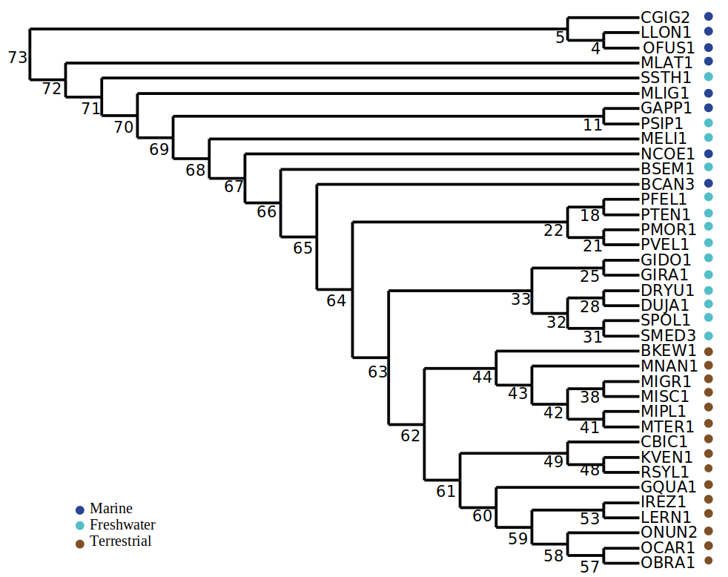
61 | 1375
60 | 1666
59 | 920
58 | 1067
57 | 345
53 | 439
49 | 459
48 | 375
44 | 646
43 | 946
42 | 477
41 | 274
38 | 536
32 | 983
31 | 641
28 | 999
25 | 1021
21 | 1368
18 | 1381
11 | 965
5 | 3472
4 | 1267

Table S5. Origin of duplicated
Table S5. Origin of duplicated and expanded HOGs by node where the GRE was inferred. See figure for node annotation
originated in: | DUPLICATED HOGs in node:
 | 22 | 33 | 62 | 63 | 64 | 65 | 66 | 67 | 68 | 69 | 70 | 71 | 72
63 |  | 105 | 31
64 | 637 | 165 | 58 | 62
65 | 1215 | 212 | 106 | 116 | 114
66 | 206 | 58 | 42 | 39 | 41 | 34
67 | 490 | 104 | 61 | 73 | 81 | 68 | 43
68 | 534 | 161 | 120 | 121 | 133 | 112 | 63 | 67
69 | 617 | 153 | 119 | 118 | 126 | 122 | 61 | 69 | 55
70 | 778 | 212 | 169 | 176 | 197 | 183 | 123 | 136 | 134 | 101
71 | 707 | 228 | 191 | 196 | 208 | 198 | 137 | 175 | 181 | 145 | 112
72 | 485 | 144 | 111 | 116 | 125 | 114 | 97 | 113 | 107 | 78 | 84 | 34
73 | 3438 | 642 | 451 | 464 | 550 | 514 | 370 | 489 | 461 | 409 | 372 | 200 | 72

originated in: | EXPANDED HOGs in node:
 | 22 | 33 | 62 | 63 | 64 | 65 | 66 | 67 | 68 | 69 | 70 | 71 | 72
63 |  | 8 | 2
64 | 37 | 16 | 4 | 4
65 | 47 | 29 | 1 | 4 | 6
66 | 21 | 5 | 4 | 4 | 3 | 3
67 | 38 | 19 | 8 | 8 | 9 | 9 | 5
68 | 59 | 29 | 17 | 16 | 19 | 17 | 10 | 13
69 | 65 | 24 | 18 | 19 | 19 | 18 | 12 | 14 | 11
70 | 104 | 42 | 39 | 39 | 39 | 36 | 25 | 26 | 32 | 23
71 | 114 | 49 | 42 | 39 | 40 | 39 | 27 | 29 | 36 | 33 | 31
72 | 55 | 24 | 18 | 19 | 18 | 17 | 14 | 15 | 15 | 12 | 10 | 4
73 | 174 | 60 | 41 | 42 | 46 | 45 | 36 | 35 | 36 | 33 | 27 | 16 | 9

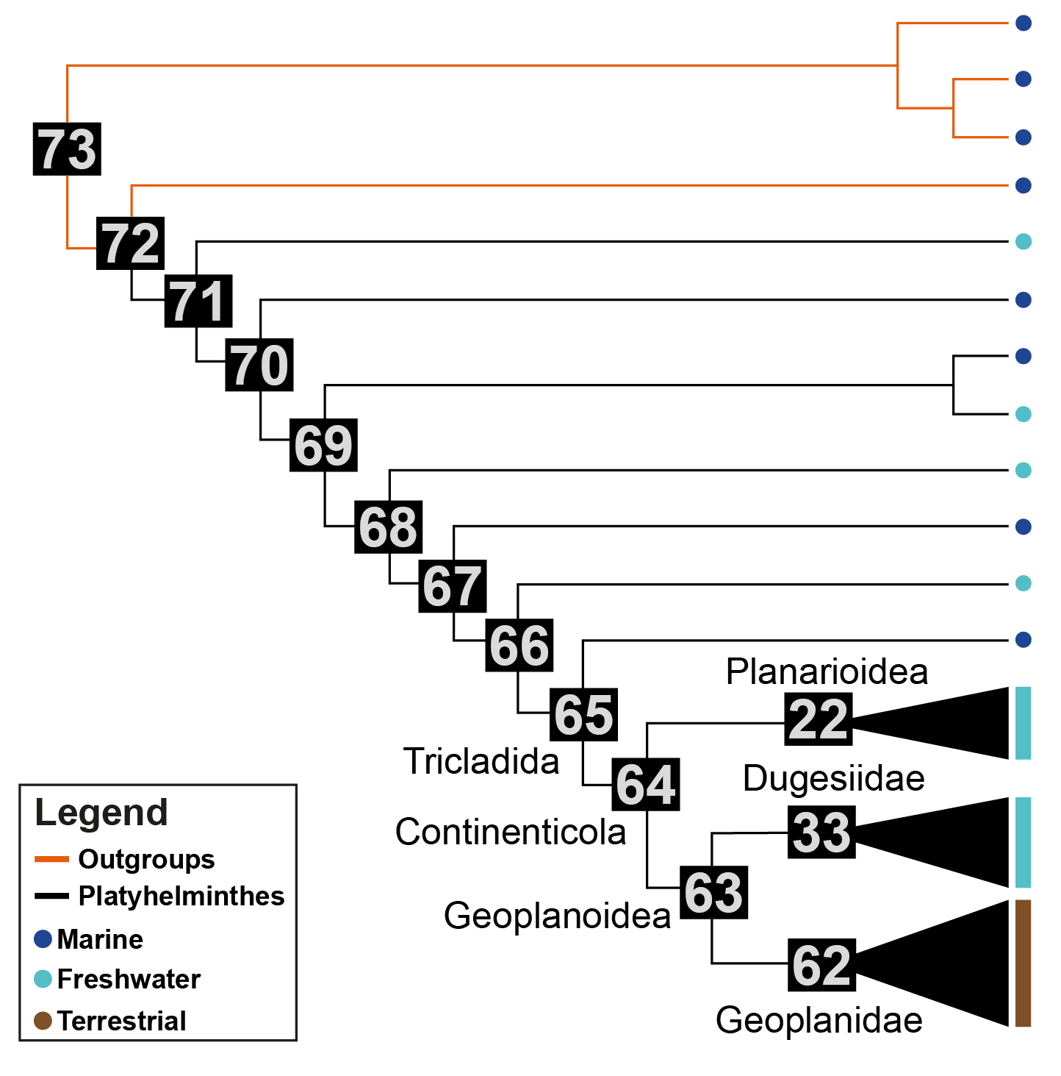
originated in: | DUPLICATED balanced node62 | EXPANDED balanced node62

63 | 8
64 | 17 | 2
65 | 38 | 1
66 | 28 | 3
67 | 40 | 7
68 | 70 | 13
69 | 62 | 12
70 | 115 | 32
71 | 137 | 36
72 | 78 | 14
73 | 236 | 27

Table S10. DGE-proteomics_Origi
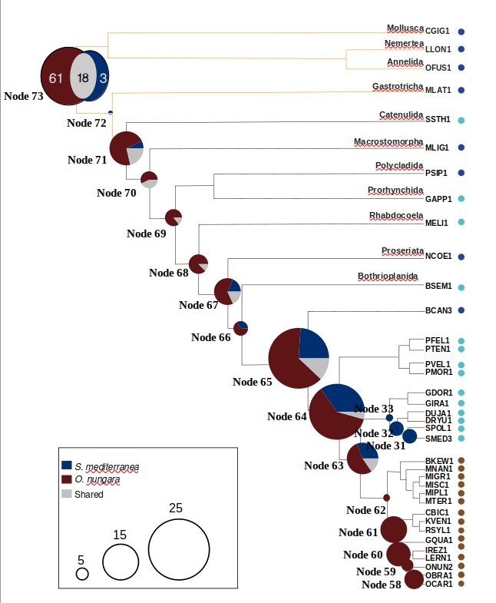
Table S10. Differentially expressed genes detected by proteomics (DEGs-prot) from O. nungara, S. mediterranea, or both species (shared)
O. nungara
Experiments | DEG-prot | Assignment DGEs-prot by nodes
 |  | node 31 | node 32 | node 33 | node 58 | node 59 | node 60 | node 61 | node 62 | node 63 | node 64 | node 65 | node 66 | node 67 | node 68 | node 69 | node 70 | node 71 | node 72 | node 73
chemoDeath_UP | 13 |  |  |  |  |  |  | 1 |  |  |  |  | 1 | 1 | 1 | 1 | 3 |  |  | 5
chemoFood_UP | 18 |  |  |  |  |  |  | 1 |  | 1 |  | 1 | 1 |  | 2 | 1 | 2 |  | 1 | 8
Hyperoxia_UP | 219 |  |  |  | 3 | 1 | 4 | 3 | 2 | 5 | 11 | 18 | 3 | 6 | 8 | 13 | 10 | 15 | 3 | 114
Hypoxia_UP | 188 |  |  |  | 5 |  | 3 | 5 | 2 | 6 | 10 | 14 | 3 | 4 | 6 | 10 | 8 | 10 | 5 | 97
Osmoregulation_UP | 38 |  |  |  | 1 |  |  | 4 |  | 2 | 1 | 2 | 1 | 2 | 2 | 2 | 3 | 3 | 1 | 14
UV24D_UP | 11 |  |  |  |  |  |  | 2 |  |  | 2 |  | 1 |  |  |  | 2 |  | 1 | 3
VL_UP | 159 |  |  |  | 4 |  | 6 | 2 | 2 | 4 | 10 | 19 | 2 | 3 | 5 | 6 | 7 | 5 | 5 | 79
chemoDeath_Down | 5 |  |  |  |  |  |  |  |  | 1 |  | 2 |  | 1 |  |  | 1
chemoFood_Down | 3 |  |  |  |  |  |  |  |  |  |  | 1 |  |  |  |  | 1 |  |  | 1
Hyperoxia_Down | 35 |  |  |  |  |  | 2 | 5 | 1 | 3 | 2 | 8 | 1 | 4 | 1 | 1 | 1 | 1 |  | 5
Hypoxia_Down | 8 |  |  |  | 1 |  | 1 | 1 |  | 2 |  |  |  | 1 |  |  |  | 1 | 1
Osmoregulation_Down | 5 |  |  |  |  |  |  |  |  |  |  | 2 |  | 1 |  |  | 1 |  |  | 1
UV24D_Down | 2 |  |  |  |  | 1 |  |  |  |  |  |  |  |  |  |  | 1
VL_Down | 19 |  |  |  |  | 1 | 1 | 5 | 1 | 1 | 1 | 5 |  | 1 | 1 |  |  | 1 |  | 1
Unique all experiments | 357 | 0 | 0 | 0 | 8 | 5 | 10 | 11 | 3 | 7 | 14 | 16 | 4 | 7 | 7 | 6 | 4 | 10 | 0 | 61
S. mediterranea
chemoDeath_UP | 9 | 1 |  | 1 |  |  |  |  |  |  |  |  |  | 1 | 2 |  | 2 |  | 1 | 1
chemoFood_UP | 3 | 1 |  |  |  |  |  |  |  | 1 |  | 1
Hyperoxia_UP | 1 |  |  |  |  |  |  |  |  |  |  |  |  |  |  |  |  |  |  | 1
Hypoxia_UP | 0
Osmoregulation_UP | 19 |  | 2 | 1 |  |  |  |  |  | 1 |  | 7 |  | 1 | 1 |  | 3 |  | 1 | 2
UV24D_UP | 3 | 1 |  |  |  |  |  |  |  | 1 |  |  |  |  |  |  |  |  |  | 1
VL_UP | 0
chemoDeath_Down | 8 | 3 |  |  |  |  |  |  |  | 2 | 2 |  |  | 1
chemoFood_Down | 10 | 3 |  |  |  |  |  |  |  | 2 | 2 |  |  | 2 |  |  |  | 1
Hyperoxia_Down | 0
Hypoxia_Down | 4 | 1 |  |  |  |  |  |  |  |  | 1 |  |  | 1 |  |  |  | 1
Osmoregulation_Down | 85 | 1 | 3 | 1 |  |  |  |  |  | 4 | 6 | 8 | 3 | 3 | 3 | 6 | 5 | 10 | 4 | 28
UV24D_Down | 0
VL_Down | 0
Unique all experiments | 129 | 6 | 6 | 3 | 0 | 0 | 0 | 0 | 0 | 4 | 8 | 6 | 2 | 2 | 0 | 0 | 0 | 1 | 1 | 3
Shared HOGs
Unique all experiments | 35 | 0 | 0 | 0 | 0 | 0 | 0 | 0 | 0 | 2 | 1 | 3 | 0 | 2 | 1 | 1 | 3 | 3 | 1 | 18

