Instructions
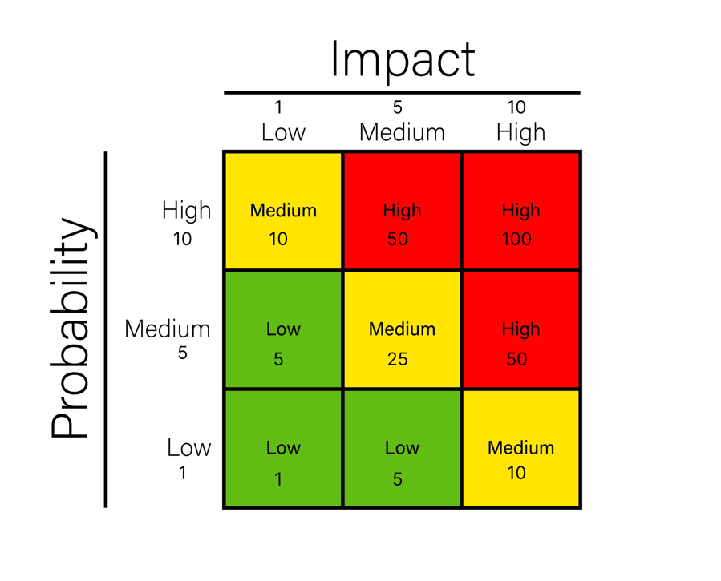
Instructions

Password protection for sheet and workbook to protect formulas is: 1234

CARIC tracker
Fill in Constraints | List any limitations that could affect your project's scope, timeline, resources, or other aspects. For each constraint, briefly describe what it is and how it impacts the project.
Document assumptions | Add the assumptions you're making about the project. These are beliefs you consider to be true but haven't been confirmed yet. Clearly state each assumption and its significance to the project.
Identify risks | Identify potential risks that could impact your project's success. Describe each risk, assess its probability and impact, assign a risk score or priority, and describe the mitigation and contingency plan. Scoring Low = priority of 5 or less Medium = priority of 10 or 25 High = priority of 50 or 100
Record issues | List any problems or issues currently affecting the project. Assign responsibility for resolving each issue and provide a brief description of its impact.
Document changes | Record any changes or decisions to the project's scope, requirements, timeline, resources, or other aspects. Clearly state the nature of the change and its implications for the project.
Communicate and collaborate | Share the CARIC tracker with relevant stakeholders, such as team members, clients, and sponsors. This transparency ensures everyone is aware of project challenges and changes.
Regularly update the tracker | Regularly review and update your CARIC tracker. Set a schedule for updates, such as weekly or bi-weekly, to ensure that it remains current and reflective of the project's evolving status.
Take action | For risks, issues, and changes, develop action plans. Assign responsibilities, set target dates, and document how you plan to address each item.

CARIC

Constraints, Assumptions, Risks, Issues, Changes Tracker

 | Project name: | [project name]
 | Project ID: | [project ID]
 | Project sponsor: | [project sponsor]
 | Project manager: | [project manager]
 | Project coordinator: | [project coordinator]
 | Last updated: | 2024-01-21

 | # | Item description | Type | Area | Assigned to | Status | Probability | Impact | Priority | Mitigation plan (to make or stop from happening; may be N/A) | Contingency plan (to reduce impact) | Action taken | Additional notes
 | 1 | Project purpose and need is not well-defined | Risk | Scope | Jane | Escalated | 5 | 10 | High | Complete a business case if not already provided and ensure purpose is well defined on Project Charter and PID. | Escalate to the project sponsor with an assessment of the risk of runaway costs/never-ending project. | Business case re-written with clear deliverables and submitted to the project board for approval.
 | 2 | Project design and deliverable definition is incomplete | Risk | Scope | Jane | Open | 1 | 5 | Low | Define the scope in detail via design workshops with input from subject matter experts. | Document assumptions made and associated risks. Request high risk items that are ill-defined are removed from scope. | Design workshops scheduled.
 | 3 | Project schedule is not clearly defined or understood | Risk | Schedule | John | Hold | 1 | 1 | Low | Hold scheduling workshops with the project team so they understand the plan and likelihood of missed tasks is reduced. | Share the plan and go through upcoming tasks at each weekly project progress meeting. | Workshops scheduled.
 | 4 | No control over staff priorities | Risk | Resource | Tim | Open | 5 | 5 | Medium | The Project Sponsor will brief team managers on the importance of the project. Soft book resources as early as possible and then communicate final booking dates asap after the scheduling workshops. Identify back ups for each human resource on the project. | Escalate to the Project Sponsor and bring in back up resource. | Project Sponsor has agreed to hold briefing. Now making arrangements for a meeting room.
 | 5 | Consultant or contractor (matrixed team) delays | Risk | Resource | Jane | Escalated | 10 | 10 | High | Include late penalties in contracts. Build in and protect lead time in the schedule. Communicate schedule early. Check in with suppliers regularly. Query '90% done'. Ask again and again if they need anything else. | Escalate to Project Sponsor and Contracts Manager. Implement late clauses. | Lead time from each contractor built into the project schedule. Late penalties agreed to and contracts signed.
 | 6 | Estimating and/or scheduling errors | Risk | Schedule | Jane | Closed | 1 | 10 | Medium | Break this risk into two: 'cost estimating' and 'scheduling errors'. Use two methods of cost estimation, and carefully track costs and forecast cost at completion making adjustments as necessary. Build in 10% contingency on cost and scheduling. Track schedules daily and include schedule review as an agenda item in every project team meeting. Flag forecast errors and/or delays to the Project Board early. | Escalate to project sponsor and project board. Raise change request for change to budget or schedule. Pull down contingency. | Contingency agreed by Project Board.
 | 7 |  |  |  |  |  |  |  | N/A
 | 8 |  |  |  |  |  |  |  | N/A
 | 9 |  |  |  |  |  |  |  | N/A
 | 10 |  |  |  |  |  |  |  | N/A
 | 11 |  |  |  |  |  |  |  | N/A
 | 12 |  |  |  |  |  |  |  | N/A
 | 13 |  |  |  |  |  |  |  | N/A
 | 14 |  |  |  |  |  |  |  | N/A
 | 15 |  |  |  |  |  |  |  | N/A
 | 16 |  |  |  |  |  |  |  | N/A
 | 17 |  |  |  |  |  |  |  | N/A
 | 18 |  |  |  |  |  |  |  | N/A
 | 19 |  |  |  |  |  |  |  | N/A
 | 20 |  |  |  |  |  |  |  | N/A
 | 21 |  |  |  |  |  |  |  | N/A
 | 22 |  |  |  |  |  |  |  | N/A
 | 23 |  |  |  |  |  |  |  | N/A
 | 24 |  |  |  |  |  |  |  | N/A
 | 25 |  |  |  |  |  |  |  | N/A
 | 26 |  |  |  |  |  |  |  | N/A
 | 27 |  |  |  |  |  |  |  | N/A
 | 28 |  |  |  |  |  |  |  | N/A
 | 29 |  |  |  |  |  |  |  | N/A
 | 30 |  |  |  |  |  |  |  | N/A
 | 31 |  |  |  |  |  |  |  | N/A
 | 32 |  |  |  |  |  |  |  | N/A
 | 33 |  |  |  |  |  |  |  | N/A
 | 34 |  |  |  |  |  |  |  | N/A
 | 35 |  |  |  |  |  |  |  | N/A
 | 36 |  |  |  |  |  |  |  | N/A
 | 37 |  |  |  |  |  |  |  | N/A
 | 38 |  |  |  |  |  |  |  | N/A
 | 39 |  |  |  |  |  |  |  | N/A
 | 40 |  |  |  |  |  |  |  | N/A
 | 41 |  |  |  |  |  |  |  | N/A
 | 42 |  |  |  |  |  |  |  | N/A
 | 43 |  |  |  |  |  |  |  | N/A
 |  |  |  |  |  |  |  |  | N/A
 |  |  |  |  |  |  |  |  | N/A
 |  |  |  |  |  |  |  |  | N/A
 |  |  |  |  |  |  |  |  | N/A
 |  |  |  |  |  |  |  |  | N/A
 |  |  |  |  |  |  |  |  | N/A
 |  |  |  |  |  |  |  |  | N/A
 |  |  |  |  |  |  |  |  | N/A
 |  |  |  |  |  |  |  |  | N/A
 |  |  |  |  |  |  |  |  | N/A
 |  |  |  |  |  |  |  |  | N/A
 |  |  |  |  |  |  |  |  | N/A
 |  |  |  |  |  |  |  |  | N/A
 |  |  |  |  |  |  |  |  | N/A
 |  |  |  |  |  |  |  |  | N/A
 |  |  |  |  |  |  |  |  | N/A
 |  |  |  |  |  |  |  |  | N/A
 |  |  |  |  |  |  |  |  | N/A
 |  |  |  |  |  |  |  |  | N/A
 |  |  |  |  |  |  |  |  | N/A
 |  |  |  |  |  |  |  |  | N/A
 |  |  |  |  |  |  |  |  | N/A
 |  |  |  |  |  |  |  |  | N/A
 |  |  |  |  |  |  |  |  | N/A
 |  |  |  |  |  |  |  |  | N/A
 |  |  |  |  |  |  |  |  | N/A
 |  |  |  |  |  |  |  |  | N/A
 |  |  |  |  |  |  |  |  | N/A
 |  |  |  |  |  |  |  |  | N/A
 |  |  |  |  |  |  |  |  | N/A
 |  |  |  |  |  |  |  |  | N/A
 |  |  |  |  |  |  |  |  | N/A
 |  |  |  |  |  |  |  |  | N/A
 |  |  |  |  |  |  |  |  | N/A
 |  |  |  |  |  |  |  |  | N/A
 |  |  |  |  |  |  |  |  | N/A
 |  |  |  |  |  |  |  |  | N/A
 |  |  |  |  |  |  |  |  | N/A
 |  |  |  |  |  |  |  |  | N/A
 | Count | 6

