down_arrow
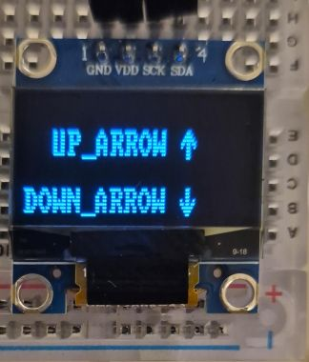
B0 |  |  |  | 1 | 1 |  |  |  | 1
B1 |  |  |  | 1 | 1 |  |  |  | 2
B2 |  |  |  | 1 | 1 |  |  |  | 4
B3 | 1 |  |  | 1 | 1 |  |  | 1 | 8
B4 | 1 | 1 |  | 1 | 1 |  | 1 | 1 | 16
B5 |  | 1 | 1 | 1 | 1 | 1 | 1 |  | 32
B6 |  |  | 1 | 1 | 1 | 1 |  |  | 64
B7 |  |  |  | 1 | 1 |  |  |  | 128

Dec | 24 | 48 | 96 | 255 | 255 | 96 | 48 | 24
Hex | 18 | 30 | 60 | FF | FF | 60 | 30 | 18
 |  |  |  |  |  |  |  |  |  | 00011000
 |  |  |  |  |  |  |  |  |  | 00110000
 |  |  |  |  |  |  |  |  |  | 01100000
 |  |  |  |  |  |  |  |  |  | 11111111
 |  |  |  |  |  |  |  |  |  | 11111111
 |  |  |  |  |  |  |  |  |  | 01100000
 |  |  |  |  |  |  |  |  |  | 00110000
 |  |  |  |  |  |  |  |  |  | 00011000

wi_fi
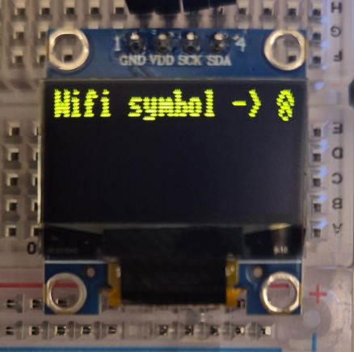
B0 |  |  | 1 | 1 | 1 | 1 |  |  | 1
B1 |  | 1 | 1 |  |  | 1 | 1 |  | 2
B2 | 1 | 1 |  |  |  |  | 1 | 1 | 4 |  | Bad aspect
B3 | 1 |  |  | 1 | 1 |  |  | 1 | 8
B4 |  |  | 1 | 1 | 1 | 1 |  |  | 16
B5 |  |  | 1 |  |  | 1 |  |  | 32
B6 |  |  |  |  |  |  |  |  | 64
B7 |  |  |  | 1 | 1 |  |  |  | 128

Dec | 12 | 6 | 51 | 153 | 153 | 51 | 6 | 12
Hex | 0C | 06 | 33 | 99 | 99 | 33 | 06 | 0C
 |  |  |  |  |  |  |  |  |  | 00001100
 |  |  |  |  |  |  |  |  |  | 00000110
 |  |  |  |  |  |  |  |  |  | 00110011
 |  |  |  |  |  |  |  |  |  | 10011001
 |  |  |  |  |  |  |  |  |  | 10011001
 |  |  |  |  |  |  |  |  |  | 00110011
 |  |  |  |  |  |  |  |  |  | 00000110
 |  |  |  |  |  |  |  |  |  | 00001100

