q1
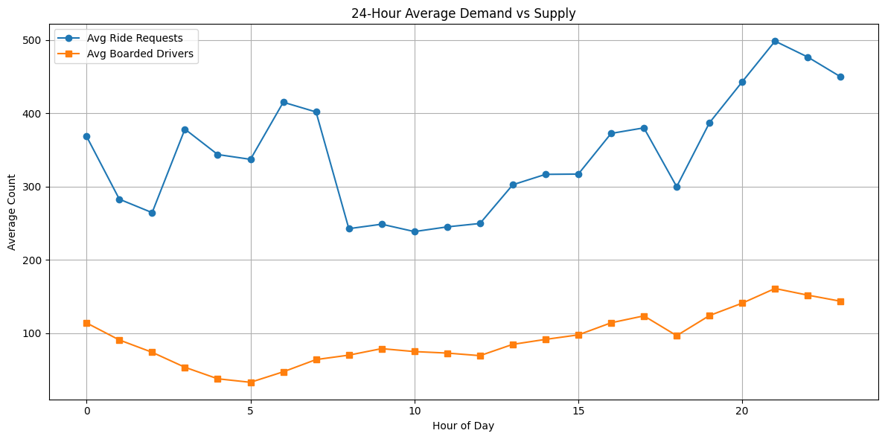
q1

Based on the graphs and trends from the dataset, the most critical periods where we consistently face undersupply are during the evening hours between 6 PM and 10 PM. During this time, we see a noticeable spike in ride requests, but the number of available drivers doesn’t increase accordingly. This mismatch leads to a high number of unfulfilled ride requests, clearly indicating a gap in supply.
The issue becomes even more significant on weekends, especially Saturday and Sunday evenings, when demand is at its peak, possibly due to social activities. However, driver activity doesn't keep up, resulting in more missed rides and customer dissatisfaction.
Recommendation:
Focus on incentivizing drivers to be online during peak hours (especially evenings and weekends).
Consider surge pricing or targeted notifications to improve fulfillment during undersupplied slots.

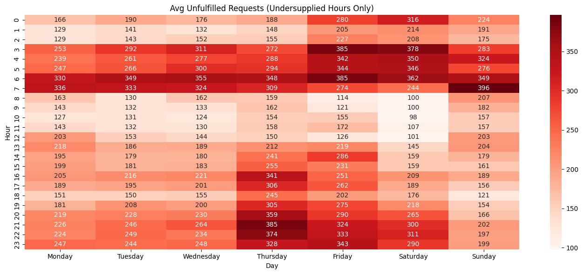
Q1B

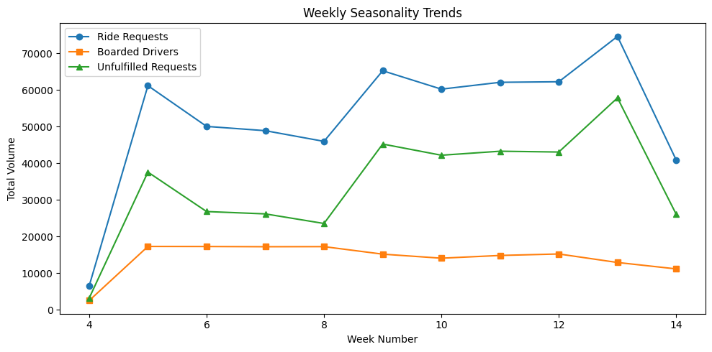

Q1C

q2 and 3
Q2 | bench mark | demand>400

Row Labels | Sum of Unfulfilled Requests |  |  | Row Labels | Average of RidesperOnlineHour
6 | 24773 |  |  | 6 | 4.1346714268
7 | 22169 |  |  | 7 | 3.1723116051
21 | 19463 |  |  | 21 | 1.4489950615
22 | 19202 |  |  | 22 | 1.4759614189
23 | 19001 |  |  | 23 | 1.415203245
Grand Total | 104608 |  |  | Grand Total | 2.33

online hours required | 44,907.15

 | Q3

Recomendation
Use targeted driver alerts to increase availability during peak hours.
Offer rider promotions to absorb competitor demand shift.
Deploy dynamic pricing during high-demand windows.
Improve matching algorithms to reduce wait and cancel times
 |  |  | Row Labels | Sum of TotalPriceChecks | Sum of OnlineHours | Sum of RidesBoarded-Detailed
 |  |  | 14 | 62946 | 24342.95 | 14815
 |  |  | Grand Total | 62946 | 24342.95 | 14815

 |  |  |  | rides per price check | 0.2353604677
 |  |  |  | rides per online hour | 0.60859509632

 |  |  |  | week 15
 |  |  |  | week 15 price check | 94419
 |  |  |  | week 15 online hour | 27994.3925

 |  |  | week 14 rides |  | 14,815
 |  |  | estimated Week 15 Boarded Rides |  | 24,445

