Level2
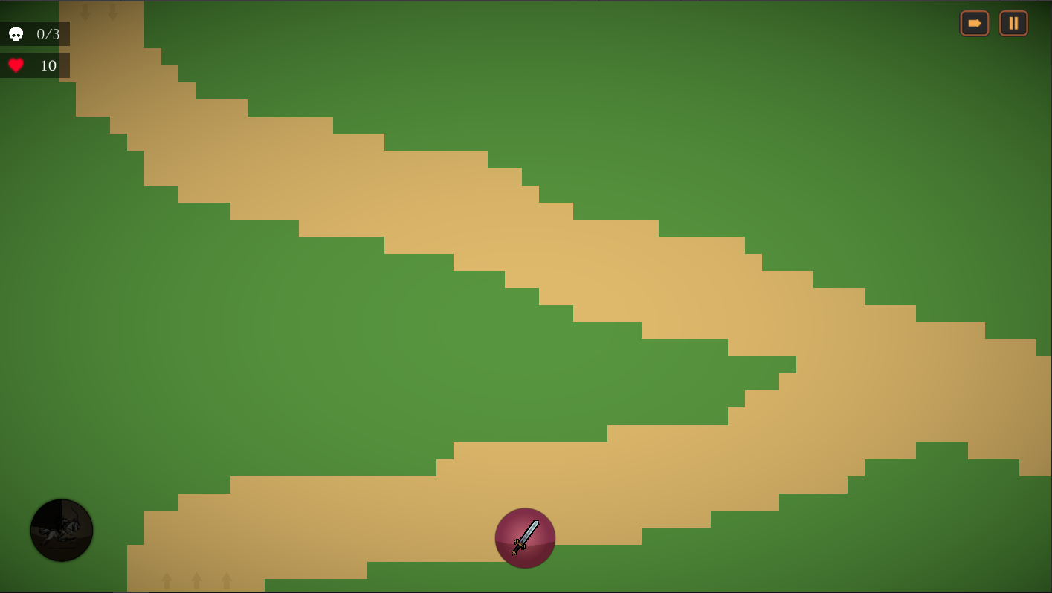

1xArcher | Wave 1
 | Time (s) | Enemy Type | Count | Entrance | Exit
 | 0 | Enemy1 | 3 | UP | 0
 | 12 | Enemy1 | 3 | DOWN | 0
 | 24 | Enemy1 | 3 | UP | 0
 | 36 | Enemy2 | 2 | UP | 0
 | 36 | Enemy2 | 2 | DOWN | 0
Est. Total Time: | ~60s

1xArcher | Wave 2
 | Time (s) | Enemy Type | Count | Entrance | Exit | *
 | 0 | Enemy1 | 4 | UP | 0 |  | Est. Total Time: | ~75s
 | 0 | Enemy1 | 4 | DOWN | 0
 | 40 | Enemy2 | 3 | UP | 0
 | 40 | Enemy2 | 3 | DOWN | 0
 | 60 | Enemy1 | 4 | UP | 0
 | 60 | Enemy1 | 4 | DOWN | 0
Est. Total Time: | ~90s

2xArcher | Wave 3
 | Time (s) | Enemy Type | Count | Entrance | Exit
 | 0 | Enemy2 | 5 | DOWN | 0
 | 15 | Enemy2 | 5 | UP | 0
 | 30 | Enemy1 | 5 | DOWN | 0
 | 40 | Enemy1 | 5 | UP | 0
 | 55 | Enemy1 | 2 | UP | 0
 | 55 | Enemy2 | 2 | UP | 0
 | 55 | Enemy1 | 2 | DOWN | 0
 | 55 | Enemy2 | 2 | DOWN | 0
Est. Total Time: | ~80s

2xArcher | Wave 4
 | Time (s) | Enemy Type | Count | Entrance | Exit
 | 0 | Enemy1 | 3 | UP | 0
 | 0 | Enemy2 | 3 | UP | 0
 | 15 | Enemy1 | 3 | DOWN | 0
 | 15 | Enemy2 | 3 | DOWN | 0
 | 30 | Enemy1 | 5 | UP | 0
 | 30 | Enemy1 | 5 | DOWN | 0
 | 45 | Enemy1 | 3 | UP | 0
 | 45 | Enemy2 | 3 | UP | 0
 | 45 | Enemy1 | 3 | DOWN | 0
 | 45 | Enemy2 | 3 | DOWN | 0
Est. Total Time: | ~65s

3xArcher | Wave 5
 | Time (s) | Enemy Type | Count | Entrance | Exit
 | 0 | Enemy1 | 4 | UP | 0
 | 0 | Enemy2 | 4 | UP | 0
 | 15 | Enemy1 | 4 | DOWN | 0
 | 15 | Enemy2 | 4 | DOWN | 0
 | 30 | Enemy1 | 6 | UP | 0
 | 30 | Enemy1 | 6 | DOWN | 0
 | 45 | Enemy1 | 3 | UP | 0
 | 45 | Enemy2 | 3 | UP | 0
 | 45 | Enemy1 | 3 | DOWN | 0
 | 45 | Enemy2 | 3 | DOWN | 0
 | 50 | Enemy1 | 3 | UP | 0
 | 55 | Enemy2 | 3 | UP | 0
 | 60 | Enemy1 | 3 | DOWN | 0
 | 65 | Enemy2 | 3 | DOWN | 0
Est. Total Time: | ~90s

Level3
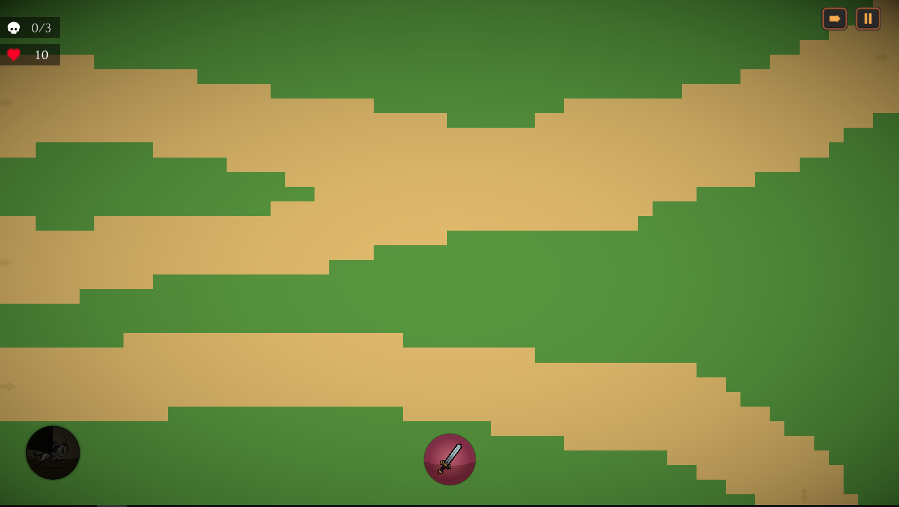

2xArcher | Wave 1
 | Time (s) | Enemy Type | Count | Entrance | Exit
 | 0 | Enemy1 | 3 | 1 | 1
 | 0 | Enemy1 | 3 | 2 | 1
 | 15 | Enemy2 | 3 | 2 | 1
 | 20 | Enemy2 | 2 | 1 | 1
 | 40 | Enemy2 | 3 | 2 | 1
 | 45 | Enemy2 | 2 | 3 | 2
Est. Total Time: | ~65s

2xArcher | Wave 2
 | Time (s) | Enemy Type | Count | Entrance | Exit | Est. Total Time: | ~75s
 | 0 | Enemy2 | 2 | 1 | 1
 | 0 | Enemy2 | 2 | 2 | 1
 | 0 | Enemy2 | 2 | 3 | 2
 | 15 | Enemy2 | 2 | 3 | 2
 | 20 | Enemy2 | 4 | 2 | 1
 | 30 | Enemy2 | 2 | 1 | 1
 | 45 | Enemy2 | 1 | 1 | 1
 | 45 | Enemy2 | 1 | 3 | 2
 | 50 | Enemy2 | 2 | 1 | 1
Est. Total Time: | ~75s

3xArcher | Wave 3
 | Time (s) | Enemy Type | Count | Entrance | Exit
 | 0 | Enemy2 | 5 | 2 | 1
 | 5 | Enemy1 | 5 | 3 | 2
 | 5 | Enemy1 | 4 | 3 | 2
 | 25 | Enemy1 | 7 | 1 | 1
 | 30 | Enemy1 | 7 | 2 | 1
 | 35 | Enemy1 | 7 | 3 | 2
 | 50 | Enemy2 | 4 | 1 | 1
 | 55 | Enemy2 | 4 | 2 | 1
 | 60 | Enemy2 | 4 | 3 | 2
Est. Total Time: | ~90s

4xArcher | Wave 4
 | Time (s) | Enemy Type | Count | Entrance | Exit
 | 0 | Enemy2 | 7 | 3 | 2
 | 20 | Enemy2 | 5 | 1 | 1
 | 20 | Enemy2 | 5 | 2 | 1
 | 35 | Enemy1 | 7 | 3 | 2
 | 45 | Enemy2 | 7 | 2 | 1
 | 45 | Enemy1 | 10 | 2 | 1
Est. Total Time: | ~70s

5xArcher | Wave 5
 | Time (s) | Enemy Type | Count | Entrance | Exit
 | 0 | Enemy1 | 12 | 2 | 1
 | 0 | Enemy2 | 8 | 2 | 1
 | 10 | Enemy2 | 7 | 1 | 1
 | 20 | Enemy1 | 10 | 3 | 2
 | 35 | Enemy1 | 12 | 2 | 1
 | 35 | Enemy2 | 8 | 2 | 1
 | 45 | Enemy2 | 7 | 3 | 2
 | 55 | Enemy1 | 10 | 1 | 1
 | 60 | Enemy2 | 12 | 2 | 1
Est. Total Time: | ~95s

