Hoja1
Explore 15 Exploit 5 | exploit c1 c2 0
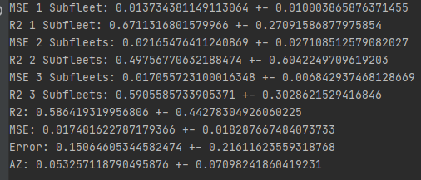
MSE 1 Subfleet: 0.013734381149113064 +- 0.010003865876371455
R2 1 Subfleet: 0.6711316801579966 +- 0.27091586877975854
MSE 2 Subfleets: 0.02165476411240869 +- 0.027108512579082027
R2 2 Subfleets: 0.49756770632188474 +- 0.6042249709619203
MSE 3 Subfleets: 0.017055723100016348 +- 0.006842937468128669
R2 3 Subfleets: 0.5905585733905371 +- 0.3028621529416846
R2: 0.586419319956806 +- 0.44278304926060225
MSE: 0.017481622787179366 +- 0.018287667484073733
Error: 0.15064605344582474 +- 0.21611623559318768
AZ: 0.053257118790495876 +- 0.07098241860419231

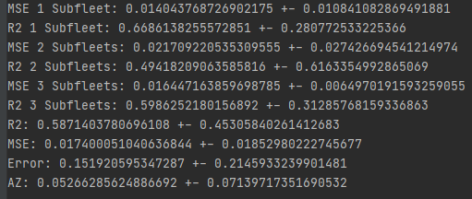
explore 15 exploit 5 | normal
MSE 1 Subfleet: 0.014043768726902175 +- 0.010841082869491881
R2 1 Subfleet: 0.6686138255572851 +- 0.280772533225366
MSE 2 Subfleets: 0.021709220535309555 +- 0.027426694541214974
R2 2 Subfleets: 0.49418209063585816 +- 0.6163354992865069
MSE 3 Subfleets: 0.016447163859698785 +- 0.0064970191593259055
R2 3 Subfleets: 0.5986252180156892 +- 0.31285768159336863
R2: 0.5871403780696108 +- 0.45305840261412683
MSE: 0.017400051040636844 +- 0.01852980222745677
Error: 0.151920595347287 +- 0.2145933239901481
AZ: 0.05266285624886692 +- 0.07139717351690532

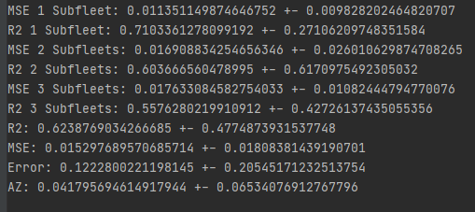
Explore 15 exploit 5 | normal | method sp
MSE 1 Subfleet: 0.011351149874646752 +- 0.009828202464820707
R2 1 Subfleet: 0.7103361278099192 +- 0.27106209748351584
MSE 2 Subfleets: 0.016908834254656346 +- 0.026010629874708265
R2 2 Subfleets: 0.603666560478995 +- 0.6170975492305032
MSE 3 Subfleets: 0.017633084582754033 +- 0.01082444794770076
R2 3 Subfleets: 0.5576280219910912 +- 0.42726137435055356
R2: 0.6238769034266685 +- 0.4774873931537748
MSE: 0.015297689570685714 +- 0.01808381439190701
Error: 0.1222800221198145 +- 0.20545171232513754
AZ: 0.041795694614917944 +- 0.06534076912767796

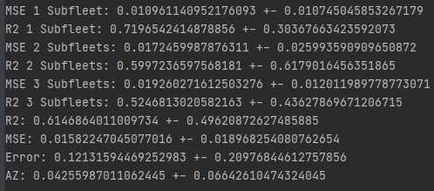
Explore 15 exploit 5 | c1 c2 0 | method sp
MSE 1 Subfleet: 0.010961140952176093 +- 0.010745045853267179
R2 1 Subfleet: 0.7196542414878856 +- 0.30367663423592073
MSE 2 Subfleets: 0.0172459987876311 +- 0.025993590909650872
R2 2 Subfleets: 0.5997236597568181 +- 0.6179016456351865
MSE 3 Subfleets: 0.019260271612503276 +- 0.012011989778773071
R2 3 Subfleets: 0.5246813020582163 +- 0.43627869671206715
R2: 0.6146864011009734 +- 0.49620872627485885
MSE: 0.01582247045077016 +- 0.018968254080762654
Error: 0.12131594469252983 +- 0.20976844612757856
AZ: 0.04255987011062445 +- 0.06642610474324045

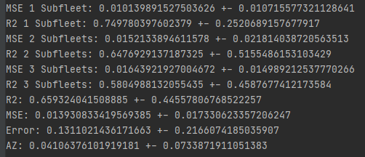
Explore 15 exploit 5 | c1 c2 0 | method sp | sin data inicial
MSE 1 Subfleet: 0.010139891527503626 +- 0.010715577321128641
R2 1 Subfleet: 0.749780397602379 +- 0.2520689157677917
MSE 2 Subfleets: 0.0152133894611578 +- 0.021814038720563513
R2 2 Subfleets: 0.6476929137187325 +- 0.5155486153103429
MSE 3 Subfleets: 0.01643921927004672 +- 0.014989212537770266
R2 3 Subfleets: 0.5804988132055435 +- 0.4587677412173584
R2: 0.659324041508885 +- 0.44557806768522257
MSE: 0.013930833419569385 +- 0.017330623357206247
Error: 0.1311021436171663 +- 0.2166074185035907
AZ: 0.04106376101919181 +- 0.0733871911051383

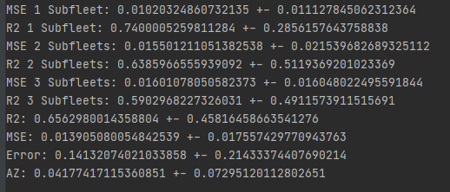
Explore 15 exploit 5 | normal | method sp | sin data inicial
MSE 1 Subfleet: 0.01020324860732135 +- 0.011127845062312364
R2 1 Subfleet: 0.7400005259811284 +- 0.2856157643758838
MSE 2 Subfleets: 0.015501211051382538 +- 0.021539682689325112
R2 2 Subfleets: 0.6385966555939092 +- 0.5119369201023369
MSE 3 Subfleets: 0.01601078050582373 +- 0.016048022495591844
R2 3 Subfleets: 0.5902968227326031 +- 0.4911573911515691
R2: 0.6562980014358804 +- 0.45816458663541276
MSE: 0.013905080054842539 +- 0.017557429770943763
Error: 0.14132074021033858 +- 0.21433374407690214
AZ: 0.04177417115360851 +- 0.07295120112802651

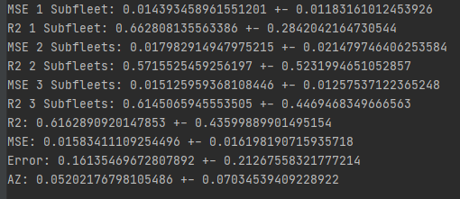
Explore 15 exploit 5 | normal |  | sin data inicial
MSE 1 Subfleet: 0.014393458961551201 +- 0.01183161012453926
R2 1 Subfleet: 0.662808135563386 +- 0.2842042164730544
MSE 2 Subfleets: 0.017982914947975215 +- 0.021479746406253584
R2 2 Subfleets: 0.5715525459256197 +- 0.5231994651052857
MSE 3 Subfleets: 0.015125959368108446 +- 0.01257537122365248
R2 3 Subfleets: 0.6145065945553505 +- 0.4469468349666563
R2: 0.6162890920147853 +- 0.43599889901495154
MSE: 0.01583411109254496 +- 0.016198190715935718
Error: 0.16135469672807892 +- 0.21267558321777214
AZ: 0.05202176798105486 +- 0.07034539409228922

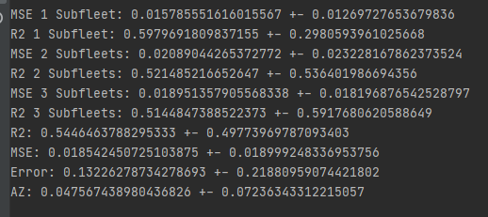
Explore 10 exploit 10 | c1 c2 0 | method sp | sin data inicial
MSE 1 Subfleet: 0.015785551616015567 +- 0.01269727653679836
R2 1 Subfleet: 0.5979691809837155 +- 0.2980593961025668
MSE 2 Subfleets: 0.02089044265372772 +- 0.023228167862373524
R2 2 Subfleets: 0.521485216652647 +- 0.536401986694356
MSE 3 Subfleets: 0.018951357905568338 +- 0.018196876542528797
R2 3 Subfleets: 0.5144847388522373 +- 0.5917680620588649
R2: 0.5446463788295333 +- 0.49773969787093403
MSE: 0.018542450725103875 +- 0.018999248336953756
Error: 0.13226278734278693 +- 0.21880959074421802
AZ: 0.047567438980436826 +- 0.07236343312215057

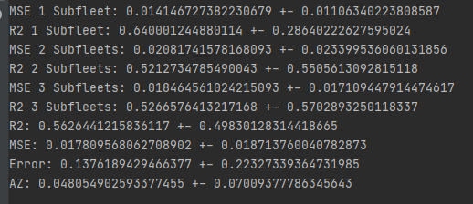
Explore 10 exploit 10 | normal | method sp | sin data inicial
MSE 1 Subfleet: 0.014146727382230679 +- 0.01106340223808587
R2 1 Subfleet: 0.640001244880114 +- 0.28640222627595024
MSE 2 Subfleets: 0.02081741578168093 +- 0.023399536060131856
R2 2 Subfleets: 0.5212734785490043 +- 0.5505613092815118
MSE 3 Subfleets: 0.018464561024215093 +- 0.017109447914474617
R2 3 Subfleets: 0.5266576413217168 +- 0.5702893250118337
R2: 0.5626441215836117 +- 0.49830128314418665
MSE: 0.017809568062708902 +- 0.018713760040782873
Error: 0.1376189429466377 +- 0.22327339364731985
AZ: 0.048054902593377455 +- 0.07009377786345643

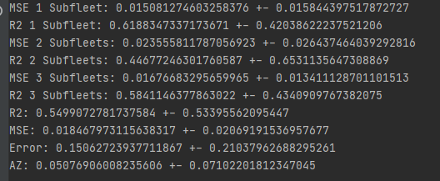
Explore 10 exploit 10 | normal |  | sin data inicial
MSE 1 Subfleet: 0.015081274603258376 +- 0.015844397517872727
R2 1 Subfleet: 0.6188347337173671 +- 0.42038622237521206
MSE 2 Subfleets: 0.023555811787056923 +- 0.026437464039292816
R2 2 Subfleets: 0.44677246301760587 +- 0.6531135647308869
MSE 3 Subfleets: 0.01676683295659965 +- 0.013411128701101513
R2 3 Subfleets: 0.5841146377863022 +- 0.4340909767382075
R2: 0.5499072781737584 +- 0.53395562095447
MSE: 0.018467973115638317 +- 0.02069191536957677
Error: 0.15062723937711867 +- 0.21037962688295261
AZ: 0.05076906008235606 +- 0.07102201812347045

