Graph Data
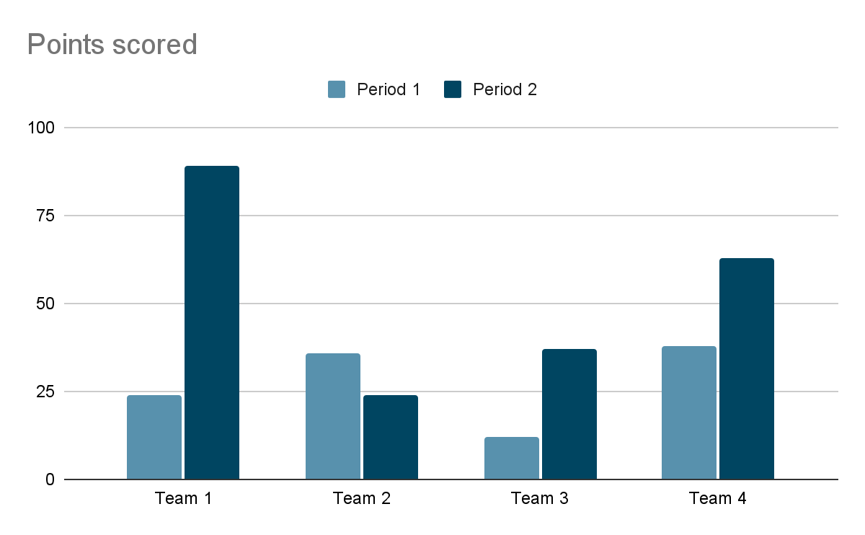
Period
Team
Team 2
Team 3
Team 4

