chart_1
Graph Analysis Results |  |  |  |  |  | Bar
Year | Sales | Gross Profit | Operating Expenses | Income Before Taxes |  | Dollars, -100000, 600000, 100000
2018 | 380000 | 180000 | 200000 | -20000
2019 | 430000 | 290000 | 90000 | 190000
2020 | 390000 | 290000 | 90000 | 190000
2021 | 540000 | 300000 | 100000 | 280000
 |  |  |  |  | Original Graph:
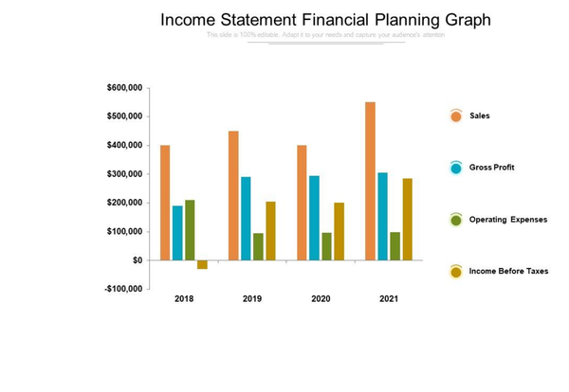
Recreated Graph

chart_2
Graph Analysis Results |  |  | Pie
Category | Percentage |  | Percentage, 0, 100, 10
Housing | 28
Daily Spending | 20
Taxes | 15
Other Savings | 10
Retirement | 10
Insurance | 9
Debt | 8
 |  | Original Graph:
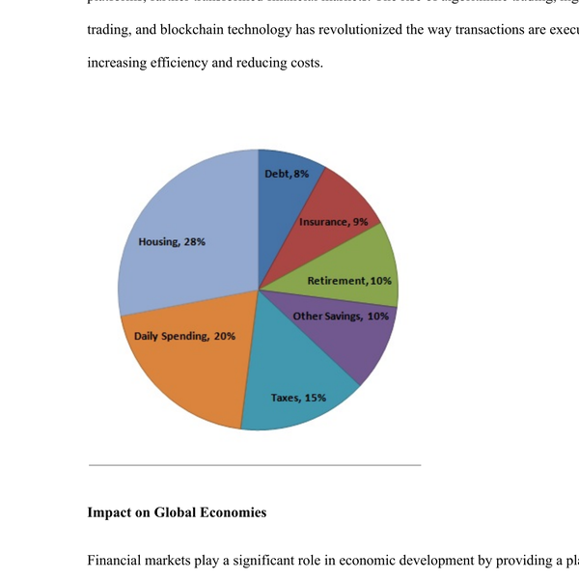
Recreated Graph

chart_3
Graph Analysis Results |  |  |  | Line
Fiscal Year | Total Pledged (All Parishioners) | Received (Actual) |  | Annual Amount, 650000, 1000000, 50000
2010 | 900000 | 950000
2011 | 760000 | 800000
2012 | 900000 | 880000
2013 | 980000 | 900000
2014 | 950000 | 900000
2015 | 920000 | 850000
2016 | 910000 | 820000
 |  |  | Original Graph:
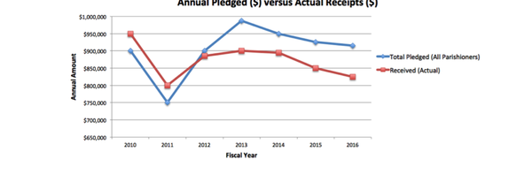
Recreated Graph

