page_0_graph1
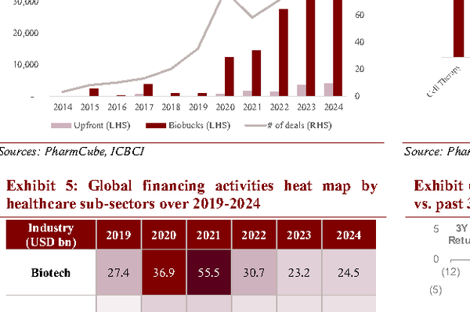
Graph Analysis Results |  |  | Line | 9
Year | Value |  | P/E,0,80,20
2017 | 30 |  | False
2018 | 35
2019 | 40
2020 | 65
2021 | 40
2022 | 35
2023 | 30
2024 | 25
 |  | NOTE: This program is a work in progress; graph cropping may be imperfect.

page_0_graph2

Graph Analysis Results |  |  | Line | 14
Year | Value |  | P/S,2,14,2
2012 | 6 |  | False
2013 | 8
2014 | 10
2015 | 12
2016 | 8
2017 | 7
2018 | 7
2019 | 7
2020 | 8
2021 | 8
2022 | 6
2023 | 6
2024 | 6
 |  | NOTE: This program is a work in progress; graph cropping may be imperfect.

page_0_graph3
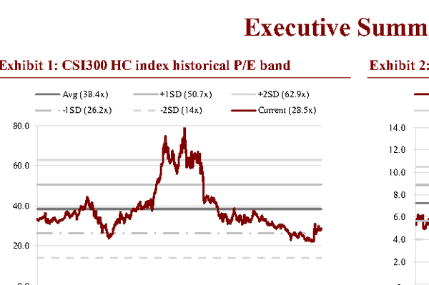
Graph Analysis Results |  |  |  | Bar and Line | 11
Year | Upfront (US$mn) | # of deals |  | USD mn,0,60000,10000
2014 | 0 | 2 |  | True
2015 | 2000 | 5
2016 | 1000 | 8
2017 | 3000 | 15
2018 | 2000 | 25
2019 | 12000 | 35
2020 | 15000 | 45
2021 | 28000 | 80
2022 | 42000 | 100
2023 | 50000 | 120
 |  |  | NOTE: This program is a work in progress; graph cropping may be imperfect.

page_0_graph4
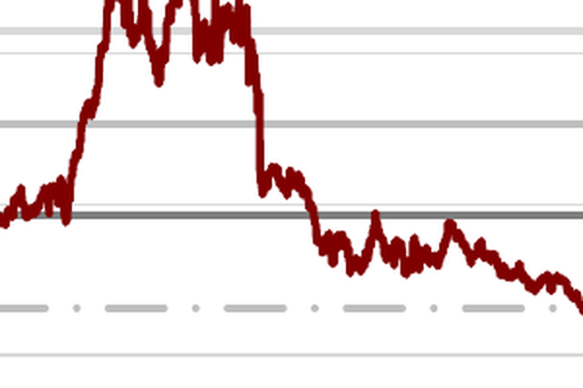
Graph Analysis Results |  |  |  |  |  |  | Stacked Bar | 10
Company | Phase 1 | Phase 2 | Phase 3 | Japan | Others |  | Count,0,300,50
Cell Therapy | 50 | 30 | 10 | 5 | 5 |  | False
ADC | 40 | 35 | 15 | 5 | 5
RNA | 35 | 40 | 15 | 5 | 5
Small Molecule | 30 | 45 | 15 | 5 | 5
Peptide | 25 | 50 | 15 | 5 | 5
Gene Therapy | 20 | 55 | 15 | 5 | 5
RNA Vaccine | 15 | 60 | 15 | 5 | 5
Gamma Delta | 10 | 65 | 15 | 5 | 5
Small Molecule and Others | 5 | 70 | 15 | 5 | 5
 |  |  |  |  |  | NOTE: This program is a work in progress; graph cropping may be imperfect.

page_0_graph5
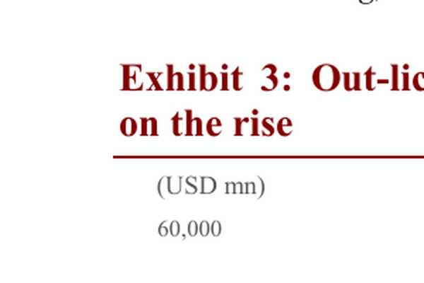
Graph Analysis Results |  |  |  |  |  |  |  | Heat Map | 6
Industry | 2019 | 2020 | 2021 | 2022 | 2023 | 2024 |  | Industry Categories,0,5,1
Biotech | 27.4 | 36.9 | 55.5 | 30.7 | 23.2 | 24.5 |  | False
Medtech | 4.8 | 19.3 | 24.9 | 14.9 | 9.8 | 12
Digital Health & IT | 10.4 | 14.6 | 37.1 | 16.7 | 9.3 | 9.8
Healthcare Services | 5.4 | 3.6 | 6.3 | 6.8 | 4.1 | 2.8
CXO |  |  | 4 | 4.5 | 3.8 | 1.4
 |  |  |  |  |  |  | NOTE: This program is a work in progress; graph cropping may be imperfect.

page_0_graph6

Graph Analysis Results |  |  |  | Scatter | 7
Sector | 3Y Return | 2025 YTD Return |  | 3Y Annual Return (%),-35,5,5
Biotech | -15 | 1 |  | False
Pharma | -10 | -2
Healthcare operators | -20 | -4
Medical Products | -25 | -6
CXO | -30 | -8
Internet Healthcare | -35 | -10
 |  |  | NOTE: This program is a work in progress; graph cropping may be imperfect.

