Figure_1
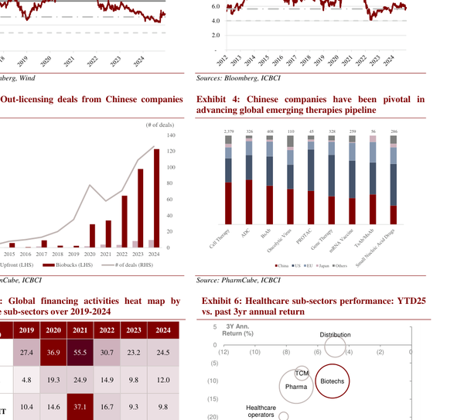
Graph Analysis Results |  |  | Line Chart | 27
Year | Yield |  | ,0,6.0,2.0
2018 | 5 |  | False
2018.25 | 5.2
2018.5 | 5
2018.75 | 4.8
2019 | 4.5
2019.25 | 4.7
2019.5 | 5
2019.75 | 5.2
2020 | 5
2020.25 | 4.8
2020.5 | 4.5
2020.75 | 4.3
2021 | 4
2021.25 | 3.8
2021.5 | 3.5
2021.75 | 3.3
2022 | 3
2022.25 | 3.2
2022.5 | 3.5
2022.75 | 3.8
2023 | 4
2023.25 | 4.2
2023.5 | 4.5
2023.75 | 4.8
2024 | 5
2024.25 | 5.2
Recreated Graph
 |  | NOTE: This program is a work in progress; graph cropping may be imperfect.

Figure_1_2
Graph Analysis Results |  |  | Line Chart | 29
Year | Yield |  | ,0,6.0,2.0
2012 | 4.8 |  | False
2012.5 | 5
2013 | 5.2
2013.5 | 5
2014 | 4.8
2014.5 | 5
2015 | 5.2
2015.5 | 5
2016 | 4.8
2016.5 | 4.5
2017 | 4.3
2017.5 | 4.5
2018 | 4.8
2018.5 | 5
2019 | 5.2
2019.5 | 5
2020 | 4.8
2020.5 | 5
2021 | 5.2
2021.5 | 5
2022 | 4.8
2022.5 | 4.5
2023 | 4
2023.25 | 4.2
2023.5 | 4.5
2023.75 | 4.8
2024 | 5
2024.25 | 5.2
Recreated Graph
 |  | NOTE: This program is a work in progress; graph cropping may be imperfect.

Figure_1_3
Graph Analysis Results |  |  |  |  | Combo Chart | 11
Year | Upfront | Biobacks | # of deals |  | (# of deals),0,140,20
2015 | 2 | 0 | 5 |  | True
2016 | 3 | 0 | 10
2017 | 5 | 0 | 20
2018 | 8 | 30 | 35
2019 | 10 | 35 | 75
2020 | 12 | 33 | 65
2021 | 15 | 65 | 70
2022 | 18 | 95 | 80
2023 | 20 | 120 | 110
2024 | 0 | 125 | 130
Recreated Graph
 |  |  |  | NOTE: This program is a work in progress; graph cropping may be imperfect.

Figure_1_4
Graph Analysis Results |  |  |  |  |  |  |  | Stacked Bar Chart | 10
Category | China | US | EU | Japan | Others | Total |  | ,0,180,20
Cell Therapy | 85 | 45 | 15 | 5 | 29 | 179 |  | False
ADC | 85 | 40 | 15 | 5 | 31 | 176
MAb | 75 | 40 | 15 | 5 | 33 | 168
Oncolytic Virus | 70 | 35 | 15 | 5 | 25 | 150
PROTAC | 70 | 45 | 15 | 5 | 30 | 165
Gene Therapy | 60 | 50 | 15 | 5 | 28 | 158
mRNA Vaccine | 60 | 45 | 15 | 5 | 34 | 159
T-cell/NK-cell | 50 | 45 | 15 | 5 | 31 | 146
Small Molecule Acid Drug | 50 | 60 | 15 | 5 | 36 | 166
Recreated Graph
 |  |  |  |  |  |  | NOTE: This program is a work in progress; graph cropping may be imperfect.

Figure_1_6
Graph Analysis Results |  |  |  |  | Bubble Chart | 5
Category | X | Y | Size |  | 3Y Ann. Return (%),-20,5,5
Biotechs | -4 | -10 | 40 |  | False
Pharma | -6 | -15 | 35
TCM | -8 | -10 | 30
Healthcare operators | -8 | -20 | 20
Recreated Bubble Chart
 |  |  |  | NOTE: This program is a work in progress; graph cropping may be imperfect.

Figure_3
Graph Analysis Results |  |  |  |  | Bubble Chart | 4
Label | X_Position | Y_Position | Bubble_Size |  | Position,20,35,5
CXO | 60 | 60 | 25 |  | False
Internet Healthcare | 80 | 35 | 15
Medical devices | 45 | 45 | 20
Recreated Bubble Chart
 |  |  |  | NOTE: This program is a work in progress; graph cropping may be imperfect.

