Sheet1
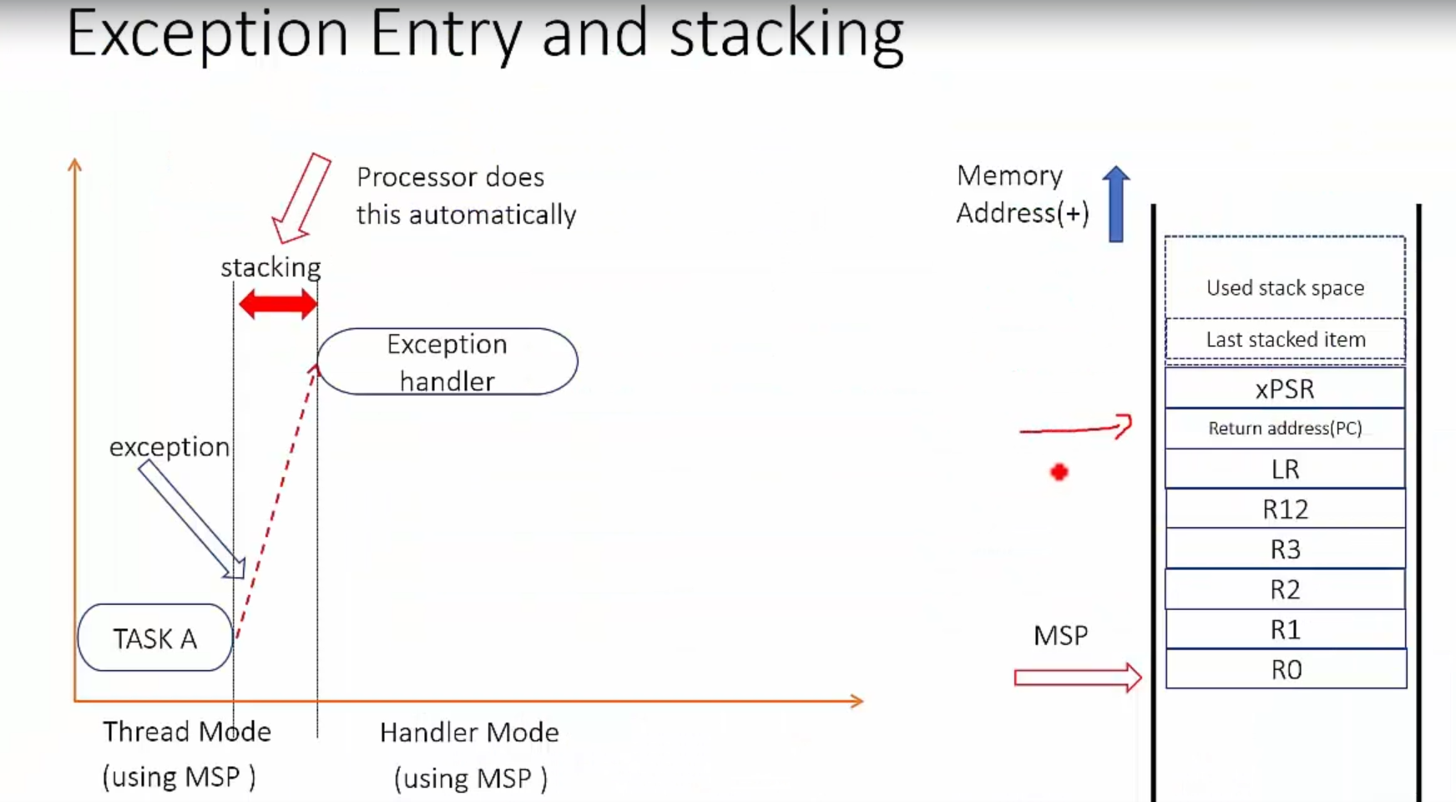
Analyzing stack contents during exception entry and exit
Stack Pointer (MSP) | Register | Value
0x2002ffe4 | xPSR | 0x1000000 | 0x2002ffe8
0x2002ffe0 | PC | 0x08000244
0x2002ffdc | LR | 0x0800020f
0x2002ffd8 | R12 | 0x00000000
0x2002ffd4 | R3 | 0xE000EF00
0x2002ffd0 | R2 | 0x00000003
0x2002ffcc | R1 | 0x2002FF6C
0x2002ffc8 | R0 | 0x0000000A

ISR_Entry -> LR -> 0xfffffff9

