Home
Food and Cardio Tracker

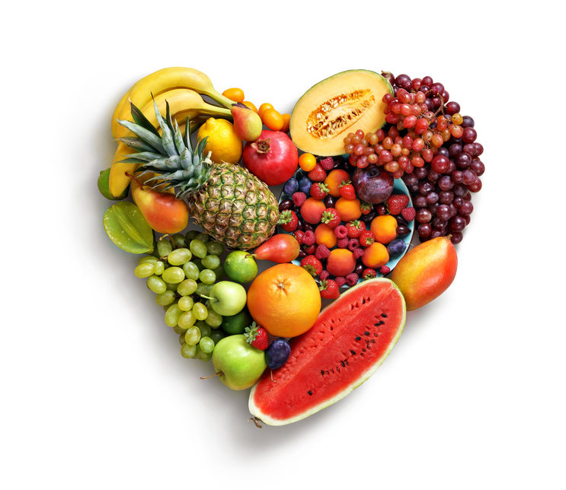

Log

Lookup Lists

Dashboard

Log
Clear All Entries
Food and Cardio Journal

Name | Category | Quantity Number | Quantity Unit

Pivot_Diets
Diet | Ikaria

Row Labels | Sum of Weight Consumed Per Day (g)
Added fats and oils | 4.46%
Added sugar | 2.59%
Beans | 12.97%
Dairy | 17.30%
Fruit | 11.89%
Meat, Fish, and Eggs | 8.65%
Nuts and seeds | 2.14%
Refined grains | 2.16%
Vegetables | 36.75%
Whole grains | 1.08%
Grand Total | 100.00%

Dashboard
Food and Exercise Journal Analysis |  |  |  |  |  |  | Total Servings
 |  |  |  |  |  |  | 0.00
 |  |  |  |  |  |  | 0.00
Weight % Consumed for Checklist
 | Checklist |  |  |  |  |  | 0.00
 | Beans | FALSE | FALSE | FALSE |  |  | 0.00
 | Berries | FALSE |  |  |  |  | 0.00
 | Beverages | FALSE | FALSE | FALSE | FALSE | FALSE | 0.00
 | Cruciferous vegetables | FALSE |  |  |  |  | #N/A
 | Exercise | FALSE |  |  |  |  | 0.00
 | Flaxseeds | FALSE |  |  |  |  | 0.00
 | Greens | #N/A | #N/A |  |  |  | #N/A
 | Herbs and spices | FALSE |  |  |  |  | #N/A
 | Nuts and seeds | FALSE |  |  |  |  | 0.00
 | Other fruits | #N/A | #N/A | #N/A
 | Other vegetables | #N/A | #N/A
 | Whole grains | FALSE | FALSE | FALSE |  |  | Food | Weight
 |  |  |  |  |  |  | Beans | 0.00
 |  |  |  |  |  |  | Berries | 0.00
 |  |  |  |  |  |  | Cruciferous vegetables | 0.00
Comparison to Other Diets |  |  |  |  |  |  | Flaxseeds | 0.00
Weight % Consumed
 | Total
Added fats and oils | 4.46%
Added sugar | 2.59%
Beans | 12.97%
Dairy | 17.30%
Fruit | 11.89%
Meat, Fish, and Eggs | 8.65%
Nuts and seeds | 2.14%
Refined grains | 2.16%
Vegetables | 36.75%
Whole grains | 1.08%
 |  |  |  |  |  |  | Greens | 0.00
 |  |  |  |  |  |  | Herbs and spices | 0.00
 |  |  |  |  |  |  | Nuts and seeds | 0.00
 |  |  |  |  |  |  | Other fruits | 0.00
 |  |  |  |  |  |  | Other vegetables | 0.00
 |  |  |  |  |  |  | Whole grains | 0.00

 |  |  |  |  |  |  | Beans | 0.00 | #DIV/0!
 |  |  |  |  |  |  | Vegetables | 0.00 | #DIV/0!
 |  |  |  |  |  |  | Fruit | 0.00 | #DIV/0!
 |  |  |  |  |  |  | Nuts and seeds | 0.00 | #DIV/0!
 |  |  |  |  |  |  | Whole grains | 0.00 | #DIV/0!
 |  |  |  |  |  |  | Herbs and spices | 0.00 | #DIV/0!

