Fig2a Registered Alcohol
 | vodka sales (left axis) | beer sales (right axis)
1980 | 5.96 | 1.20
1981 | 5.72 | 1.22
1982 | 5.53 | 1.25
1983 | 5.49 | 1.26
1984 | 5.49 | 1.24
1985 | 4.69 | 1.24
1986 | 2.82 | 0.90
1987 | 2.17 | 0.86
1988 | 2.35 | 0.93
1989 | 3.04 | 1.00
1990 | 3.60 | 1.04
1991 | 3.84 | 0.94
1992 | 4.31 | 0.96

Fig2b Samogon Share
 | illegal home-made vodka (samogon)
1980 | 0.31
1981 | 0.32
1982 | 0.32
1983 | 0.32
1984 | 0.30
1985 | 0.36
1986 | 0.53
1987 | 0.65
1988 | 0.62
1989 | 0.56
1990 | 0.55
1991 | 0.41
1992 | 0.41

Fig4
 | beer retail sales (left axis) | share of beer (right axis)
1970 | 18.74 | 0.07
1971 | 19.53 | 0.08
1972 | 20.21 | 0.08
1973 | 21.32 | 0.08
1974 | 23.17 | 0.09
1975 | 23.00 | 0.09
1976 | 24.07 | 0.09
1977 | 24.98 | 0.09
1978 | 25.49 | 0.09
1979 | 24.80 | 0.09
1980 | 24.07 | 0.08
1981 | 24.43 | 0.09
1982 | 24.95 | 0.09
1983 | 25.28 | 0.09
1984 | 24.77 | 0.09
1985 | 24.77 | 0.09
1986 | 18.03 | 0.08
1987 | 17.18 | 0.07
1988 | 18.70 | 0.08
1989 | 19.98 | 0.08
1990 | 20.72 | 0.08
1991 | 18.73 | 0.08
1992 | 19.27 | 0.08
1993 | 19.82 | 0.08
1994 | 18.14 | 0.07
1995 | 21.09 | 0.08
1996 | 24.03 | 0.10
1997 | 27.95 | 0.12
1998 | 27.79 | 0.12
1999 | 30.83 | 0.12
2000 | 35.86 | 0.14
2001 | 43.48 | 0.15
2002 | 48.71 | 0.18
2003 | 52.73 | 0.19
2004 | 58.72 | 0.20
2005 | 62.32 | 0.22
2006 | 70.37 | 0.24
2007 | 81.30 | 0.28
2008 | 80.18 | 0.28
2009 | 72.21 | 0.27
2010 | 70.51 | 0.28
2011 | 70.75 | 0.28
2012 | 71.05 | 0.28
2013 | 70.80 | 0.30

Fig4b Research Design
 | beer retail sales (left axis) | share of beer (right axis)
1970 | 18.74 | 0.07
1971 | 19.53 | 0.08
1972 | 20.21 | 0.08
1973 | 21.32 | 0.08
1974 | 23.17 | 0.09
1975 | 23.00 | 0.09
1976 | 24.07 | 0.09
1977 | 24.98 | 0.09
1978 | 25.49 | 0.09
1979 | 24.80 | 0.09
1980 | 24.07 | 0.08
1981 | 24.43 | 0.09
1982 | 24.95 | 0.09
1983 | 25.28 | 0.09
1984 | 24.77 | 0.09
1985 | 24.77 | 0.09
1986 | 18.03 | 0.08
1987 | 17.18 | 0.07
1988 | 18.70 | 0.08
1989 | 19.98 | 0.08
1990 | 20.72 | 0.08
1991 | 18.73 | 0.08
1992 | 19.27 | 0.08
1993 | 19.82 | 0.08
1994 | 18.14 | 0.07
1995 | 21.09 | 0.08
1996 | 24.03 | 0.10
1997 | 27.95 | 0.12
1998 | 27.79 | 0.12
1999 | 30.83 | 0.12
2000 | 35.86 | 0.14
2001 | 43.48 | 0.15
2002 | 48.71 | 0.18
2003 | 52.73 | 0.19
2004 | 58.72 | 0.20
2005 | 62.32 | 0.22
2006 | 70.37 | 0.24
2007 | 81.30 | 0.28
2008 | 80.18 | 0.28
2009 | 72.21 | 0.27
2010 | 70.51 | 0.28
2011 | 70.75 | 0.28
2012 | 71.05 | 0.28
2013 | 70.80 | 0.30

Fig4d Research Design
 | share of beer
1970 | 0.07
1971 | 0.08
1972 | 0.08
1973 | 0.08
1974 | 0.09
1975 | 0.09
1976 | 0.09
1977 | 0.09
1978 | 0.09
1979 | 0.09
1980 | 0.08
1981 | 0.09
1982 | 0.09
1983 | 0.09
1984 | 0.09
1985 | 0.09
1986 | 0.08
1987 | 0.07
1988 | 0.08
1989 | 0.08
1990 | 0.08
1991 | 0.08
1992 | 0.08
1993 | 0.08
1994 | 0.07
1995 | 0.08
1996 | 0.10
1997 | 0.12
1998 | 0.12
1999 | 0.12
2000 | 0.14
2001 | 0.15
2002 | 0.18
2003 | 0.19
2004 | 0.20
2005 | 0.22
2006 | 0.24
2007 | 0.28
2008 | 0.28
2009 | 0.27
2010 | 0.28
2011 | 0.28
2012 | 0.28
2013 | 0.30

FigA1a Sugar Retail Sales
Sugar Retail Sales per Capita (in kg)
1970 | 29.5 | 29.5
1971 | 29.8 | 29.8
1972 | 30.0 | 30.0
1973 | 30.3 | 30.3
1974 | 30.5 | 30.5
1975 | 30.7 | 30.7
1976 | 30.8 | 30.8
1977 | 30.9 | 30.9
1978 | 31.0 | 31.0
1979 | 31.1 | 31.1
1980 | 31.2 | 31.2
1981 | 30.8 | 30.8
1982 | 30.4 | 30.4
1983 | 30.1 | 30.1
1984 | 29.7 | 29.7
1985 | 29.3 | 29.3
1986 | 29.0 | 29.0
1987 | 28.8 | 28.8
1988 | 28.5 | 28.5
1989 | 28.3 | 28.3
1990 | 28.2 | 28.2
1991 | 20.2 | 20.2
1992 | 17.6 | 19.4
1993 | 20.5 | 19.2
1994 | 19.6 | 19.2
1995 | 17.4 | 18.3
1996 | 17.9 | 18.4
1997 | 19.8 | 18.2
1998 | 16.8 | 18.2
1999 | 17.9 | 17.6
2000 | 17.9 | 18.2
2001 | 18.7 | 19.0
2002 | 20.5 | 19.8
2003 | 20.3 | 20.1
2004 | 19.5 | 20.2
2005 | 20.8 | 20.3
2006 | 20.5 | 21.1
2007 | 21.8 | 21.9
2008 | 23.3 | 21.8
2009 | 20.2 | 21.4
2010 | 20.6 | 20.9
2011 | 22.0 | 21.6
2012 | 22.1 | 21.7
2013 | 21.0 | 21.5
2014 | 21.4 | 21.2

FigA1b RLMS vs NIPA
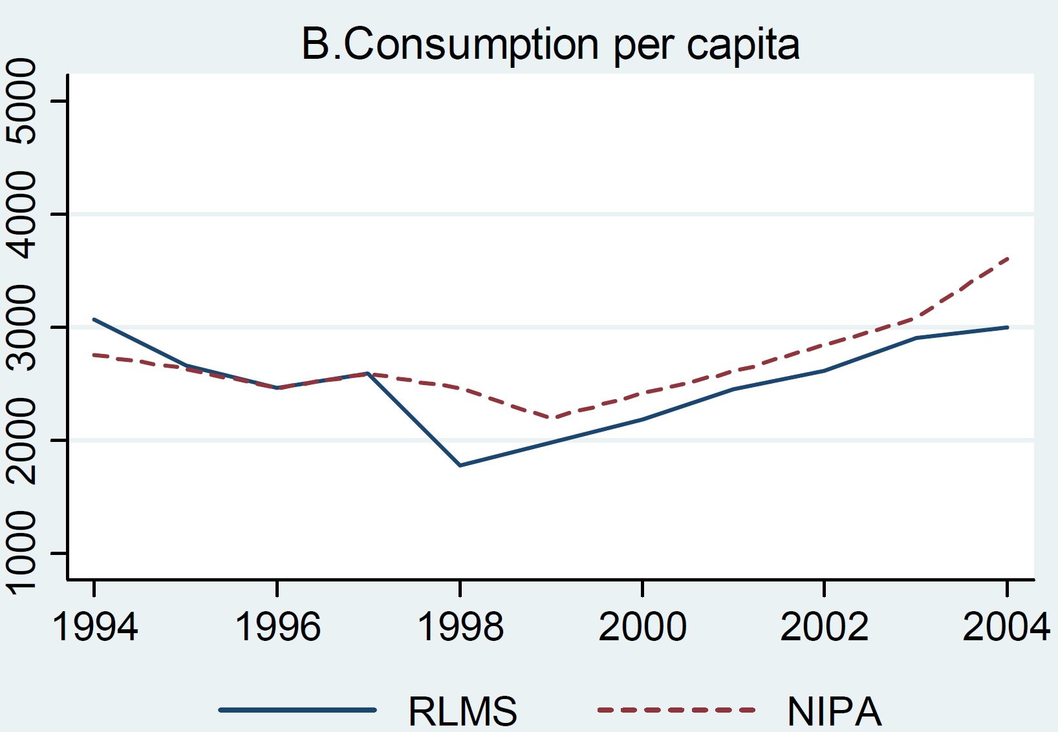

Source: Gorodnichenko, Y., K. Sabirianova Peter, and D. Stolyarov (2010). Inequality and volatility moderation in russia: Evidence from micro-level panel data on consumption and income. Review of Economic Dynamics 13(1), 209–237.

FigA1c Retail Sales Comparison
Vodka/Beer Ratio
 | Retail Sales | RLMS
1994 | 6.05 | 7.94
1995 | 5.25 | 7.84
1996 | 4.65 | 6.90
1997 | 4.17
1998 | 4.26 | 4.49
1999 | 3.96
2000 | 3.27 | 2.78
2001 | 2.64 | 1.85
2002 | 2.39 | 1.66
2003 | 2.27 | 1.55
2004 | 2.09 | 1.51
2005 | 1.82 | 1.48
2006 | 1.57 | 1.26
2007 | 1.28 | 1.13
2008 | 1.25 | 1.28
2009 | 1.30 | 1.24
2010 | 1.26 | 1.27
2011 | 1.24 | 1.29

FigA7a Research Design
1970 | 0.37
1971 | 0.36
1972 | 0.35
1973 | 0.34
1974 | 0.32
1975 | 0.30
1976 | 0.30
1977 | 0.30
1978 | 0.30
1979 | 0.30
1980 | 0.31
1981 | 0.32
1982 | 0.32
1983 | 0.32
1984 | 0.30
1985 | 0.36
1986 | 0.53
1987 | 0.65
1988 | 0.62
1989 | 0.56
1990 | 0.55
1991 | 0.41
1992 | 0.41
1993 | 0.42
1994 | 0.36
1995 | 0.33
1996 | 0.29
1997 | 0.24
1998 | 0.24

FigA8b Empirical Kernel
Source: See do-file 'Gorbachev_relative_intent_to_treat_with_samogon_in_urban_areas_using_BhattacharyaEtal2013.do'

year | br
1980 | 21.58929 | 19.31633375 |  | 0
1981 | 18.75965 |  |  | 0
1982 | 21.00094 |  |  | 0
1983 | 21.8038 |  |  | 0
1984 | 17.86598 |  |  | 0
1985 | 16.71595 |  |  | 0
1986 | 39.95341 |  | 20.63707625 | 0.23156994645
1987 | 40.06841 |  | 20.75207625 | 0.23286036877
1988 | 38.58809 |  | 19.27175625 | 0.21624960381
1989 | 36.79987 |  | 17.48353625 | 0.19618387334
1990 | 30.29 |  | 10.97366625 | 0.12313620762
1991 | 23.51149 |  |  | 0
1992 | 13.28357 |  |  | 0

1980 |  | 21.58929 | 0
1981 |  | 18.75965 | 0
1982 |  | 21.00094 | 0
1983 |  | 21.8038 | 0
1984 |  | 17.86598 | 0
1985 |  | 16.71595 | 0
1986 |  | 39.95341 | 0.23156994645
1987 |  | 40.06841 | 0.23286036877
1988 |  | 38.58809 | 0.21624960381
1989 |  | 36.79987 | 0.19618387334
1990 |  | 30.29 | 0.12313620762
1991 |  | 23.51149 | 0
1992 |  | 13.28357 | 0

