Sheet1
 |  | Team Member Comments
Task | Description | Hieu Le | David Hegarty | Thomas Elgawly | Nchor Michael | Yudong Fang
1. Agree on the purpose of the web site. | Discuss the reasons for a theme park operator to have a web site, the people who might look at such a web site and the reasons that they would be looking at the web site. | Reason to have a website: to promote the theme park to attract more visitors, thus increasing revenue from ticket sales and other park services. Audience: Teenagers, young adults, and families with kids looking for entertainment options nearby or as part of vacation planning. | Reason for website: - Ticket Sales - Advertising promotions and deals - Attracting Investors - Providing general information Reasons to visit; Consumer: - New customers looking for tickets, - Ticket Holders looking for more information prior to visit Enterprise: - Tour Operators looking to add ticket to packages - Companies looking for team building or bonus/employee discount options - Suppliers looking for new market leads for goods/services | Reasons for website: 1. Publicity, to show off new rides and attractions through images 2. Sale of tickets online 3. Promote special offers on tickets and special events 4. Theme parks opening hours 5. Theme park information and contact information/customer support 6. Help users who have questions about site through FAQ or direct chat with personnel. Target Audience: - All Age groups as it could be either teenagers/children or parents looking for the rides | Reasons for website: 1. Pubicise Theme and events of the themepark to the world. 2. Making booking into the themepark and other services easier online(Buying tickets and other services). 3. To make help users easily access information about the themepark from any part of the world. 4. Making booking into the themepark and other services easier online(Buying tickets and other services). 5. Give people directions to the park online. 6. Publicise Special Events and Promotions. Audience:- All groups of people. | Reason for website: Advertising, attracting more people and increasing awareness Providing news and basic information about the park Offering online booking Finding partners worldwide Audience： children/ teenagers/ parents/ couples
2. Research theme park web sites. | As a group, choose five different web sites of theme parks. Review the type of information that you find on the sites, and the structure that these sites have to help people find that information. Make a list of the aspects of the sites that you think are a good idea or that work well, and a list of the aspects of the sites that you don't think are so successful. This will give you some insights that you can use when designing your own web site. Keep a record of the discussion in a document. | Knotts Berry Farm: https://www.knotts.com/ The website tells users the story behind the park and how it differs from other parks. It has an easy to follow structure which mirror the workflow anybody would go through when planning a trip to a them park: Explore, Play, Stay, Tickets, Help. The Explore section provides users with general information about the park itself, including the information about sister parks, and other facilities under its trademark. The Play section provides information about the attractions and activities within the park. It lets users to drill down to each specific ride or activity. The Stay section provides users with options for lodging. This information is especially useful for people from out of town. The Tickets section describes different fee options to enter the park including daily tickets, seasonal tickets, and various upgrade options. The Help section addresses any other concerns a user may have that is not already covered in other sections of the webpage. Pros: The website’s navigation is simple and easy to use. Cons: The website looks somewhat outdated compared to websites of other theme parks in the area such as Disneyland, SeaWorld San Diego, and Legoland. The content was not optimized for mobile use. Chunks of texts appear in large font size making it visually unappealing when looking at the website on a mobile device. | Tayto Park - http://www.taytopark.ie/ Type of info on the site: - Ticket Sales - Attractions - Opening Hours - Location - Various Visitor Info and policy sections Structure: - Pages is brightly coloured with summery images and bright simple buttons. - Primary Navigation includes link listings of attractions, park info (location, contact etc.) - Top banner includes logo and title with social media links and purchase options. - Large location and ticket sales buttons split the main page vertically in a banner style - Below this is photographic links and slides inviting exploration of the park - Generic footer type detail at the end. - Each page throughout offers bright colours, photo links with descriptive headings. - Overall minimalistic on text, opting to use photos a bright colours to describe and entice. Good: - Brightly coloured - Descriptive without being wordy - Easy to understand Bad: - Photographs as main method of description could slow page loads and thus lose some custom as a result of general patience at loading times on slower connections | https://www.sixflags.com/ The website landing page is very minimal. it asks you to choose the designated branch of six flags then redirects you to a subdirectory of the selected six flags branch. Then, a few options are displayed, each with an Image giving you a hint of the information each option displays. Example, the online store option is accompanied by the pictures of tickets and passes. The top navigation bar also covers most of the keypoints the website was made for. With links to Park hours, events, ticket prices and more. As for the design, the website has cheerful colours and the selection of the images displayed gives off a very family-friendly atmosphere, considering the target audience are families. | https://www.thorpepark.com/ 1. Tickets and Passes opening a page where shop like display shows tickets to various activities and events with way you could pay through credit card, paypal , bitcoin etc. 2. Plan your visit. opening a page you could book places and results will be sent to user in printed form. 3. Events/Special Events Shows displays a page with events . 4. Services . Being able to book services that could be done online and make known to user others that are at the park. 5. Info on site and detailed info on the sites at the park. 6. Slideshows of Special sites of the park displayed. 7. Learn about theme. 8. Social Media handles 9. Search box with filtering. 10. Register/Login to site. 11. Opening hours/Special Events displayed. 12. Contact Us/Help.Users can have their questions answered about site. 13. A background about the theme to make a good site interface. 14. Share your experiences. A place where visitors can post captivating pics during their visit. 15. Easy navigation. 16. Gallery of Experiences | https://disneyland.disney.go.com/ Ticket order: people can choose which park to go and order tickets Surrounding hotels: people can direct ordering hotel nearby the park Things you can do in the park: introduce dining and activities in the park Member information: annual passports Gift shop: show what people can buy in the park, and offer online shopping Personal information: let people check their own information The landing page is direct, which offers ticket order information, people can choose date and number just like booking a flight ticket. Next to the ticket order bar, the website provides people with several windows to learn about internal play information. The bottom of the website displays several discount options and special offers.
3. Agree on the content for the web site | Agree within the group the theme for your theme park and the types of attractions that you will have for the different visitors that you expect to come to your theme park. Think of any other services that you will provide to visitors (for example food, access to money and medical help). Think of any other information that people looking at your web site will want to know before they come and visit your theme park. Keep a record of the discussion in a document. | TBD by team. Suggested themes: Pokemon theme park, Star Trek World, Flintstone World, Marvel Park, Skull Island Park, The Lost Mayan Kingdom, Kingdom of Pharaohs. Types of attractions: 1) Teenagers and young adults: thrill rides, arcade zone, events. 2) Families: family rides, kiddie rides, playgrounds, character encounters. 3) Everybody: Shows and theatrical performances, interactive exhibitions. Other services: 1) Restaurants, food vendors, and bars. 2) Merchandise sale. 3) Photo services. 4) ATM and money exchange. 5) Ticketing. 6) Membership services. 7) Lodging. | Types of Attractions: - Agreed Pokemon Theme Other Services: - Food & restaurants - ATMs (Cash Point) - Cloak room - Gift shop - Toilets - Catering Functions - Hotel/Travel Packages - Family Packages - Guided Tours - Lost & Found - Ticket Sales & Information Additional Information: - Opening Hours - Park map & Directions - Contact information - Current Vacancies - Members Club - Special Events - Accessibility Information - FAQs - Directions | Voted | Decided | Voted on Pokemon theme park
4. Agree on the structure of the web site | Agree within your group the structure of your web site, with the aim of designing a web site with 3 pages. What information will appear on the main page, and what will appear on the other two pages. Think about how you might present the content, and whether you will have semantic parts such as asides or pop-up windows. Keep a record of the discussion in a document. | TBD once team agrees on Task 1 and 3. Suggested structure: 1) Main page. Provides general information about the park, gives highlights of its features, top attractions, current events, and promotions. Host a navigation bar to other pages. 2) Attractions. Provides information about park attractions. Provides a search/filter utility for users to navigate through attractions. 3) Ticketing. Provides users with options for daily/seasonal ticket purchases. Provides a comparision utility to compare different ticketing options and their benefits. | Suggested Pages: - Main Page: Colourful frontpage imagery with highlighted linking to Ticket/Membership Purchase with overview of top attractions, events and charity donations/ conservation efforts. - Attractions Page: Simple P5 map with images of attractions or locations that when clicked provide more details below on any clickable items? - Charity and Conservation page: Basic outline showing the goodwill activities taken by the park to donate to charities and support convervation. | 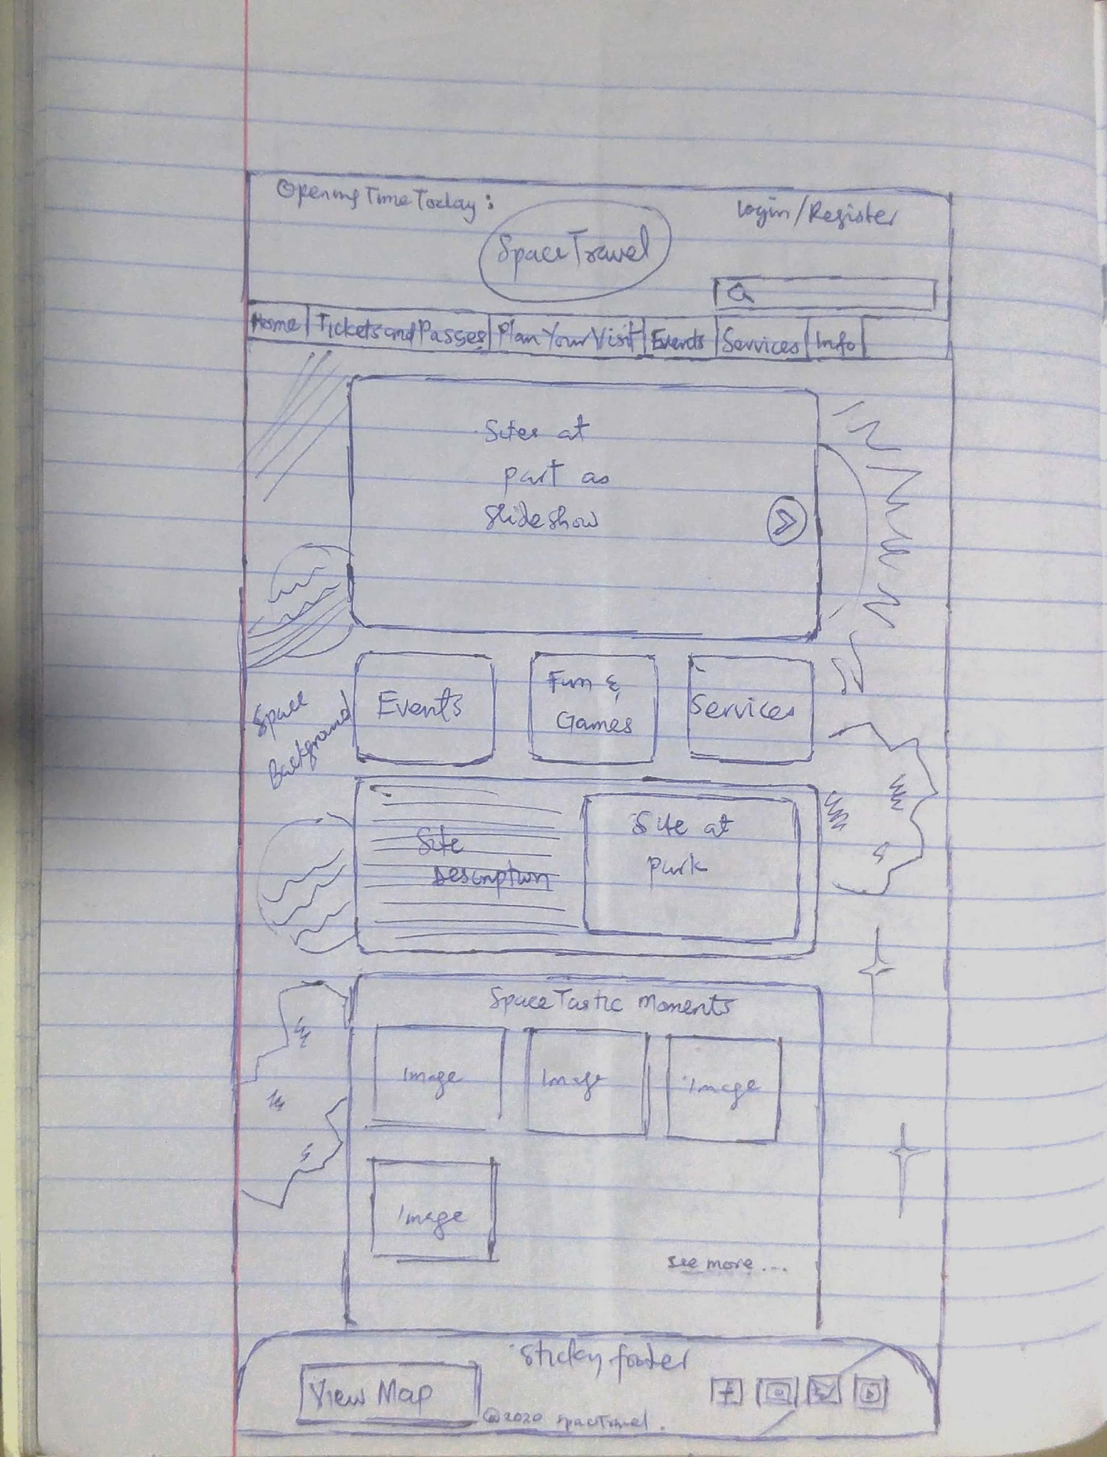 | .1. Main Page : Displays various elemetns of the website withn Slideshow for sites at park and other elements of site. Has footer with View map. which when clicked shows popup of map of Park and directions to Park a Gallery place where you could upload experiences to the homepage under everyother thing in the page where the gallery is. 2. Tickets and Passes page with Tickets opening in a page where shop like display shows tickets to various activities and events and prices under with way you could pay through credit card, paypal , bitcoin etc and you would see a reciept of the purchases as a slip after paying . 3. Info- where you could learn all about site , how to navigate,and detailed info on various sites at park and events, . | 1.Navigation Bar: Provide a directory of the entire website, people can easily find what they want and go to a specific page, such as ticket order, park introduction, and so on. 2.Content: Next to the Navigation bar, the website can display several big posters to attract and help people learn more about the park 3.Special offer information: This park might be at the bottom of the website, and offer several discount options
5. Design the wireframes for the web site | Produce a set of wireframes for the site, showing the concepts for both a wide screen and small screen. These can either be drawn by hand or produced using a tool such as PowerPoint or a graphics package such as Illustrator. Avoid painting or photo-editing software such as Paint or Photoshop as designs produced in this way are difficult to edit. Ensure that the designs are clear and easy to read. | TBD once team agrees on Task 4. |  |  | Example Wireframe

