Data
Rating | Comment | Attachment 1 | Attachment 2
5 | I've ordered through the restaurant's app multiple times, and it has always been a pleasure. The app is easy to use, and the delivery is super fast. The food, especially the Margherita Pizza and Tiramisu, arrives hot and tastes amazing. I can't recommend it enough!" |  | 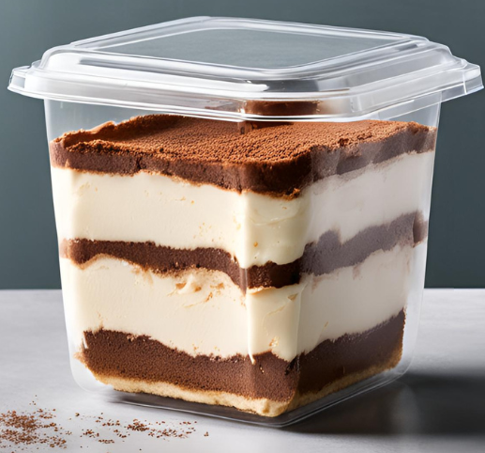
5 | The app ordering process is seamless and convenient. My family loves the Pepperoni Pizza and Chicken Wings. Every time we order, the delivery is prompt, and the food is fresh. The delivery drivers are polite and follow instructions perfectly.
4 | We went to the restaurant for dinner, and the food was delicious. The ambiance was nice, and the staff were friendly. The Chicken Wings and Cheesecake were particularly good. The wait time was a bit long, but it was worth it for the quality of the meal."
5 | Using the app to order from this restaurant is always a great experience. It's straightforward, and the delivery updates keep me informed. I particularly enjoy the BBQ Chicken Pizza and Greek Salad. The service is consistently excellent. | 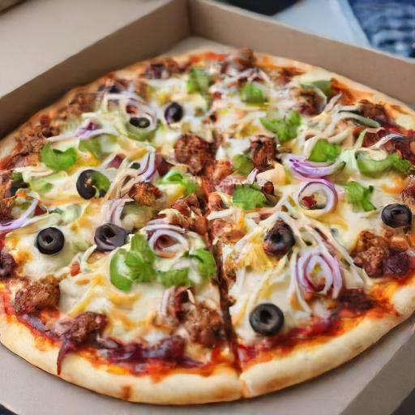
4 | I appreciate how easy it is to order through the app. The delivery is usually fast, and the food is well-packaged. My pizza arrived a bit cold once, but otherwise, the quality has been top-notch. Still a big fan of their service.
4 | The app is very user-friendly, and the order process is quick. The Caesar Salad and Lasagna are my favorites. I've had a few instances where the delivery took longer than expected, but the food always makes up for it. Highly recommend their service!
3 | Ordering through the app was generally a good experience. However, one time my Garlic Bread was missing from the order. Customer service resolved it promptly, but it was a bit of a hassle. Despite this, the rest of the food was delicious.
5 | Dining in at the restaurant is always a treat. The atmosphere is cozy, and the staff are incredibly friendly. The Pepperoni Pizza and Chocolate Cake are to die for. It’s our go-to spot for family dinners.
5 | I visited the restaurant with friends, and we had an amazing time. The service was prompt, and the food was exquisite. We ordered a variety of items including the BBQ Chicken Pizza and Cheesecake, all of which were superb. Will definitely return! | 
4 | The restaurant has a lovely atmosphere and the food is consistently good. I especially enjoy the Caesar Salad and the Lasagna. Sometimes it gets a bit crowded, but the staff handles it well. Overall, a great spot for dining.
5 | The restaurant offers a fantastic dining experience. The ambiance is perfect for a casual meal or a special occasion. The Margherita Pizza and Spaghetti Carbonara were outstanding. The staff made us feel right at home. | 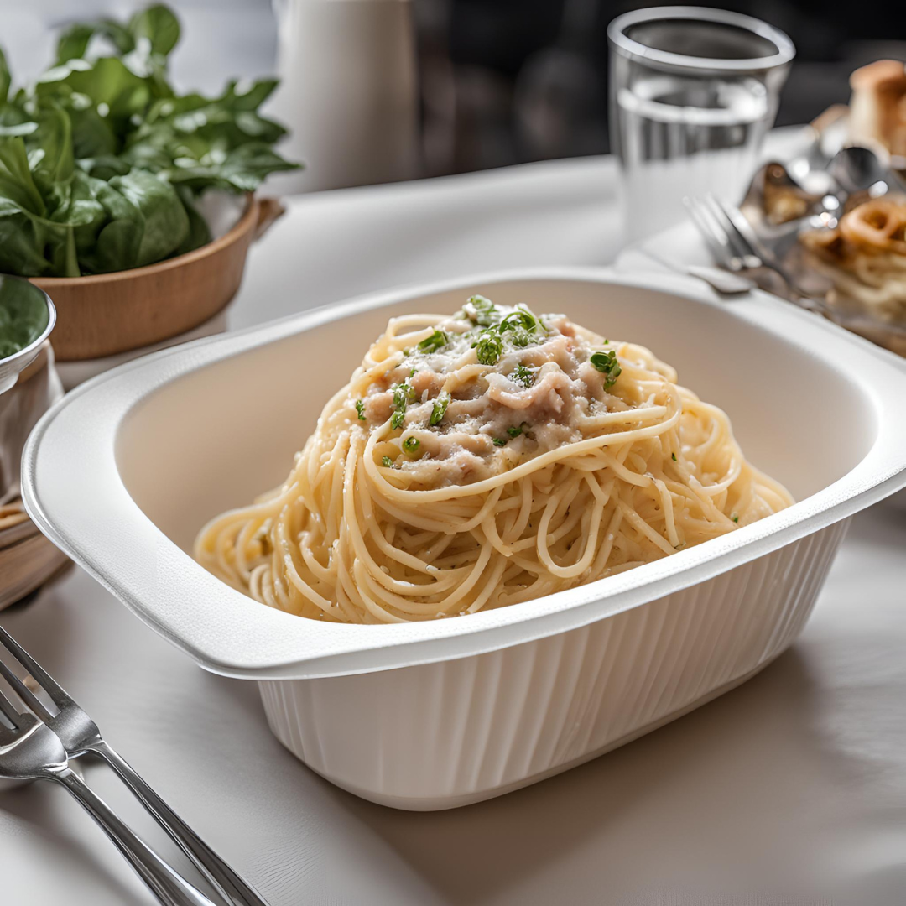
2 | Review: "I was a bit disappointed with my dining experience. The atmosphere was nice, but my order was incorrect, and the service was slow. The Spaghetti Carbonara was tasty, but the wait and mistakes overshadowed the meal. Hopefully, it was just an off day.
5 | I had a wonderful experience dining in at the restaurant. The service was excellent, and the food was delicious. I highly recommend the Pepperoni Pizza and the Tiramisu. It's a great place for both a quick bite and a leisurely meal."
4 | I had a pleasant dining experience at the restaurant. The Caesar Salad was fresh and tasty, and the Garlic Bread was perfect. The service was a bit slow, but the staff was very courteous. Will definitely visit again.
2 | The food arrived cold and the pizza was burned.

