Palouse PTF
1.207712 | 13.6%
1.4 | 19.8%
1.47 | 17.8%
1.5
1.66 | 27.1%
1.71
1.66 | 27.4%
1.37 | 15.9%
1.38 | 15.8%
1.37 | 15.8%
1.51 | 17.7%
1.53 | 17.5%
1.68 | 19.6%
1.65 | 25.7%
1.67 | 26.3%
1.56 | 14.5%
1.81 | 24.1%
1.71 | 24.3%
1.55 | 21.0%
1.523987 | 17.3%
1.77 | 22.6%
1.73 | 23.3%
1.18241 | 9.8%
1.49 | 17.0%
1.48 | 17.4%
1.67 | 19.1%
1.6 | 19.6%
1.207712 | 13.2%
1.270967 | 13.9%
1.63 | 21.9%
1.61 | 22.1%
1.51 | 18.2%
1.4 | 13.2%
1.43 | 17.4%
1.77 | 23.8%
1.79 | 22.9%
1.460732 | 17.3%
...
...
 |  |  |  |  | wp | sat.mc-wp.mc for .3 bar bdense | sat. hydraulic cond. (in./hr) |  |  |  | 0.3 bar |  |  |  |  | dry BD
 |  |  |  |  | 13.6% | 44.1% |  | 16.3% |  |  |  | porosity | wp | fc | awc | Bdense
1.26 | 10.2% | 52.5% | 15.5% | 19.8% | 19.8% | 32.7% | 1.13 | 17.2% | 7.9727777778 |  | 1 | 0.62264150943 | 0.0815 | 0.2591 | 0.1776 | 1
1.37 | 4.0% | 48.3% | 7.8% | 17.8% | 17.8% | 30.5% | 0.38 | 22.7% | 2.6811111111 |  | 1.1 | 0.58490566038 | 0.11083 | 0.28327 | 0.17244 | 1.1 | 0.58490566038 | 0.09435 | 0.29632 | 0.20197 | 1.1 | 0.58490566038 | 0.08936 | 0.27507 | 0.18571 | 1.26 | 1.4 | 0.14
1.43 | 7.8% | 46.0% | 10.4% | 7.9% |  | 38.2% | 0.18 | 27.7% | 1.27 |  | 1.2 | 0.54716981132 | 0.14016 | 0.30744 | 0.16728 | 1.2 | 0.54716981132 | 0.1172 | 0.31004 | 0.19284 | 1.2 | 0.54716981132 | 0.11312 | 0.29244 | 0.17932 | 1.26 | 1.37 | 0.11
1.47 | -2.4% | 44.5% | 4.7% | 27.1% | 27.1% | 17.4% | 0 | 12.6% | 0 |  | 1.3 | 0.50943396226 | 0.16949 | 0.33161 | 0.16212 | 1.3 | 0.50943396226 | 0.14005 | 0.32376 | 0.18371 | 1.3 | 0.50943396226 | 0.13688 | 0.30981 | 0.17293 | 1.27 | 1.4 | 0.13
1.54 | -4.4% | 41.9% | 2.0% | 30.9% |  | 11.0% | 0.07 | 9.0% | 0.49388888889 |  | 1.4 | 0.47169811321 | 0.19882 | 0.35578 | 0.15696 | 1.4 | 0.47169811321 | 0.1629 | 0.33748 | 0.17458 | 1.4 | 0.47169811321 | 0.16064 | 0.32718 | 0.16654 | 1.27 | 1.43 | 0.16
1.46 | 5.0% | 44.9% | 12.6% | 27.4% | 27.4% | 17.5% | 0.12 | 5.0% | 0.84666666667 |  | 1.5 | 0.43396226415 | 0.22815 | 0.37995 | 0.1518 | 1.5 | 0.43396226415 | 0.18575 | 0.3512 | 0.16545 | 1.5 | 0.43396226415 | 0.1844 | 0.34455 | 0.16015 | 1.28 | 1.38 | 0.1
 |  |  |  |  |  |  |  |  |  |  | 1.6 | 0.39622641509 | 0.25748 | 0.36622641509 | 0.10874641509 | 1.6 | 0.39622641509 | 0.2086 | 0.36492 | 0.15632 | 1.6 | 0.39622641509 | 0.20816 | 0.36192 | 0.15376 | 1.29 | 1.43 | 0.14
 |  |  |  |  |  |  |  |  |  |  | 1.7 | 0.35849056604 | 0.28681 | 0.32849056604 | 0.041680566038 | 1.7 | 0.35849056604 | 0.23145 | 0.32849056604 | 0.097040566038 | 1.7 | 0.35849056604 | 0.23192 | 0.32849056604 | 0.096570566038 | 1.34 | 1.48 | 0.14
1.24 | 14.2% | 53.2% | 19.1% | 15.9% | 15.9% | 37.3% | 0.76 | 18.1% | 5.3622222222 |  |  |  |  |  |  |  |  |  |  |  |  |  |  |  |  | 1.34 | 1.51 | 0.17
1.28 | 11.9% | 51.7% | 15.7% | 15.8% | 15.8% | 35.9% | 0.575 | 20.2% | 4.0569444444 |  |  |  |  |  |  |  |  |  |  |  |  |  |  |  |  | 1.35 | 1.49 | 0.14
1.207712 | 29.9%
1.4 | 37.0%
1.47 | 40.5%
1.5 | 35.6%
1.66 | 39.8%
1.71 | 39.9%
1.66 | 32.4%
 | 0.0%
1.37 | 34.1%
1.38 | 36.0%
1.37 | 35.1%
1.51 | 38.4%
1.53 | 37.3%
1.68 | 41.1%
1.65 | 42.1%
1.67 | 40.6%
 | 0.0%
 | 0.0%
1.56 | 31.3%
1.81 | 40.0%
1.71 | 39.3%
1.55 | 35.2%
 | 0.0%
1.523987 | 33.2%
1.77 | 36.3%
1.73 | 37.1%
 | 0.0%
1.18241 | 28.3%
1.49 | 30.0%
1.48 | 33.3%
1.67 | 36.8%
1.6 | 37.3%
 | 0.0%
1.207712 | 30.5%
1.270967 | 31.4%
1.63 | 37.3%
1.61 | 37.1%
1.51 | 34.2%
 | 0.0%
1.4 | 31.2%
1.43 | 28.5%
1.77 | 35.2%
1.79 | 37.4%
1.460732 | 26.7%
...
1.26 | 13.2% | 52.5% | 17.4% | 15.8% | 15.8% | 36.7% | 1.17 | 19.3% | 8.255 |  |  |  |  |  |  |  |  |  |  |  |  |  |  |  |  | 1.37 | 1.47 | 0.1
1.24 | 0.13
1.26 | 0.14
1.26 | 0.11
1.27 | 0.13
1.27 | 0.16
1.28 | 0.1
1.29 | 0.14
1.34 | 0.14
1.34 | 0.17
1.35 | 0.14
1.37 | 0.1
1.39 | 0.14
1.39 | 0.16
1.41 | 0.15
1.42 | 0.09
1.43 | 0.07
1.43 | 0.18
1.46 | 0.2
1.46 | 0.35
1.46 | 0.14
1.46 | 0.17
1.47 | 0.19
1.48 | 0.21
1.49 | 0.16
1.49 | 0.28
1.5 | 0.18
1.51 | 0.16
1.51 | 0.16
1.51 | 0.26
1.51 | 0.29
1.54 | 0.17
1.54 | 0.19
1.58 | 0.13
1.59 | 0.2
1.42 | 4.7% | 46.4% | 8.1% | 17.7% | 17.7% | 28.7% | 0.07 | 20.7% | 0.49388888889 |  |  |  |  |  |  |  |  |  |  |  |  |  |  |  |  | 1.39 | 1.53 | 0.14
1.39 | 5.0% | 47.5% | 10.3% | 17.5% | 17.5% | 30.0% | 0.15 | 19.8% | 1.0583333333 |  |  |  |  |  |  |  |  |  |  |  |  |  |  |  |  | 1.39 | 1.55 | 0.16
1.5 | -4.5% | 43.4% | 2.3% | 19.6% | 19.6% | 23.8% | 0.02 | 21.5% | 0.14111111111 |  |  |  |  |  |  |  |  |  |  |  |  |  |  |  |  | 1.41 | 1.56 | 0.15
 | porosity | wp | fc | awc
1 | 0.62264150943 | 0.0715 | 0.2826 | 0.2111
1.1 | 0.58490566038 | 0.09435 | 0.29632 | 0.20197
1.2 | 0.54716981132 | 0.1172 | 0.31004 | 0.19284
1.3 | 0.50943396226 | 0.14005 | 0.32376 | 0.18371
1.4 | 0.47169811321 | 0.1629 | 0.33748 | 0.17458
1.5 | 0.43396226415 | 0.18575 | 0.3512 | 0.16545
1.6 | 0.39622641509 | 0.2086 | 0.36492 | 0.15632
1.7 | 0.35849056604 | 0.23145 | 0.32849056604 | 0.097040566038
 | porosity | wp | fc | awc
1 | 0.62264150943 | 0.0656 | 0.2577 | 0.1921
1.1 | 0.58490566038 | 0.08936 | 0.27507 | 0.18571
1.2 | 0.54716981132 | 0.11312 | 0.29244 | 0.17932
1.3 | 0.50943396226 | 0.13688 | 0.30981 | 0.17293
1.4 | 0.47169811321 | 0.16064 | 0.32718 | 0.16654
1.5 | 0.43396226415 | 0.1844 | 0.34455 | 0.16015
1.6 | 0.39622641509 | 0.20816 | 0.36192 | 0.15376
1.7 | 0.35849056604 | 0.23192 | 0.32849056604 | 0.096570566038
1.49 | -4.4% | 43.8% | 1.7% | 25.7% | 25.7% | 18.1% | 0 | 16.5% | 0 |  |  |  |  |  |  |  |  |  |  |  |  |  |  |  |  | 1.42 | 1.51 | 0.09
1.51 | -3.7% | 43.0% | 2.4% | 26.3% | 26.3% | 16.8% | 0 | 14.4% | 0 |  | 1/3 bar relationships |  |  |  |  |  |  |  |  |  |  |  |  |  |  | 1.43 | 1.5 | 0.07
 |  |  |  |  |  |  |  |  |  |  |  |  |  |  |  |  |  |  |  |  |  |  |  |  |  | 1.43 | 1.61 | 0.18
 |  |  |  |  |  |  |  |  |  |  |  |  |  |  |  |  |  |  |  |  |  |  |  |  |  | 1.46 | 1.66 | 0.2
 |  |  |  |  |  |  |  |  |  |  |  |  |  |  |  |  |  |  |  |  |  |  |  |  |  | 1.46 | 1.81 | 0.35
1.41 | 9.8% | 46.8% | 15.5% | 14.5% | 14.5% | 32.3% | 0.52 | 16.8% | 3.6688888889 |  |  |  |  |  |  |  |  |  |  |  |  |  |  |  |  | 1.46 | 1.6 | 0.14
1.46 | -8.3% | 44.9% | 4.9% | 24.1% | 24.1% | 20.8% | 0 | 15.9% | 0 |  |  |  |  |  |  |  |  |  |  |  |  |  |  |  |  | 1.46 | 1.63 | 0.17
1.58 | -3.8% | 40.4% | 1.1% | 24.3% | 24.3% | 16.1% | 0 | 15.0% | 0 |  |  |  |  |  |  |  |  |  |  |  |  |  |  |  |  | 1.47 | 1.66 | 0.19
1.39 | 6.3% | 47.5% | 12.3% | 21.0% | 21.0% | 26.5% | 0 | 14.2% | 0 |  |  |  |  |  |  |  |  |  |  |  |  |  |  |  |  | 1.48 | 1.69 | 0.21
 |  |  |  |  |  |  |  |  |  |  |  |  |  |  |  |  |  |  |  |  |  |  |  |  |  | 1.49 | 1.65 | 0.16
 |  |  |  |  |  |  |  |  |  |  |  |  |  |  |  |  |  |  |  |  |  |  |  |  |  | 1.49 | 1.77 | 0.28
1.37 |  | 48.3% | 15.1% | 17.3% | 17.3% | 31.0% |  | 15.9% | 0 |  |  |  |  |  |  |  |  |  |  |  |  |  |  |  |  | 1.5 | 1.68 | 0.18
1.49 | -3.1% | 43.8% | 7.5% | 22.6% | 22.6% | 21.1% | 0 | 13.6% | 0 |  |  |  |  |  |  |  |  |  |  |  |  |  |  |  |  | 1.51 | 1.67 | 0.16
1.54 | -2.3% | 41.9% | 4.8% | 23.3% | 23.3% | 18.6% | 0.08 | 13.7% | 0.56444444444 |  |  |  |  |  |  |  |  |  |  |  |  |  |  |  |  | 1.51 | 1.67 | 0.16
 |  |  |  |  |  |  |  |  |  |  |  |  |  |  |  |  |  |  |  |  |  |  |  |  |  | 1.51 | 1.77 | 0.26
 |  |  |  |  |  |  |  |  |  |  |  |  |  |  |  |  |  |  |  |  |  |  |  |  |  | 1.51 | 1.8 | 0.29
1.1 |  | 58.5% | 30.2% | 9.8% | 9.8% | 48.7% |  | 18.5% | 0 |  |  |  |  |  |  |  |  |  |  |  |  |  |  |  |  | 1.54 | 1.71 | 0.17
1.35 | 13.8% | 49.1% | 19.1% | 17.0% | 17.0% | 32.0% | 0.17 | 13.0% | 1.1994444444 |  |  |  |  |  |  |  |  |  |  |  |  |  |  |  |  | 1.54 | 1.73 | 0.19
 | awc | awc
1 | 0.1776 | 0.2111
1.1 | 0.17244 | 0.20197
1.2 | 0.16728 | 0.19284
1.3 | 0.16212 | 0.18371
1.4 | 0.15696 | 0.17458
1.5 | 0.1518 | 0.16545
1.6 | 0.10874641509 | 0.15632
1.7 | 0.041680566038 | 0.097040566038
1.34 | 10.8% | 49.4% | 16.1% | 17.4% | 17.4% | 32.1% | 0.43 | 16.0% | 3.0338888889 |  |  |  |  |  |  |  |  |  |  |  |  |  |  |  |  | 1.58 | 1.71 | 0.13
1.51 | 0.2% | 43.0% | 6.2% | 19.1% | 19.1% | 23.9% | 0.13 | 17.7% | 0.91722222222 |  |  |  |  |  |  |  |  |  |  |  |  |  |  |  |  | 1.59 | 1.79 | 0.2
1.46 | 2.3% | 44.9% | 7.6% | 19.6% | 19.6% | 25.3% | 0.09 | 17.8% | 0.635
...
1.12 |  | 57.7% | 27.2% | 13.2% | 13.2% | 44.5% |  | 17.4% | 0
...
 |  |  |  |  |  |  |  |  |  | .1737x+.084
...
1.24 | 1.37
1.26 | 1.4
1.26 | 1.37
1.27 | 1.4
1.27 | 1.43
1.28 | 1.38
1.29 | 1.43
1.34 | 1.48
1.34 | 1.51
1.35 | 1.49
1.37 | 1.47
1.39 | 1.53
1.39 | 1.55
1.41 | 1.56
1.42 | 1.51
1.43 | 1.5
1.43 | 1.61
1.46 | 1.66
1.46 | 1.81
1.46 | 1.6
1.46 | 1.63
1.47 | 1.66
1.48 | 1.69
1.49 | 1.65
1.49 | 1.77
1.5 | 1.68
1.51 | 1.67
1.51 | 1.67
1.51 | 1.77
1.51 | 1.8
1.54 | 1.71
1.54 | 1.73
1.58 | 1.71
1.59 | 1.79
...
1.4 | 7.9727777778
1.47 | 2.6811111111
1.5 | 1.27
1.66 | 0
1.71 | 0.49388888889
1.66 | 0.84666666667
1.37 | 5.3622222222
1.38 | 4.0569444444
1.37 | 8.255
1.51 | 0.49388888889
1.53 | 1.0583333333
1.68 | 0.14111111111
1.65 | 0
1.67 | 0
1.56 | 3.6688888889
1.81 | 0
1.71 | 0
1.55 | 0
 | 0
1.77 | 0
1.73 | 0.56444444444
 | 0
1.49 | 1.1994444444
1.48 | 3.0338888889
1.67 | 0.91722222222
1.6 | 0.635
 | 0
 | 0
1.63 | 1.6227777778
1.61 | 0.84666666667
1.51 | 1.6227777778
1.4 | 3.5983333333
1.43 | 3.5277777778
1.77 | 0.49388888889
1.79 | 0.28222222222
 | 0
...

Soil_Moisture
Giddings probe correction for BD at 4 ft. and 5 ft.:
$BD_{C}=(GWC_{MAX}$+1/2.65)^-1

 |  |  |  |  |  | Bulk Density (BD)
 | Microsite
Depth (ft.) | J1 | J2 | J3 | J4 | J5 | J6 | J7 | J8
1 | 1.1900884553 | 1.2610818755 | 1.2779736675 | 1.3743876689 | 1.2202615799 | 1.3871163802 | 1.5004037529 | 1.2837577707
2 | 1.4458416069 | 1.4587913667 | 1.1529707226 | 1.4973274941 | 1.4843593136 | 1.3965477842 | 1.4664543825 | 1.4075449487
3 | 1.5374162243 | 1.5782128362 | 1.2497347175 | 1.6398669559 | 1.5766654964 | 1.2770342112 | 1.4884671321 | 1.5106272475
4 | 1.6638954816 | 1.68205247 | 1.6164165648 | 1.6756863943 | 1.6487992249 | 1.293482599 | 1.6121096544 | 1.6904334381
5 | 1.667879829 | 1.706937863 | 1.6517011737 | 1.6841632616 | 1.5707728996 | 1.5510373587 | 1.7025246822 | 1.6709491417
...

soil.depth
...
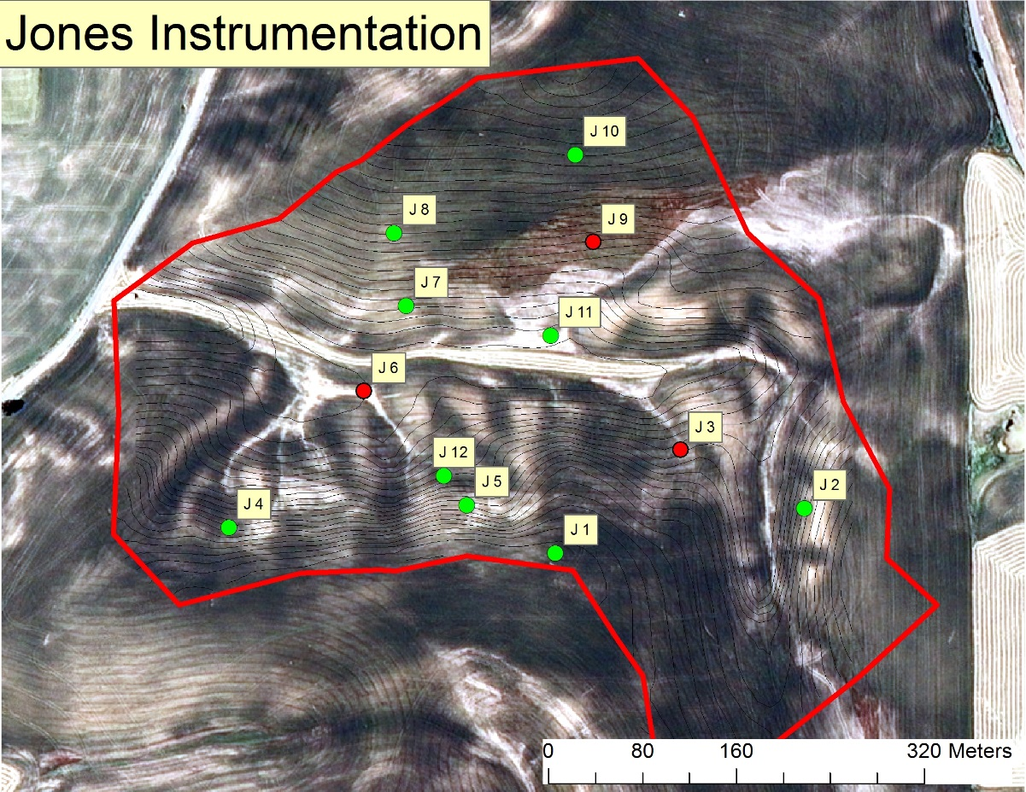
J7 | J8 | J9 | J10 | J11 | J12
30.098560288 | 29.587734239 | 28.296249688 | 27.303843699 | 34.174037547 | 22.354690043
37.020358086 | 26.063270001 | 30.92765657 | 25.789390191 | 29.677673346 | 24.709536051
40.707380702 | 33.014602606 | 38.336228861 | 27.20216528 | 34.409485279 | 43.45087015
38.697491541 | 32.520488762 | 37.040718957 | 28.474376859 | 40.143431525 | 34.79454211
40.152529901 | 32.271977366 | 35.733067368 | 31.622757091 | 36.706929351 | 33.253144659
37.335264103 | 30.691614595 | 34.066784289 | 28.078506624 | 35.02231141 | 31.712556603
...
J7 | J8 | J9 | J10 | J11 | J12
1.5546200567 | 1.390040449 | 1.484072726 | 1.1610560502 | 1.4880824951 | 1.3511258537
1.7878307862 | 1.4084308498 | 1.5261779066 | 1.0553045256 | 1.3957665342 | 1.3451479372
1.5888514078 | 1.5990282528 | 1.6052459275 | 1.5776809774 | 1.5229619771 | 1.4913655013
1.6487296183 | 1.6904334381 | 1.6199240686 | 1.6850278702 | 1.5735293727 | 1.6588427691
1.7178326318 | 1.6709491417 | 1.6559909342 | 1.7021699627 | 1.670798501 | 1.6932588463
1.6595729002 | 1.5517764263 | 1.5782823126 | 1.4362478772 | 1.530227776 | 1.5079481815
30 | 1.66
J7 | J8 | J9 | J10 | J11 | J12
2 | 4 | 5 | 5 | 5 | 5
2 | 3 | 3 | 3 | 3 | 3
2 | 3 | 3 | 5 |  | 4
2 | 3 | 3 | 5 | 4 | 3
 |  |  |  |  |  | perched water
2 | 3 | 3 | 4 | 4 | 3 | wettest>driest
 |  |  |  |  |  | 11>9>7>5>3>4>12>6>2>8>1>10
J7 | J8 | J9 | J10 | J11 | J12
46 | 29 | 40 | 32 | 34 | 30 | high clay>low clay
117 | 74 | 102 | 81 | 86 | 76 | 7>11>9>2>5>3>12>8>4>6>1>10

 |  |  |  |  |  | high BD>low BD
 |  |  |  |  |  | 7>4>5>2>9>1>8>11>12>6>3>10
...

