Palouse_PTF
...
1.12 | 13.6%
1.26 | 19.8%
1.37 | 17.8%
1.43 | 7.9%
1.47 | 27.1%
1.54 | 30.9%
1.46 | 27.4%
1.24 | 15.9%
1.28 | 15.8%
1.26 | 15.8%
1.42 | 17.7%
1.39 | 17.5%
1.5 | 19.6%
1.49 | 25.7%
1.51 | 26.3%
1.41 | 14.5%
1.46 | 24.1%
1.58 | 24.3%
1.39 | 21.0%
1.37 | 17.3%
1.49 | 22.6%
1.54 | 23.3%
1.1 | 9.8%
1.35 | 17.0%
1.34 | 17.4%
1.51 | 19.1%
1.46 | 19.6%
1.12 | 13.2%
1.17 | 13.9%
1.46 | 21.9%
1.43 | 22.1%
1.34 | 18.2%
1.27 | 13.2%
1.27 | 17.4%
1.51 | 23.8%
1.59 | 22.9%
1.32 | 17.3%
...
 |  |  |  |  | sat.mc-wp.mc for .3 bar bdense | sat. hydraulic cond. (in./hr) |  |  |  | 0.3 bar
 |  |  |  |  | 44.1% |  | 16.3% |  |  |  | porosity | wp | fc | awc
 |  |  |  |  | 32.7% | 1.13 | 17.2% | 2.8702 |  | 1 | 0.62264150943 | 0.0815 | 0.2591 | 0.1776
 |  |  |  |  | 30.5% | 0.38 | 22.7% | 0.9652 |  | 1.1 | 0.58490566038 | 0.11083 | 0.28327 | 0.17244 | 1.1 | 0.58490566038 | 0.09435 | 0.29632 | 0.20197 | 1.1 | 0.58490566038 | 0.08936 | 0.27507 | 0.18571 | 1.26 | 1.4 | 0.14
 |  |  |  |  | 38.2% | 0.18 | 27.7% | 0.4572 |  | 1.2 | 0.54716981132 | 0.14016 | 0.30744 | 0.16728 | 1.2 | 0.54716981132 | 0.1172 | 0.31004 | 0.19284 | 1.2 | 0.54716981132 | 0.11312 | 0.29244 | 0.17932 | 1.26 | 1.37 | 0.11
 |  |  |  |  | 17.4% | 0 | 12.6% | 0 |  | 1.3 | 0.50943396226 | 0.16949 | 0.33161 | 0.16212 | 1.3 | 0.50943396226 | 0.14005 | 0.32376 | 0.18371 | 1.3 | 0.50943396226 | 0.13688 | 0.30981 | 0.17293 | 1.27 | 1.4 | 0.13
 |  |  |  |  | 11.0% | 0.07 | 9.0% | 0.1778 |  | 1.4 | 0.47169811321 | 0.19882 | 0.35578 | 0.15696 | 1.4 | 0.47169811321 | 0.1629 | 0.33748 | 0.17458 | 1.4 | 0.47169811321 | 0.16064 | 0.32718 | 0.16654 | 1.27 | 1.43 | 0.16
 |  |  |  |  | 17.5% | 0.12 | 5.0% | 0.3048 |  | 1.5 | 0.43396226415 | 0.22815 | 0.37995 | 0.1518 | 1.5 | 0.43396226415 | 0.18575 | 0.3512 | 0.16545 | 1.5 | 0.43396226415 | 0.1844 | 0.34455 | 0.16015 | 1.28 | 1.38 | 0.1
 |  |  |  |  |  |  | #VALUE! | 0 |  | 1.6 | 0.39622641509 | 0.25748 | 0.36622641509 | 0.10874641509 | 1.6 | 0.39622641509 | 0.2086 | 0.36492 | 0.15632 | 1.6 | 0.39622641509 | 0.20816 | 0.36192 | 0.15376 | 1.29 | 1.43 | 0.14
 |  |  |  |  |  |  | #VALUE! | 0 |  | 1.7 | 0.35849056604 | 0.28681 | 0.32849056604 | 0.041680566038 | 1.7 | 0.35849056604 | 0.23145 | 0.32849056604 | 0.097040566038 | 1.7 | 0.35849056604 | 0.23192 | 0.32849056604 | 0.096570566038 | 1.34 | 1.48 | 0.14
 |  |  |  |  | 37.3% | 0.76 | 18.1% | 1.9304 |  |  |  |  |  |  |  |  |  |  |  |  |  |  |  |  | 1.34 | 1.51 | 0.17
1.28 | 11.9% | 51.7% | 15.7% | 15.8% | 35.9% | 0.575 | 20.2% | 1.4605 |  |  |  |  |  |  |  |  |  |  |  |  |  |  |  |  | 1.35 | 1.49 | 0.14
1.26 | 13.2% | 52.5% | 17.4% | 15.8% | 36.7% | 1.17 | 19.3% | 2.9718 |  |  |  |  |  |  |  |  |  |  |  |  |  |  |  |  | 1.37 | 1.47 | 0.1
1.24 | 0.13
1.26 | 0.14
1.26 | 0.11
1.27 | 0.13
1.27 | 0.16
1.28 | 0.1
1.29 | 0.14
1.34 | 0.14
1.34 | 0.17
1.35 | 0.14
1.37 | 0.1
1.39 | 0.14
1.39 | 0.16
1.41 | 0.15
1.42 | 0.09
1.43 | 0.07
1.43 | 0.18
1.46 | 0.2
1.46 | 0.35
1.46 | 0.14
1.46 | 0.17
1.47 | 0.19
1.48 | 0.21
1.49 | 0.16
1.49 | 0.28
1.5 | 0.18
1.51 | 0.16
1.51 | 0.16
1.51 | 0.26
1.51 | 0.29
1.54 | 0.17
1.54 | 0.19
1.58 | 0.13
1.59 | 0.2
1.42 | 4.7% | 46.4% | 8.1% | 17.7% | 28.7% | 0.07 | 20.7% | 0.1778 |  |  |  |  |  |  |  |  |  |  |  |  |  |  |  |  | 1.39 | 1.53 | 0.14
1.39 | 5.0% | 47.5% | 10.3% | 17.5% | 30.0% | 0.15 | 19.8% | 0.381 |  |  |  |  |  |  |  |  |  |  |  |  |  |  |  |  | 1.39 | 1.55 | 0.16
1.5 | -4.5% | 43.4% | 2.3% | 19.6% | 23.8% | 0.02 | 21.5% | 0.0508 |  |  |  |  |  |  |  |  |  |  |  |  |  |  |  |  | 1.41 | 1.56 | 0.15
 | porosity | wp | fc | awc
1 | 0.62264150943 | 0.0715 | 0.2826 | 0.2111
1.1 | 0.58490566038 | 0.09435 | 0.29632 | 0.20197
1.2 | 0.54716981132 | 0.1172 | 0.31004 | 0.19284
1.3 | 0.50943396226 | 0.14005 | 0.32376 | 0.18371
1.4 | 0.47169811321 | 0.1629 | 0.33748 | 0.17458
1.5 | 0.43396226415 | 0.18575 | 0.3512 | 0.16545
1.6 | 0.39622641509 | 0.2086 | 0.36492 | 0.15632
1.7 | 0.35849056604 | 0.23145 | 0.32849056604 | 0.097040566038
 | porosity | wp | fc | awc
1 | 0.62264150943 | 0.0656 | 0.2577 | 0.1921
1.1 | 0.58490566038 | 0.08936 | 0.27507 | 0.18571
1.2 | 0.54716981132 | 0.11312 | 0.29244 | 0.17932
1.3 | 0.50943396226 | 0.13688 | 0.30981 | 0.17293
1.4 | 0.47169811321 | 0.16064 | 0.32718 | 0.16654
1.5 | 0.43396226415 | 0.1844 | 0.34455 | 0.16015
1.6 | 0.39622641509 | 0.20816 | 0.36192 | 0.15376
1.7 | 0.35849056604 | 0.23192 | 0.32849056604 | 0.096570566038
1.49 | -4.4% | 43.8% | 1.7% | 25.7% | 18.1% | 0 | 16.5% | 0 |  |  |  |  |  |  |  |  |  |  |  |  |  |  |  |  | 1.42 | 1.51 | 0.09
1.51 | -3.7% | 43.0% | 2.4% | 26.3% | 16.8% | 0 | 14.4% | 0 |  | 1/3 bar relationships |  |  |  |  |  |  |  |  |  |  |  |  |  |  | 1.43 | 1.5 | 0.07
 |  |  |  |  |  |  | #VALUE! | 0 |  |  |  |  |  |  |  |  |  |  |  |  |  |  |  |  | 1.43 | 1.61 | 0.18
 |  |  |  |  |  |  | #VALUE! | 0 |  |  |  |  |  |  |  |  |  |  |  |  |  |  |  |  | 1.46 | 1.66 | 0.2
 |  |  |  |  |  |  | #VALUE! | 0 |  |  |  |  |  |  |  |  |  |  |  |  |  |  |  |  | 1.46 | 1.81 | 0.35
1.1 | 28.3%
1.35 | 30.0%
1.34 | 33.3%
1.51 | 36.8%
1.46 | 37.3%
 | 0.0%
1.12 | 30.5%
1.17 | 31.4%
1.46 | 37.3%
1.43 | 37.1%
1.34 | 34.2%
 | 0.0%
1.27 | 31.2%
1.27 | 28.5%
1.51 | 35.2%
1.59 | 37.4%
1.32 | 26.7%
 | 0.0%
1.11 | 24.3%
1.29 | 29.2%
1.51 | 38.4%
1.48 | 40.4%
1.41 | 9.8% | 46.8% | 15.5% | 14.5% | 32.3% | 0.52 | 16.8% | 1.3208 |  |  |  |  |  |  |  |  |  |  |  |  |  |  |  |  | 1.46 | 1.6 | 0.14
1.46 | -8.3% | 44.9% | 4.9% | 24.1% | 20.8% | 0 | 15.9% | 0 |  |  |  |  |  |  |  |  |  |  |  |  |  |  |  |  | 1.46 | 1.63 | 0.17
1.58 | -3.8% | 40.4% | 1.1% | 24.3% | 16.1% | 0 | 15.0% | 0 |  |  |  |  |  |  |  |  |  |  |  |  |  |  |  |  | 1.47 | 1.66 | 0.19
1.39 | 6.3% | 47.5% | 12.3% | 21.0% | 26.5% | 0 | 14.2% | 0 |  |  |  |  |  |  |  |  |  |  |  |  |  |  |  |  | 1.48 | 1.69 | 0.21
 |  |  |  |  |  |  | #VALUE! | 0 |  |  |  |  |  |  |  |  |  |  |  |  |  |  |  |  | 1.49 | 1.65 | 0.16
 |  |  |  |  |  |  | #VALUE! | 0 |  |  |  |  |  |  |  |  |  |  |  |  |  |  |  |  | 1.49 | 1.77 | 0.28
1.37 |  | 48.3% | 15.1% | 17.3% | 31.0% |  | 15.9% | 0 |  |  |  |  |  |  |  |  |  |  |  |  |  |  |  |  | 1.5 | 1.68 | 0.18
1.49 | -3.1% | 43.8% | 7.5% | 22.6% | 21.1% | 0 | 13.6% | 0 |  |  |  |  |  |  |  |  |  |  |  |  |  |  |  |  | 1.51 | 1.67 | 0.16
1.54 | -2.3% | 41.9% | 4.8% | 23.3% | 18.6% | 0.08 | 13.7% | 0.2032 |  |  |  |  |  |  |  |  |  |  |  |  |  |  |  |  | 1.51 | 1.67 | 0.16
 |  |  |  |  |  |  | #VALUE! | 0 |  |  |  |  |  |  |  |  |  |  |  |  |  |  |  |  | 1.51 | 1.77 | 0.26
 |  |  |  |  |  |  | #VALUE! | 0 |  |  |  |  |  |  |  |  |  |  |  |  |  |  |  |  | 1.51 | 1.8 | 0.29
1.1 |  | 58.5% | 30.2% | 9.8% | 48.7% |  | 18.5% | 0 |  |  |  |  |  |  |  |  |  |  |  |  |  |  |  |  | 1.54 | 1.71 | 0.17
1.35 | 13.8% | 49.1% | 19.1% | 17.0% | 32.0% | 0.17 | 13.0% | 0.4318 |  |  |  |  |  |  |  |  |  |  |  |  |  |  |  |  | 1.54 | 1.73 | 0.19
 | awc | awc
1 | 0.1776 | 0.2111
1.1 | 0.17244 | 0.20197
1.2 | 0.16728 | 0.19284
1.3 | 0.16212 | 0.18371
1.4 | 0.15696 | 0.17458
1.5 | 0.1518 | 0.16545
1.6 | 0.10874641509 | 0.15632
1.7 | 0.041680566038 | 0.097040566038
1.34 | 10.8% | 49.4% | 16.1% | 17.4% | 32.1% | 0.43 | 16.0% | 1.0922 |  |  |  |  |  |  |  |  |  |  |  |  |  |  |  |  | 1.58 | 1.71 | 0.13
1.51 | 0.2% | 43.0% | 6.2% | 19.1% | 23.9% | 0.13 | 17.7% | 0.3302 |  |  |  |  |  |  |  |  |  |  |  |  |  |  |  |  | 1.59 | 1.79 | 0.2
1.46 | 2.3% | 44.9% | 7.6% | 19.6% | 25.3% | 0.09 | 17.8% | 0.2286
 |  |  |  |  |  |  | #VALUE! | 0
 |  |  |  |  |  |  | #VALUE! | 0
1.12 |  | 57.7% | 27.2% | 13.2% | 44.5% |  | 17.4% | 0
1.17 |  | 55.8% | 24.5% | 13.9% | 42.0% |  | 17.5% | 0
1.46 | 1.2% | 44.9% | 7.7% | 21.9% | 23.0% | 0.23 | 15.4% | 0.5842 | .1737x+.084
1.43 | 2.2% | 46.0% | 9.0% | 22.1% | 23.9% | 0.12 | 14.9% | 0.3048
1.34 | 8.8% | 49.4% | 15.2% | 18.2% | 31.2% | 0.23 | 16.0% | 0.5842
 |  |  |  |  |  |  | #VALUE! | 0
 |  |  |  |  |  |  | #VALUE! | 0
1.24 | 1.37
1.26 | 1.4
1.26 | 1.37
1.27 | 1.4
1.27 | 1.43
1.28 | 1.38
1.29 | 1.43
1.34 | 1.48
1.34 | 1.51
1.35 | 1.49
1.37 | 1.47
1.39 | 1.53
1.39 | 1.55
1.41 | 1.56
1.42 | 1.51
1.43 | 1.5
1.43 | 1.61
1.46 | 1.66
1.46 | 1.81
1.46 | 1.6
1.46 | 1.63
1.47 | 1.66
1.48 | 1.69
1.49 | 1.65
1.49 | 1.77
1.5 | 1.68
1.51 | 1.67
1.51 | 1.67
1.51 | 1.77
1.51 | 1.8
1.54 | 1.71
1.54 | 1.73
1.58 | 1.71
1.59 | 1.79
1.27 | 16.0% | 52.1% | 20.9% | 13.2% | 38.9% | 0.51 | 18.0% | 1.2954
1.27 | 17.6% | 52.1% | 23.6% | 17.4% | 34.7% | 0.5 | 11.1% | 1.27
1.51 | -2.0% | 43.0% | 7.8% | 23.8% | 19.3% | 0.07 | 11.5% | 0.1778
...

soil.depth
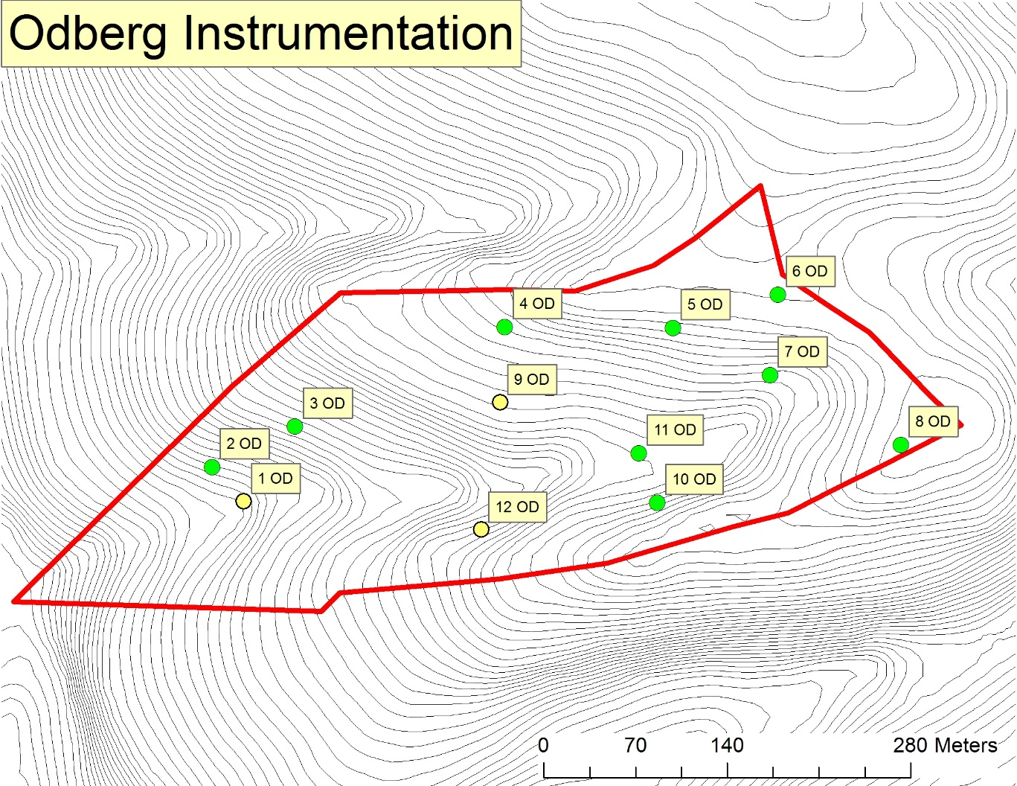
...
OD7 | OD8 | OD9 | OD10 | OD11 | OD12
1.3788414564 | 1.3464596968 | 1.4744932013 | 1.3131400938 | 1.4946901349 | 1.3042067937
1.1167291467 | 1.4126298561 | 1.4488318046 | 1.6366614725 | 1.452711553 | 1.2107811213
 | 1.608625589 | 1.6230718314 | 1.6650757244 | 1.3377394138 | 1.48177569
0.95961048092 | 1.6363541235 | 1.6775239371 | 1.6859659738 | 1.7766300803 | 1.3555795613
1.0211204586 | 1.6222230803 | 1.6150324162 | 1.6397924772 |  | 1.5511053395
1.1190753857 | 1.5252584691 | 1.5677906381 | 1.5881271483 | 1.5154427955 | 1.3806897012
...
OD7 | OD8 | OD9 | OD10 | OD11 | OD12
28.830912549 | 34.820678456 | 39.051814057 | 37.401867774 | 29.005740175 | 32.336685879
31.122835584 | 33.503115909 | 40.45820956 | 38.28366727 | 31.327268327 | 39.495280586
26.18781868 | 36.716244764 | 43.764932498 | 44.844560221 | 31.16455057 | 38.063504508
25.353670483 | 35.409730923 | 43.764054482 | 40.132886434 | 24.879438023 | 38.995162447
20.427047742 | 33.921075014 | 40.331237387 | 35.048532014 | 18.453326024 | 38.972888158
26.384457007 | 34.874169013 | 41.474049597 | 39.142302743 | 26.966064624 | 37.572704316
...
OD7 | OD8 | OD9 | OD10 | OD11 | OD12
5 | 5 | 4 | 2 | 5 | 5
5 | 3 | 3 | 2 | 4 | 5
5 | 5 | 4 | 4
5 | 5 | 4 | 2 | 4 | 4
5 | 5 | 3 | 3 | 5 | 2
5 | 5 | 4 | 3 | 4 | 4

150+ | 37 | 55 | 45 | 150+ | 110
no horizonation | Argillic | Weak Argillic | Argillic |  | Argillic
...
no water tables | < 1 ft. | (deep) water tables
3 | 1 | 2
...

