Audit
File | Function | Confidence | Comment | File | Function | Confidence | Comment
LIM_SlotPoleCalculation | LimMotor | 100 |  | LIM_Grid | Node | 0 | 0
LIM_SlotPoleCalculation | Error | 100 |  | LIM_Grid | Region | 0 | 0
LIM_SlotPoleCalculation | np_find_nearest | 100 |  | LIM_Grid | meshBoundary | 0 | 0
LIM_SlotPoleCalculation | timing | 100 |  | LIM_Grid | checkSpatialMapping | 0 | 0
LIM_Grid | Grid | 100 |  | LIM_Grid | buildGrid | 0 | 0
LIM_Grid | Node | 0 |  | LIM_Grid | setRegionIndices | 0 | 0
LIM_Grid | Region | 0 |  | LIM_Grid | finalizeGrid | 0 | 0
LIM_Grid | reluctance | 100 |  | LIM_Compute | mecHm | 0 | 0
LIM_Grid | meshBoundary | 0 |  | LIM_Compute | mec | 0 | 0
LIM_Grid | checkSpatialMapping | 0 |  | LIM_Compute | preEqn24_2018 | 0 | 0
Percent Complete
1900 | 1900
3600 | 3600
LIM_Grid | buildGrid | 0 |  | LIM_Compute | preEqn25_2018 | 0 | 0
LIM_Grid | setRegionIndices | 0 |  | LIM_Compute | preEqn8 | 0 | 0
LIM_Grid | finalizeGrid | 0 |  | LIM_Compute | postEqn8 | 0 | 0
LIM_Compute | Model | 100 |  | LIM_Compute | postEqn9 | 0 | 0
LIM_Compute | linalg_lu | 100 |  | LIM_Compute | postEqn14to15 | 0 | 0
LIM_Compute | dirichlet | 100 |  | LIM_Compute | postEqn16to17 | 0 | 0
LIM_Compute | hmHm | 100 |  | LIM_Compute | preEqn21 | 0 | 0
LIM_Compute | mecHm | 0 |  | LIM_Compute | postEqn21 | 0 | 0
LIM_Compute | mec | 0 |  | LIM_Compute | eqn23Integral | 0 | 0
LIM_Compute | preEqn24_2018 | 0 |  | LIM_Compute | genForces | 0 | 0
LIM_Compute | preEqn25_2018 | 0 |  | LIM_Compute | plotPointsAlongX | 0 | 0
LIM_Compute | postMECAvgB | 100 |  | LIM_Compute | updateGrid | 0 | There are some errors with .phiError
LIM_Compute | preEqn8 | 0 |  | LIM_Show | colorFader | 0 | 0
LIM_Compute | postEqn8 | 0 |  | LIM_Show | myColourNumber | 0 | 0
LIM_Compute | postEqn9 | 0 |  | LIM_Show | determineColour | 0 | 0
LIM_Compute | postEqn14to15 | 0 |  | LIM_Show | minMaxField | 0 | 0
LIM_Compute | postEqn16to17 | 0 |  | LIM_Show | combineFilterList | 0 | 0
LIM_Compute | preEqn21 | 0 |  | LIM_Show | genCanvasMatrix | 0 | 0
LIM_Compute | postEqn21 | 0 |  | LIM_Show | visualizeMatrix | 0 | 0
LIM_Compute | eqn23Integral | 0 |  | LIM_Show | showModel | 0 | 0
LIM_Compute | checkForErrors | 100 |  | LIM_ShowFromJSON | plotPointsAlongX | 0 | 0
LIM_Compute | neighbourNodes | 100 |  | LIM_ShowFromJSON | main | 0 | 0
LIM_Compute | boundaryInfo | 100 |  | Platypus | destruct | 0 | 0
LIM_Compute | reduceMatrix | 100 |  | Platypus | construct | 0 | 0
LIM_Compute | buildMatAB | 100 |  | Platypus | jsonStoreSolution | 0 | 0
LIM_Compute | updateLists | 100 |  | Platypus | main | 0 | 0
LIM_Compute | shiftHmIdxList | 100 |  | LIM_SlotPoleCalculation | LimMotor | 100 | 0
LIM_Compute | finalizeCompute | 100 |  | LIM_SlotPoleCalculation | Error | 100 | 0
LIM_Compute | genForces | 0 |  | LIM_SlotPoleCalculation | np_find_nearest | 100 | 0
LIM_Compute | plotPointsAlongX | 0 |  | LIM_SlotPoleCalculation | timing | 100 | 0
LIM_Compute | updateGrid | 0 | There are some errors with .phiError | LIM_Grid | Grid | 100 | 0
LIM_Show | colorFader | 0 |  | LIM_Grid | reluctance | 100 | 0
LIM_Show | myColourNumber | 0 |  | LIM_Compute | Model | 100 | 0
LIM_Show | determineColour | 0 |  | LIM_Compute | linalg_lu | 100 | 0
LIM_Show | minMaxField | 0 |  | LIM_Compute | dirichlet | 100 | 0
LIM_Show | combineFilterList | 0 |  | LIM_Compute | hmHm | 100 | 0
LIM_Show | genCanvasMatrix | 0 |  | LIM_Compute | postMECAvgB | 100 | 0
LIM_Show | visualizeMatrix | 0 |  | LIM_Compute | checkForErrors | 100 | 0
LIM_Show | showModel | 0 |  | LIM_Compute | neighbourNodes | 100 | 0
LIM_ShowFromJSON | plotPointsAlongX | 0 |  | LIM_Compute | boundaryInfo | 100 | 0
LIM_ShowFromJSON | main | 0 |  | LIM_Compute | reduceMatrix | 100 | 0
Platypus | destruct | 0 |  | LIM_Compute | buildMatAB | 100 | 0
Platypus | construct | 0 |  | LIM_Compute | updateLists | 100 | 0
Platypus | jsonStoreSolution | 0 |  | LIM_Compute | shiftHmIdxList | 100 | 0
Platypus | main | 0 |  | LIM_Compute | finalizeCompute | 100 | 0
 | sum: | 1900 | 3600
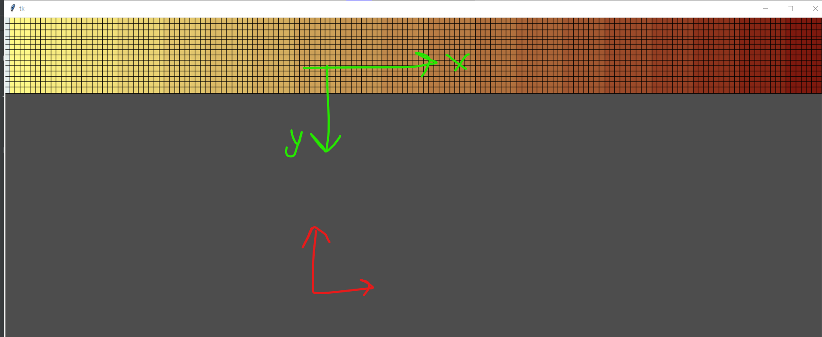

Something interesting with figure 2 in 2019 is that the origin starts at back iron not in the vac region. This could mean that they just don’t actually use that region in the calculation since it basically just removeds bn at -inf and an at inf. So where I have hb in hmHm between vac and Back iron as 0.00405 it might need to be 0 instead |  |  | DO IT NOW: I NEED TO EMAIL DR KAR ABOUT THE ANSYS HELP, THE FASTER THE BETTER (DON’T BE A PUSSY)

Rules:
hm and mec regions defined in Platypus should follow the indexing in the y direction.

PlotCorrelation
To validate my meshing I can mesh the coils into a local square mesh or a rectangle mesh. Then validate my new scaling method is correct visually
Model |  |  |  | Node |  |  |  |  | Peak2Peak
PixelDivs | ppSlot | ppSlotheight | ppSlotheight//2 | lx | ly | Rx | Ry | MMF | Bx | By
6 | 4 | 8 | 4 | 0.0025 | 0.0025 | 7957747.1546 | 7957747.1546 | 249.375 | 0.031 | -0.031
8 | 5 | 10 | 5 | 0.002 | 0.002 | 7957747.1546 | 7957747.1546 | 256.5 | 0.031 | -0.031
10 | 7 | 12 | 6 | 0.0014 | 0.0017 | 6820926.1325 | 9284038.347 | 223.93 | 0.0302 | -0.0305
12 | 8 | 16 | 8 | 0.00125 | 0.00125 | 7957747.1546 | 7957747.1546 | 267.1875 | 0.0301 | -0.0307

This proves that the meshing is working well since the MMF and Reluctance in the top row flexes with changes to ppSlotheight:2ppSlot ratio. When you look at the first column of graphs you see B field barely changes to the flex so MMF and R counter

B Field vs. ppCoil
Reluctance vs. ppCoil
MMF vs. ppCoil

B Field vs. Coil Pixel Lengths
Reluctance vs. Coil Pixel Lengths
MMF vs. Coil Pixel Lengths

