coordinates
459x82 | 469x82 | 479x82 | 489x82 | 499x82 | 509x82 | 519x82 | 529x82 | 539x82 | 549x82 | 559x82 | 569x82 | 579x82 | 589x82 | 599x82 | 609x82 | 619x82 | 629x82 | 639x82 | 649x82 | 659x82 | 669x82 | 679x82 | 689x82 | 699x82 | 709x82 | 719x82
459x92 | 469x92 | 479x92 | 489x92 | 499x92 | 509x92 | 519x92 | 529x92 | 539x92 | 549x92 | 559x92 | 569x92 | 579x92 | 589x92 | 599x92 | 609x92 | 619x92 | 629x92 | 639x92 | 649x92 | 659x92 | 669x92 | 679x92 | 689x92 | 699x92 | 709x92 | 719x92
459x102 | 469x102 | 479x102 | 489x102 | 499x102 | 509x102 | 519x102 | 529x102 | 539x102 | 549x102 | 559x102 | 569x102 | 579x102 | 589x102 | 599x102 | 609x102 | 619x102 | 629x102 | 639x102 | 649x102 | 659x102 | 669x102 | 679x102 | 689x102 | 699x102 | 709x102 | 719x102
459x112 | 469x112 | 479x112 | 489x112 | 499x112 | 509x112 | 519x112 | 529x112 | 539x112 | 549x112 | 559x112 | 569x112 | 579x112 | 589x112 | 599x112 | 609x112 | 619x112 | 629x112 | 639x112 | 649x112 | 659x112 | 669x112 | 679x112 | 689x112 | 699x112 | 709x112 | 719x112
459x122 | 469x122 | 479x122 | 489x122 | 499x122 | 509x122 | 519x122 | 529x122 | 539x122 | 549x122 | 559x122 | 569x122 | 579x122 | 589x122 | 599x122 | 609x122 | 619x122 | 629x122 | 639x122 | 649x122 | 659x122 | 669x122 | 679x122 | 689x122 | 699x122 | 709x122 | 719x122
459x132 | 469x132 | 479x132 | 489x132 | 499x132 | 509x132 | 519x132 | 529x132 | 539x132 | 549x132 | 559x132 | 569x132 | 579x132 | 589x132 | 599x132 | 609x132 | 619x132 | 629x132 | 639x132 | 649x132 | 659x132 | 669x132 | 679x132 | 689x132 | 699x132 | 709x132 | 719x132
459x142 | 469x142 | 479x142 | 489x142 | 499x142 | 509x142 | 519x142 | 529x142 | 539x142 | 549x142 | 559x142 | 569x142 | 579x142 | 589x142 | 599x142 | 609x142 | 619x142 | 629x142 | 639x142 | 649x142 | 659x142 | 669x142 | 679x142 | 689x142 | 699x142 | 709x142 | 719x142
459x152 | 469x152 | 479x152 | 489x152 | 499x152 | 509x152 | 519x152 | 529x152 | 539x152 | 549x152 | 559x152 | 569x152 | 579x152 | 589x152 | 599x152 | 609x152 | 619x152 | 629x152 | 639x152 | 649x152 | 659x152 | 669x152 | 679x152 | 689x152 | 699x152 | 709x152 | 719x152
459x162 | 469x162 | 479x162 | 489x162 | 499x162 | 509x162 | 519x162 | 529x162 | 539x162 | 549x162 | 559x162 | 569x162 | 579x162 | 589x162 | 599x162 | 609x162 | 619x162 | 629x162 | 639x162 | 649x162 | 659x162 | 669x162 | 679x162 | 689x162 | 699x162 | 709x162 | 719x162
459x172 | 469x172 | 479x172 | 489x172 | 499x172 | 509x172 | 519x172 | 529x172 | 539x172 | 549x172 | 559x172 | 569x172 | 579x172 | 589x172 | 599x172 | 609x172 | 619x172 | 629x172 | 639x172 | 649x172 | 659x172 | 669x172 | 679x172 | 689x172 | 699x172 | 709x172 | 719x172
459x182 | 469x182 | 479x182 | 489x182 | 499x182 | 509x182 | 519x182 | 529x182 | 539x182 | 549x182 | 559x182 | 569x182 | 579x182 | 589x182 | 599x182 | 609x182 | 619x182 | 629x182 | 639x182 | 649x182 | 659x182 | 669x182 | 679x182 | 689x182 | 699x182 | 709x182 | 719x182
459x192 | 469x192 | 479x192 | 489x192 | 499x192 | 509x192 | 519x192 | 529x192 | 539x192 | 549x192 | 559x192 | 569x192 | 579x192 | 589x192 | 599x192 | 609x192 | 619x192 | 629x192 | 639x192 | 649x192 | 659x192 | 669x192 | 679x192 | 689x192 | 699x192 | 709x192 | 719x192
459x202 | 469x202 | 479x202 | 489x202 | 499x202 | 509x202 | 519x202 | 529x202 | 539x202 | 549x202 | 559x202 | 569x202 | 579x202 | 589x202 | 599x202 | 609x202 | 619x202 | 629x202 | 639x202 | 649x202 | 659x202 | 669x202 | 679x202 | 689x202 | 699x202 | 709x202 | 719x202
459x212 | 469x212 | 479x212 | 489x212 | 499x212 | 509x212 | 519x212 | 529x212 | 539x212 | 549x212 | 559x212 | 569x212 | 579x212 | 589x212 | 599x212 | 609x212 | 619x212 | 629x212 | 639x212 | 649x212 | 659x212 | 669x212 | 679x212 | 689x212 | 699x212 | 709x212 | 719x212
459x222 | 469x222 | 479x222 | 489x222 | 499x222 | 509x222 | 519x222 | 529x222 | 539x222 | 549x222 | 559x222 | 569x222 | 579x222 | 589x222 | 599x222 | 609x222 | 619x222 | 629x222 | 639x222 | 649x222 | 659x222 | 669x222 | 679x222 | 689x222 | 699x222 | 709x222 | 719x222
459x232 | 469x232 | 479x232 | 489x232 | 499x232 | 509x232 | 519x232 | 529x232 | 539x232 | 549x232 | 559x232 | 569x232 | 579x232 | 589x232 | 599x232 | 609x232 | 619x232 | 629x232 | 639x232 | 649x232 | 659x232 | 669x232 | 679x232 | 689x232 | 699x232 | 709x232 | 719x232
459x242 | 469x242 | 479x242 | 489x242 | 499x242 | 509x242 | 519x242 | 529x242 | 539x242 | 549x242 | 559x242 | 569x242 | 579x242 | 589x242 | 599x242 | 609x242 | 619x242 | 629x242 | 639x242 | 649x242 | 659x242 | 669x242 | 679x242 | 689x242 | 699x242 | 709x242 | 719x242
459x252 | 469x252 | 479x252 | 489x252 | 499x252 | 509x252 | 519x252 | 529x252 | 539x252 | 549x252 | 559x252 | 569x252 | 579x252 | 589x252 | 599x252 | 609x252 | 619x252 | 629x252 | 639x252 | 649x252 | 659x252 | 669x252 | 679x252 | 689x252 | 699x252 | 709x252 | 719x252
459x262 | 469x262 | 479x262 | 489x262 | 499x262 | 509x262 | 519x262 | 529x262 | 539x262 | 549x262 | 559x262 | 569x262 | 579x262 | 589x262 | 599x262 | 609x262 | 619x262 | 629x262 | 639x262 | 649x262 | 659x262 | 669x262 | 679x262 | 689x262 | 699x262 | 709x262 | 719x262
459x272 | 469x272 | 479x272 | 489x272 | 499x272 | 509x272 | 519x272 | 529x272 | 539x272 | 549x272 | 559x272 | 569x272 | 579x272 | 589x272 | 599x272 | 609x272 | 619x272 | 629x272 | 639x272 | 649x272 | 659x272 | 669x272 | 679x272 | 689x272 | 699x272 | 709x272 | 719x272
459x282 | 469x282 | 479x282 | 489x282 | 499x282 | 509x282 | 519x282 | 529x282 | 539x282 | 549x282 | 559x282 | 569x282 | 579x282 | 589x282 | 599x282 | 609x282 | 619x282 | 629x282 | 639x282 | 649x282 | 659x282 | 669x282 | 679x282 | 689x282 | 699x282 | 709x282 | 719x282
459x292 | 469x292 | 479x292 | 489x292 | 499x292 | 509x292 | 519x292 | 529x292 | 539x292 | 549x292 | 559x292 | 569x292 | 579x292 | 589x292 | 599x292 | 609x292 | 619x292 | 629x292 | 639x292 | 649x292 | 659x292 | 669x292 | 679x292 | 689x292 | 699x292 | 709x292 | 719x292
459x302 | 469x302 | 479x302 | 489x302 | 499x302 | 509x302 | 519x302 | 529x302 | 539x302 | 549x302 | 559x302 | 569x302 | 579x302 | 589x302 | 599x302 | 609x302 | 619x302 | 629x302 | 639x302 | 649x302 | 659x302 | 669x302 | 679x302 | 689x302 | 699x302 | 709x302 | 719x302
459x312 | 469x312 | 479x312 | 489x312 | 499x312 | 509x312 | 519x312 | 529x312 | 539x312 | 549x312 | 559x312 | 569x312 | 579x312 | 589x312 | 599x312 | 609x312 | 619x312 | 629x312 | 639x312 | 649x312 | 659x312 | 669x312 | 679x312 | 689x312 | 699x312 | 709x312 | 719x312
459x322 | 469x322 | 479x322 | 489x322 | 499x322 | 509x322 | 519x322 | 529x322 | 539x322 | 549x322 | 559x322 | 569x322 | 579x322 | 589x322 | 599x322 | 609x322 | 619x322 | 629x322 | 639x322 | 649x322 | 659x322 | 669x322 | 679x322 | 689x322 | 699x322 | 709x322 | 719x322
459x332 | 469x332 | 479x332 | 489x332 | 499x332 | 509x332 | 519x332 | 529x332 | 539x332 | 549x332 | 559x332 | 569x332 | 579x332 | 589x332 | 599x332 | 609x332 | 619x332 | 629x332 | 639x332 | 649x332 | 659x332 | 669x332 | 679x332 | 689x332 | 699x332 | 709x332 | 719x332
459x342 | 469x342 | 479x342 | 489x342 | 499x342 | 509x342 | 519x342 | 529x342 | 539x342 | 549x342 | 559x342 | 569x342 | 579x342 | 589x342 | 599x342 | 609x342 | 619x342 | 629x342 | 639x342 | 649x342 | 659x342 | 669x342 | 679x342 | 689x342 | 699x342 | 709x342 | 719x342
459x352 | 469x352 | 479x352 | 489x352 | 499x352 | 509x352 | 519x352 | 529x352 | 539x352 | 549x352 | 559x352 | 569x352 | 579x352 | 589x352 | 599x352 | 609x352 | 619x352 | 629x352 | 639x352 | 649x352 | 659x352 | 669x352 | 679x352 | 689x352 | 699x352 | 709x352 | 719x352
459x362 | 469x362 | 479x362 | 489x362 | 499x362 | 509x362 | 519x362 | 529x362 | 539x362 | 549x362 | 559x362 | 569x362 | 579x362 | 589x362 | 599x362 | 609x362 | 619x362 | 629x362 | 639x362 | 649x362 | 659x362 | 669x362 | 679x362 | 689x362 | 699x362 | 709x362 | 719x362
459x372 | 469x372 | 479x372 | 489x372 | 499x372 | 509x372 | 519x372 | 529x372 | 539x372 | 549x372 | 559x372 | 569x372 | 579x372 | 589x372 | 599x372 | 609x372 | 619x372 | 629x372 | 639x372 | 649x372 | 659x372 | 669x372 | 679x372 | 689x372 | 699x372 | 709x372 | 719x372
459x382 | 469x382 | 479x382 | 489x382 | 499x382 | 509x382 | 519x382 | 529x382 | 539x382 | 549x382 | 559x382 | 569x382 | 579x382 | 589x382 | 599x382 | 609x382 | 619x382 | 629x382 | 639x382 | 649x382 | 659x382 | 669x382 | 679x382 | 689x382 | 699x382 | 709x382 | 719x382
459x392 | 469x392 | 479x392 | 489x392 | 499x392 | 509x392 | 519x392 | 529x392 | 539x392 | 549x392 | 559x392 | 569x392 | 579x392 | 589x392 | 599x392 | 609x392 | 619x392 | 629x392 | 639x392 | 649x392 | 659x392 | 669x392 | 679x392 | 689x392 | 699x392 | 709x392 | 719x392
459x402 | 469x402 | 479x402 | 489x402 | 499x402 | 509x402 | 519x402 | 529x402 | 539x402 | 549x402 | 559x402 | 569x402 | 579x402 | 589x402 | 599x402 | 609x402 | 619x402 | 629x402 | 639x402 | 649x402 | 659x402 | 669x402 | 679x402 | 689x402 | 699x402 | 709x402 | 719x402
459x412 | 469x412 | 479x412 | 489x412 | 499x412 | 509x412 | 519x412 | 529x412 | 539x412 | 549x412 | 559x412 | 569x412 | 579x412 | 589x412 | 599x412 | 609x412 | 619x412 | 629x412 | 639x412 | 649x412 | 659x412 | 669x412 | 679x412 | 689x412 | 699x412 | 709x412 | 719x412
459x422 | 469x422 | 479x422 | 489x422 | 499x422 | 509x422 | 519x422 | 529x422 | 539x422 | 549x422 | 559x422 | 569x422 | 579x422 | 589x422 | 599x422 | 609x422 | 619x422 | 629x422 | 639x422 | 649x422 | 659x422 | 669x422 | 679x422 | 689x422 | 699x422 | 709x422 | 719x422
459x432 | 469x432 | 479x432 | 489x432 | 499x432 | 509x432 | 519x432 | 529x432 | 539x432 | 549x432 | 559x432 | 569x432 | 579x432 | 589x432 | 599x432 | 609x432 | 619x432 | 629x432 | 639x432 | 649x432 | 659x432 | 669x432 | 679x432 | 689x432 | 699x432 | 709x432 | 719x432
459x442 | 469x442 | 479x442 | 489x442 | 499x442 | 509x442 | 519x442 | 529x442 | 539x442 | 549x442 | 559x442 | 569x442 | 579x442 | 589x442 | 599x442 | 609x442 | 619x442 | 629x442 | 639x442 | 649x442 | 659x442 | 669x442 | 679x442 | 689x442 | 699x442 | 709x442 | 719x442

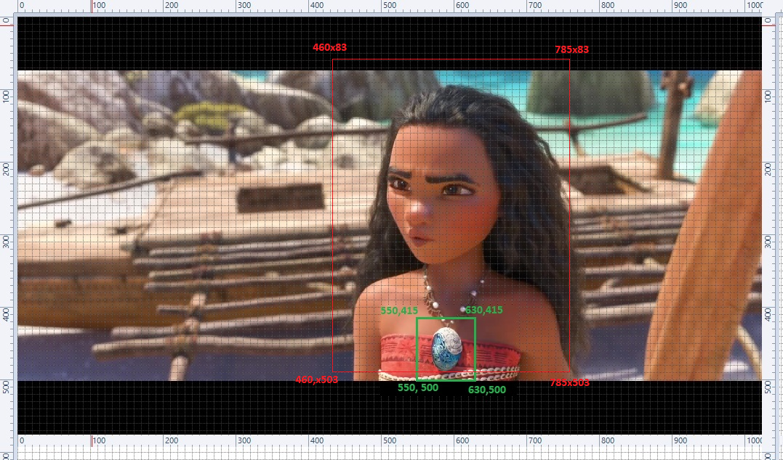

34 | 32 | 30 | 31 | 28 | 32 | 28 | 30 | 29 | 28 | 25 | 25 | 24 | 24 | 24 | 24 | 25 | 25 | 29 | 30 | 32 | 31 | 26 | 25 | 27 | 28 | 27
31 | 31 | 32 | 34 | 33 | 33 | 29 | 29 | 27 | 27 | 26 | 26 | 27 | 29 | 28 | 28 | 26 | 32 | 29 | 28 | 30 | 39 | 33 | 26 | 27 | 29 | 30
25 | 27 | 27 | 33 | 31 | 29 | 28 | 26 | 26 | 29 | 28 | 27 | 26 | 26 | 30 | 32 | 32 | 31 | 32 | 41 | 34 | 39 | 33 | 36 | 32 | 29 | 31
30 | 34 | 30 | 33 | 31 | 28 | 28 | 25 | 26 | 26 | 27 | 28 | 27 | 28 | 27 | 32 | 32 | 35 | 31 | 34 | 34 | 40 | 35 | 35 | 32 | 30 | 28
29 | 31 | 30 | 30 | 31 | 28 | 25 | 23 | 23 | 23 | 25 | 26 | 25 | 23 | 25 | 31 | 32 | 31 | 30 | 31 | 35 | 35 | 28 | 31 | 28 | 26 | 27
34 | 34 | 34 | 32 | 29 | 27 | 26 | 25 | 24 | 23 | 21 | 23 | 24 | 25 | 26 | 27 | 29 | 36 | 33 | 35 | 35 | 38 | 27 | 29 | 27 | 28 | 28
31 | 32 | 32 | 31 | 28 | 29 | 29 | 27 | 26 | 26 | 26 | 27 | 28 | 24 | 25 | 24 | 23 | 31 | 33 | 35 | 36 | 31 | 28 | 28 | 31 | 30 | 28
33 | 34 | 32 | 30 | 31 | 34 | 31 | 29 | 25 | 29 | 31 | 32 | 32 | 27 | 24 | 25 | 26 | 30 | 33 | 36 | 38 | 35 | 32 | 28 | 33 | 32 | 31
29 | 33 | 30 | 31 | 33 | 33 | 26 | 26 | 25 | 27 | 30 | 30 | 31 | 31 | 26 | 28 | 30 | 32 | 35 | 40 | 40 | 36 | 34 | 35 | 32 | 32 | 32
28 | 31 | 29 | 33 | 33 | 28 | 25 | 24 | 23 | 24 | 24 | 26 | 34 | 39 | 29 | 30 | 29 | 35 | 32 | 30 | 36 | 36 | 41 | 35 | 33 | 31 | 32
32 | 30 | 26 | 33 | 30 | 27 | 23 | 22 | 23 | 23 | 26 | 35 | 38 | 34 | 28 | 27 | 26 | 37 | 29 | 30 | 37 | 37 | 42 | 40 | 33 | 31 | 31
32 | 32 | 31 | 37 | 32 | 28 | 24 | 23 | 22 | 26 | 24 | 30 | 28 | 33 | 28 | 28 | 28 | 30 | 27 | 30 | 40 | 34 | 43 | 40 | 34 | 30 | 28
30 | 30 | 30 | 33 | 34 | 29 | 26 | 24 | 24 | 31 | 32 | 34 | 34 | 28 | 26 | 25 | 26 | 27 | 26 | 29 | 34 | 35 | 34 | 43 | 43 | 37 | 31
26 | 28 | 28 | 27 | 31 | 31 | 28 | 30 | 28 | 28 | 26 | 25 | 26 | 24 | 24 | 25 | 27 | 30 | 23 | 25 | 29 | 28 | 36 | 34 | 37 | 36 | 30
28 | 30 | 31 | 28 | 30 | 28 | 29 | 28 | 26 | 28 | 27 | 27 | 27 | 27 | 24 | 27 | 30 | 29 | 24 | 23 | 29 | 28 | 33 | 31 | 32 | 34 | 29
27 | 26 | 25 | 28 | 28 | 28 | 26 | 27 | 26 | 27 | 28 | 33 | 32 | 32 | 31 | 30 | 33 | 27 | 24 | 23 | 29 | 30 | 31 | 31 | 33 | 35 | 30
25 | 26 | 23 | 22 | 27 | 28 | 24 | 27 | 26 | 26 | 29 | 34 | 35 | 35 | 34 | 32 | 31 | 27 | 24 | 24 | 29 | 31 | 33 | 37 | 34 | 35 | 30
24 | 28 | 29 | 24 | 27 | 28 | 22 | 22 | 21 | 24 | 30 | 34 | 34 | 31 | 30 | 30 | 29 | 26 | 24 | 27 | 33 | 37 | 37 | 39 | 34 | 30 | 31
25 | 31 | 29 | 27 | 31 | 32 | 27 | 24 | 23 | 23 | 30 | 33 | 35 | 31 | 31 | 34 | 31 | 28 | 23 | 26 | 31 | 44 | 37 | 41 | 39 | 33 | 30
30 | 29 | 34 | 32 | 33 | 32 | 29 | 26 | 25 | 27 | 32 | 34 | 33 | 31 | 31 | 33 | 29 | 27 | 22 | 24 | 31 | 38 | 36 | 38 | 34 | 32 | 32
29 | 28 | 30 | 27 | 29 | 32 | 32 | 27 | 26 | 28 | 31 | 31 | 29 | 31 | 30 | 31 | 28 | 27 | 22 | 27 | 30 | 34 | 33 | 37 | 34 | 37 | 33
35 | 31 | 28 | 31 | 30 | 31 | 31 | 28 | 29 | 32 | 32 | 29 | 30 | 29 | 30 | 29 | 26 | 27 | 24 | 23 | 31 | 35 | 32 | 34 | 44 | 34 | 31
30 | 28 | 28 | 32 | 29 | 30 | 28 | 28 | 28 | 33 | 33 | 27 | 30 | 31 | 29 | 32 | 30 | 30 | 28 | 35 | 33 | 36 | 34 | 33 | 35 | 32 | 32
30 | 30 | 29 | 25 | 27 | 29 | 31 | 34 | 34 | 34 | 33 | 28 | 28 | 28 | 30 | 32 | 29 | 31 | 29 | 35 | 33 | 34 | 33 | 37 | 36 | 32 | 34
30 | 32 | 29 | 26 | 29 | 32 | 31 | 31 | 31 | 31 | 31 | 30 | 29 | 30 | 30 | 31 | 31 | 34 | 27 | 30 | 28 | 29 | 28 | 28 | 31 | 32 | 32
32 | 34 | 34 | 32 | 32 | 30 | 29 | 27 | 28 | 27 | 31 | 34 | 34 | 28 | 27 | 28 | 31 | 35 | 30 | 27 | 27 | 28 | 32 | 30 | 31 | 35 | 33
32 | 32 | 33 | 30 | 29 | 30 | 29 | 28 | 29 | 27 | 33 | 37 | 34 | 28 | 28 | 26 | 30 | 33 | 29 | 29 | 31 | 31 | 32 | 32 | 30 | 29 | 32
33 | 36 | 33 | 31 | 34 | 30 | 25 | 26 | 27 | 25 | 30 | 34 | 31 | 27 | 29 | 31 | 32 | 31 | 30 | 30 | 30 | 31 | 32 | 32 | 31 | 29 | 30
34 | 33 | 33 | 32 | 29 | 26 | 25 | 24 | 27 | 25 | 30 | 31 | 29 | 30 | 29 | 29 | 33 | 31 | 28 | 29 | 29 | 32 | 33 | 33 | 30 | 30 | 29
32 | 30 | 31 | 31 | 30 | 28 | 27 | 24 | 25 | 25 | 26 | 30 | 30 | 33 | 28 | 30 | 29 | 30 | 28 | 30 | 32 | 29 | 30 | 30 | 31 | 31 | 29
29 | 32 | 32 | 31 | 33 | 33 | 30 | 25 | 26 | 26 | 28 | 29 | 27 | 30 | 31 | 30 | 27 | 31 | 32 | 31 | 31 | 31 | 29 | 28 | 28 | 30 | 29
33 | 32 | 34 | 34 | 37 | 35 | 33 | 29 | 29 | 29 | 27 | 32 | 34 | 33 | 31 | 31 | 29 | 35 | 34 | 32 | 33 | 32 | 33 | 29 | 29 | 29 | 30
31 | 31 | 31 | 29 | 32 | 31 | 27 | 26 | 26 | 27 | 27 | 28 | 29 | 31 | 31 | 31 | 33 | 34 | 34 | 35 | 33 | 33 | 35 | 32 | 30 | 27 | 28
32 | 30 | 30 | 25 | 35 | 24 | 26 | 25 | 28 | 24 | 23 | 21 | 24 | 27 | 24 | 30 | 29 | 30 | 29 | 29 | 29 | 31 | 32 | 35 | 33 | 28 | 29
31 | 28 | 25 | 22 | 24 | 26 | 30 | 24 | 22 | 22 | 19 | 19 | 23 | 28 | 25 | 30 | 27 | 30 | 23 | 27 | 28 | 33 | 30 | 30 | 30 | 30 | 28
32 | 30 | 29 | 29 | 29 | 28 | 29 | 23 | 27 | 22 | 20 | 21 | 24 | 22 | 26 | 32 | 33 | 27 | 26 | 23 | 24 | 32 | 29 | 28 | 30 | 31 | 30
35 | 33 | 31 | 30 | 30 | 32 | 35 | 29 | 29 | 22 | 21 | 22 | 25 | 22 | 30 | 30 | 30 | 29 | 24 | 24 | 24 | 30 | 31 | 29 | 34 | 36 | 33

Arkusz1
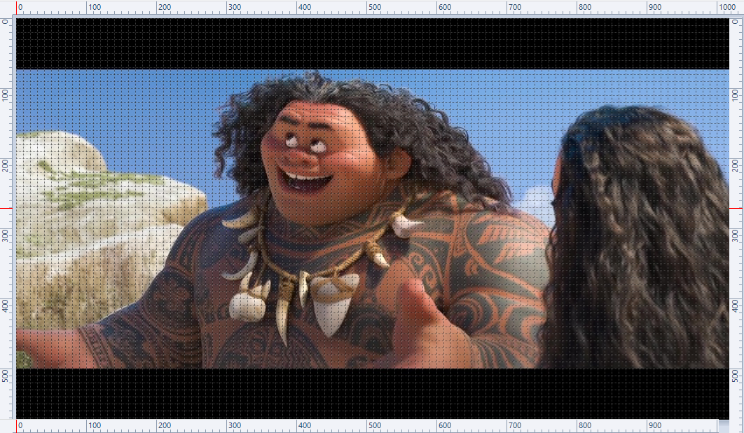
150x150 | 300x150 | 450x150 | 600x150 | 750x150 | 900x150
150x300 | 300x300 | 450x300 | 600x300 | 750x300 | 900x300
150x450 | 300x450 | 450x450 | 600x450 | 750x450 | 900x450

24 | 25 | 35 | 44 | 29 | 26
24 | 18 | 36 | 56 | 48 | 32
38 | 62 | 42 | 79 | 51 | 40

