Dashboard
Medicare Psychiatry Analytics — Illinois 2023

$27.2M Total Medicare Payment |  | $35.6M Total Allowed Amount |  | $70.7M Total Submitted Charges |  | 692 Psychiatry Providers | 96 Distinct Procedure Codes | $51.03 Avg. Payment Per Service

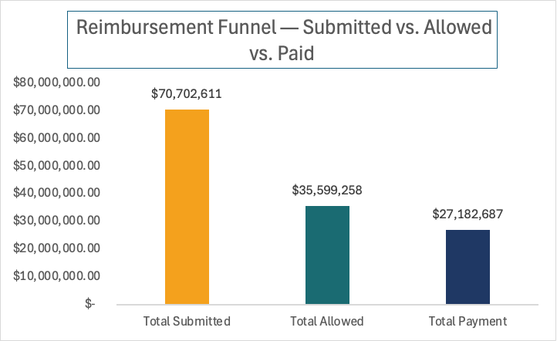
Top 5 Procedures by Medicare Payment
Rank | Code |  | Description | Total Payment | % of Total
1 | 99214 |  | Established outpatient visit, 30-39 min. | $5,645,812 | 20.8%
2 | 99213 |  | Established outpatient visit, 20-29 min. | $3,070,132 | 11.3%
3 | 99232 |  | Subsequent hospital care, moderate complexity | $2,690,318 | 9.9%
4 | K1034 |  | COVID-19 test provision | $1,933,779 | 7.1%
5 | 90833 |  | Psychotherapy with E&M service | $1,766,533 | 6.5%
Source: CMS Medicare Physician & Other Practitioners by Provider and Service, 2023

Key Findings
• 99214 is the single largest cost driver, accounting for $5.6M or 20.8% of all Illinois psychiatry Medicare payments in 2023.
• The top 5 procedure codes combined account for 55.6% of total Medicare payments, despite 96 distinct codes being billed.
• Illinois psychiatry providers billed $70.7M but received only $27.2M in Medicare payments, a charge-to-payment ratio of 2.6x.
• Elk Grove Village recorded the highest telephone visit share in the state at 76.7%, compared to Chicago's 1.9%, despite Chicago leading in total volume.

