mode choice
Mode choice
This tab estimates the (initial) values for modal split, congestion, overcrowding, and travel speeds. It also computes the data for Figure 3.1 in the report.

Assumed modal split on long and short-to-mid distance trips
Assumptions for initial modal split: | For PT and car: Paris<>Paris = mid-distance and Paris<>Ring = long distance
 | For bike: all trips are mid-distance
 | For by foot: all trips are short-distance
Modal split of greater paris trips crossing city in 2020
 | Paris<>Paris | Paris<>Ring
PT | 2230 | 2050
Motorized | 450 | 670
Bike and micromobility | 290 | 150
Pedestrian | 5470 | 140
Trips | Short-mid trips | Long trips
Car | 450 | 670
PT | 2230 | 2050
Bike | 440 | 0
Pedestrian | 5610 | 0
Assumption: . all = mid for bike
Mode shares | Mid distance | Long distance
Car | 14% | 25%
PT | 71% | 75%
Bike | 14% | 0%
Share of walking trips in urban trips | 65%
Source: | https://omnil.fr/medias/omnil/21d02748-73a2-4f4a-b30d-52a5f9c2658e_2023_resultats_detailles_egt_h2020.pdf

Peak time window
Estimated fraction of trips in peak hour | 0.4
Time window | 4

Congestion reference value 2023
Car occupancy rate greater Paris | 1.2
Average speed in rush hour in 2023 | 18
Speed limit in Paris | 30
Sources: | https://www.tomtom.com/traffic-index/ranking/?country=FR
 | https://www.paris.fr/pages/generalisation-de-la-vitesse-a-30-km-h-les-parisiens-ont-donne-leur-avis-16967

Overcrowding reference values 2019 / 2023
Metro weighted average seats | 132
Metro weighted average capacity | 590
Seat capacity to total capacity ratio | 0.22
Capacity increase per 10 years | 0.01
net added capacity per year | 0.0010

PT speeds
City - City estimate | 40
Ring - City estimate | 50
Sources: | https://www.liberation.fr/checknews/2018/02/20/a-quelle-vitesse-roulent-les-rer_1653188/
 | https://www.lefigaro.fr/conjoncture/ile-de-france-ponctualite-frequentation-comment-se-situe-votre-ligne-de-rer-20231019

Bike speeds
Ebike | 25 | km/h
Pedal bike | 18 | km/h
Source: | https://www.itf-oecd.org/sites/default/files/docs/improving-quality-walking-cycling-cities.pdf

Total seat capacity per direction Paris metro system |  |  |  | Regional traffic by hour of departure
Model | Trains in service | Capacity | Seats | 4 | 20 | 0.1%
MP 73 | 30 | 698 | 156 | 5 | 100 | 0.7%
MP 89 | 73 | 698 | 156 | 6 | 250 | 1.8%
MP 05 | 67 | 698 | 156 | 7 | 790 | 5.7%
MP 14 | 87 | 698 | 156 | 8 | 1300 | 9.4%
MF 67 | 133 | 425 | 95 | 9 | 600 | 4.3%
MF 77 | 195 | 574 | 128 | 10 | 640 | 4.6%
MF 88 | 8 | 425 | 95 | 11 | 780 | 5.6%
MF 01 | 172 | 581 | 130 | 12 | 810 | 5.9%
https://omni.wikiwand.com/fr/articles/Mat%C3%A9riel_roulant_du_m%C3%A9tro_de_Paris#Parc_actuel |  |  |  | 13 | 815 | 5.9%
 |  |  |  | 14 | 700 | 5.1%
Peak time average headway metro & RER | 2 | https://citytransit.uitp.org/paris |  | 15 | 800 | 5.8%
Share of PT trips for commuting | 28% | insee |  | 16 | 1350 | 9.8%
Peak hourly check-ins PT 2019 | 1400000 | https://www.institutparisregion.fr/mobilite-et-transports/deplacements/tableau-de-bord-de-la-mobilite-en-ile-de-france/ |  | 17 | 1340 | 9.7%
Metro lines in 2023 | 17 |  |  | 18 | 1280 | 9.2% | 43.8%
Source: insee tables, wiki, lemonde/citytransit |  |  |  | 19 | 1000 | 7.2%
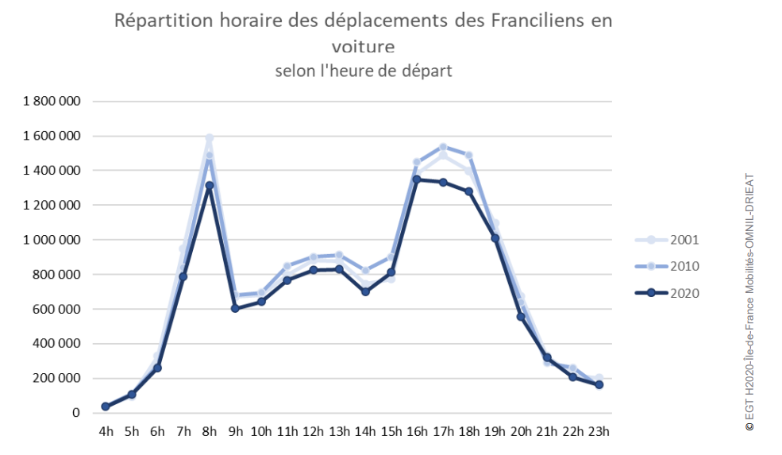
 |  |  |  | 20 | 580 | 4.2%
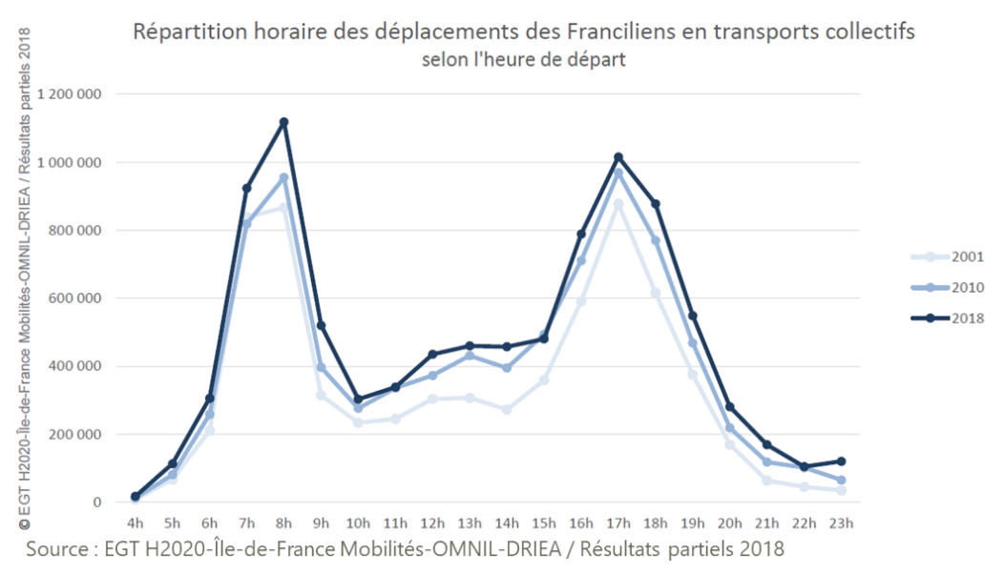
 |  |  |  | 21 | 310 | 2.2%
 |  |  |  | 22 | 200 | 1.4%
 |  |  |  | 23 | 180 | 1.3%
 |  |  |  | Source: | https://omnil.fr/medias/omnil/fdbd2e66-2ea9-47e6-a3a6-1d5d5de409a3_resultats_egt_h2020.pdf

Trips per mode per relation
 | Total number of daily trips | Total number of private vehicle trips
Within Paris | 8450 | 450
Between Paris and the first ring | 3000 | 670
Between Paris and the second ring | 1190 | 270
Total | 12640 | 1390

Share in total trips per mode per relation
 | Share in total number of daily trips | Share in total number of private vehicle trips
Within Paris | 67% | 32%
Between Paris and the first ring | 24% | 48%
Between Paris and the second ring | 9% | 19%
Total | 1 | 1

