Home Page
Test case ID | Test Environment | TestCase | Preconditions | Test Description | Steps to Execute | Expected Results | Actual Results | Pass/Fail | Notes | Screen Shots | Tested By | Test Date
Home-001 | • Browser: Chrome151.0.7922.174 • Device: Desktop (1920*1080) • OS: Windows 11 | Top Navigation Bar | Home page loaded | Verify all links in the top navigation bar redirect to the correct pages | 1.Launch the application in Chrome browser. 2.Verify the homepage loads as EllesCafe home page https://localhost:7145 3.Observe all navigation links (EllesCafe, Home, Menu, Cart and Admin dropdowns) are visible and display correctly when clicked | 1.The application is launched. 2.The user is directed to the EllesCafe Home page(https://localhost:7145/) 3.The Menu Items display correctly. 4.The cart page display correctly. 5.The Admin dropdown login ,dashboard and logout to load and display correctly. | 1. The application launched successfully. 2. The user is directed to the Home page (https://localhost:7145) successfully. 3. The Menu link displayed successfully and directed user to the Menu page: (https://localhost:7145/Menu). 4. The Cart page displayed and loaded successfully. 5. The Admin dropdown login, dashboard and logout links displayed and loaded to respective pages successfully." | Passed | Navigation menu button passed functionality, but identified defect on destination page: (https://localhost:7145/Menu). **Created Menu-001 to track.** | 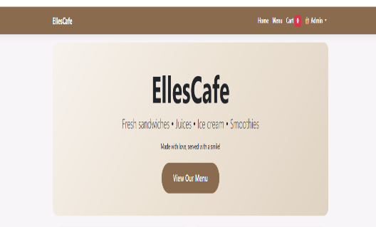 | M. Culp | 2026-08-24
Home-002 | • Browser: Chrome151.0.7922.174 • Device: Desktop (1920*1080) • OS: Windows 11 | • Hero Section • "View Our Menu" Button | Home page loaded | Verify the Hero section "view our menu" button successfully directs user to menu page. | 1. Launch Chrome browser and navigate to the EllesCafe home page (https://localhost:7145/) 2. Scroll to the Hero section (pink gradient banner) 3. Click the "View Our Menu" button 4. Observe the page that loads | 1.The user is redirected to the Menu page (https://localhost:7145/Menu). 2.All menu items displayed correctly without errors. | 1.The user is directed to the /Menu (https://localhost:7145/Menu) successfully. 2.Menu items displayed, but photos are missing (defect tracked separately)." | Passed | Note:Hero section "View Our Menu button passed functionality, but identified defect on destination page: (https://localhost:7145/Menu). **Refer to ticket Menu-001.** |  | M. Culp | 2026-08-24
Home-003 | • Browser: Chrome151.0.7922.174 • Device: Desktop (1920*1080) • OS: Windows 11 | About Section- Content & Button | Home page loaded | Verify the About section displays correct information, spelling, and grammar. Also verify the "View Full Menu" button correctly navigates to the Menu page.(https://localhost:7145/Menu) | 1.Launch Chrome and navigate to the EllesCafe home. 2.Scroll down to the "About EllesCafe" section. 3.Verify the cafe photo displays correctly. 4.Read all text and check for spelling and grammar errors. 5.Click the "View Full Menu" button. 6.Verify it directs to /Menu successfully.(https://localhost:7145/Menu) | 1.The spelling and grammar is correct.2.Scroll down to the "About EllesCafe" section. 3. Verify the cafe photo displays correctly.4.Read all text and check for spelling and grammar errors. 5.Click the "View Full Menu" button directs user successfully to the Menu page(https://localhost:7145/Menu) without errors | 1. No spelling or grammar errors found in the About section. 2. Cafe photo displayed correctly with rounded corners. 3. "View Full Menu" button redirected to /Menu (https://localhost:7145/Menu)successfully. | Pass | Note: About section "View Full Menu button passed functionality, but identified defect on destination page: (https://localhost:7145/Menu). **Refer to ticket Menu-001.** | 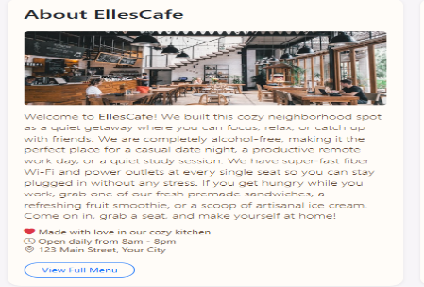 | M. Culp | 2026-08-24
Home-004 | • Browser: Chrome151.0.7922.174 • Device: Desktop (1920*1080) • OS: Windows 11 | Customer Favorites | Home page is loaded | Verify the Customer Favorites section displays correctly and all interactive elements (Order Now buttons, View Full Menu button) function as expected | 1. Launch Chrome and navigate to the EllesCafe home page. 2. Scroll down to the "Customer Favorites" section. 3. Verify all 4 favorite items appear with photos, descriptions, and prices. 4. Click the "Order Now" button on any favorite item. 5. Verify the item is added to the cart (check mini cart or cart badge). 6. Click the "View Full Menu" button. 7. Verify the Menu (https://localhost:7145/Menu) page loads correctly. | 1. All 4 favorite items display with correct photos, descriptions, and prices. 2. Clicking "Order Now" successfully adds the item to the cart. 3. The cart badge updates to reflect the correct item count. 4. Clicking ""View Full Menu"" redirects the user to the Menu page (https://localhost:7145/Menu)." | 1. All 4 favorite items display with correct photos, descriptions, and prices. 2. Clicking ""Order Now"" successfully adds items to the c+I4+G5 | Pass | Note: Customer Favorites section "View Full Menu button passed functionality, but identified defect on destination page: (https://localhost:7145/Menu). **Refer to ticket Menu-001.** | 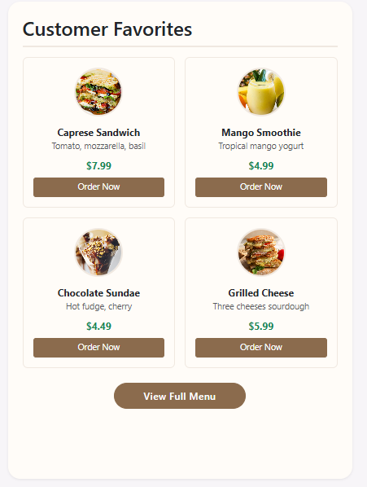 | M. Culp | 2026-08-24
Home-005 | • Browser: Chrome151.0.7922.174 • Device: Desktop (1920*1080) • OS: Windows 11 | Bottom Footer - Content & Links | Home page is loaded | Verify the footer displays correct spelling and all links (Privacy, Menu, Admin) navigate to their corresponding pages without errors. | 1. Launch Chrome and navigate to the EllesCafe home page. 2. Scroll to the bottom of the page to view the footer. 3. Verify the copyright text, cafe name, and address are spelled correctly. 4. Click the "Privacy" link and verify the page loads. 5. Click the "Menu" link and verify the page loads. 6. Click the "Admin" link and verify the page loads. 7. Hover over each link to verify hover effects display correctly. | 1. Footer text displays with correct spelling and grammar. 2. Privacy link directs to /Privacy. 3. Menu link directs to /Menu. 4. Admin link directs to /Admin/Login. 5. Hover effects (underline or color change) display correctly. | 1.The spelling is correct. 2.Privacy and Menu links route users to their corresponding pages. 3.The Admin link routes to a blank page. 4.Hover actions cause links to disappear. | Failed | Defect Found: Admin link is broken. The mouse hover effect removes link visibility. This prevents users from accessing the admin area. Created Admin-001 to track. Note: Footer "Menu" button passed functionality, but destination page has pre-existing defect (https://localhost:7145/Menu). Refer to ticket Menu-001. |  | M.Culp | 2026-08-24
Home-006 | • Browser: Chrome151.0.7922.174 • Device: Desktop (1920*1080) • OS: Windows 11 | Footer Admin Link (Post-Fix Verification) | Admin link fix is applied | Verify the Admin link in the footer now works correctly and hover effect displays properly | 1. Open home page 2. Scroll to footer 3. Hover over Admin link 4. Click Admin link | Hover shows color change. Admin link routes to /Admin/Login. | Hover shows cream color. Admin link routes to /Admin/Login successfully. | Pass | Note:Admin hover links passed . |  | M.Culp | 2026-08-24

Menu
Test case ID | Test Environment | TestCase | Preconditions | Test Description | Steps to Execute | Expected Results | Actual Results | Pass/Fail | Notes | Screen Shots | Tested By | Test Date
Menu-001 | • Browser: Chrome151.0.7922.174 • Device: Desktop (1920*1080) • OS: Windows 11 | Menu Page Load | • User is on the EllesCafe website • Browser cache is cleared • No errors in console before testing | Verify the Menu page loads without errors | 1. Launch Chrome and navigate to the EllesCafe home page. 2. Click the "Menu" link in the navigation bar. 3. Or click "View Our Menu" from the home page. 4. Wait for the page to fully load. 5. Observe the page URL, title, layout, and content. | 1. The URL changes to https://localhost:7145/Menu. 2. The page title shows "Our Full Menu - EllesCafe". 3. The "Our Full Menu" heading is visible. 4. All categories (Sandwiches, Juices, Ice Cream) are displayed. 5. Each item displays: name, description, price, quantity selector, and an "Add to Cart" button. 6. No error messages or broken images appear. | 1. URL updated from `/` to `https://localhost:7145/Menu` instantly. No redirect delays. 2. Page title displayed correctly: "Our Menu - EllesCafe". No lag in title rendering. 3. "Our Full Menu" heading displayed prominently in the center of the page. 4. All 3 categories loaded: Sandwiches (3 items), Juices (3 items), Ice Cream (3 items). 5. All 10 items display: name, description, price, quantity selector (default value: 1), and "Add to Cart" button. Price formatting is consistent ($7.99). 6. No JavaScript errors in the Console (checked under F12). All images loaded successfully — no broken icons detected. | Pass | The mini cart sidebar is misaligned — it's positioned 20-30px too far to the left instead of being flush with the right edge of the page.~~ RESOLVED: Mini cart feature was removed and replaced with a floating "View Cart" button. Defect Menu-001 is now OBSOLETE and closed. ***Navigation and footer validated on Home page (Home-001, Home-005). Only spot-checked here.*** | 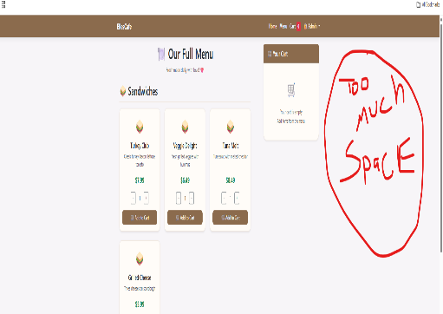 | M. Culp | 2026-08-26
Menu-002 | • Browser: Chrome151.0.7922.174 • Device: Desktop (1920*1080) • OS: Windows 11 | All Categories Display | • Menu page is loaded • Database has items in all categories | Verify Sandwiches, Juices, Ice Cream sections appear | 1. Launch Chrome and navigate to https://localhost:7145/Menu. 2. Scroll through the page and verify the following sections are visible: Sandwiches, Juices, and Ice Cream. 3. Verify each section heading is spelled correctly (e.g., "Sandwiches" not "Sandwitchs"). 4. For each section, verify all items display correctly with name, description, and price. 5. Verify there are no missing or broken images. 6. Check for spelling or grammar errors in item names and descriptions. 7. Verify prices are formatted correctly (e.g., "$7.99"). 8. Verify all "Add to Cart" buttons are present and appear clickable. | 1. Sandwiches, Juices, and Ice Creamcategories appear on the page. 2. Section headings are spelled correctly. 3. All 10 items display with name, description, and price. 4. No spelling or grammar errors are present. 5. Prices are formatted as currency (e.g., "$7.99"). 6. All "Add to Cart" buttons are present and clickable. | 1.Verified all 3 expected categories (Sandwiches, Juices, and Ice Cream) appear on the page. 2.Confirmed all section headings are present and spelled correctly. 3.Verified all 10 menu items successfully display with their name, description, and price. 4.Reviewed all page text; no spelling or grammar errors are present. 5.Confirmed all prices are correctly formatted as currency (e.g., "$7.99"). 6.Verified all "Add to Cart" buttons are present and fully clickable. 7.No JavaScript errors in the Console (checked under F12). All images loaded successfully — no broken icons detected. | Pass | Note: This test PASSED. All 3 categories (Sandwiches, Juices, Ice Cream) displayed correctly with no spelling or grammar errors. All 10 items showed name, description, price, quantity selector, and "Add to Cart" button. | 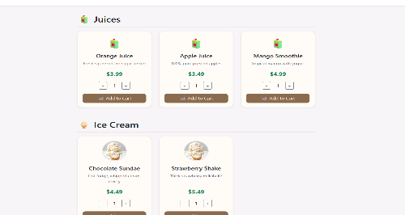 | M. Culp | 2026-08-26
Menu-003 | • Browser: Chrome151.0.7922.174 • Device: Desktop (1920*1080) • OS: Windows 11 | Menu Item Images Display and Load time | • Menu page is loaded • All items have images in the database • DevTools (F12) is open on Network tab | Verify all menu item images load correctly without errors and measure page load time for performance. | 1. Launch Chrome and navigate to https://localhost:7145/Menu. 2. Open Chrome DevTools (F12) → Network tab. 3. Reload the page (Ctrl+R) to capture load time. 4. Record the "Load" time in the Network tab. 5. Scroll through each category and verify all images load. 6. Check for any broken image icons. 7. Verify alt text is present for each image. | 1. Page loads within 3 seconds (performance baseline). 2. All images display correctly (no broken icons). 3. No 404 errors for images in the Network tab. 4. Alt text is present for each image. 5. Images are properly cropped and styled. | 1. Menu page loaded in 284 ms — well within the acceptable performance threshold of 3 seconds. 2. Menu item images were not added. Placeholder icons were displayed in image placeholders. - Duplicate images found in Ice Cream section for Vanilla Cone and Strawberry Shake. 3. Verified in Developer Tools (Network tab) — no 404 errors found. 4. Alt text is present and spelled correctly for all images. 5. Placeholder images are properly styled, but actual menu images are not present. | Failed | Note: This test FAILED. Menu page loaded in 284 ms (within threshold), but menu item images were missing — placeholder icons displayed instead. Duplicate images found in Ice Cream section (Vanilla Cone & Strawberry Shake). No 404 errors or console errors detected. Alt text is present and correct. Defects logged as Menu-003-01 and Menu-003-02. |  | M. Culp | 2026-08-26
Menu-004 | • Browser: Chrome151.0.7922.174 • Device: Desktop (1920*1080) • OS: Windows 11 | Quantity Selector (Plus/Minus) | • Menu page is loaded • Quantity selector bugs are fixe | Verify the quantity selector (+ and - buttons) correctly increases and decreases the quantity displayed for each menu item. | 1. Launch Chrome and navigate to https://localhost:7145/Menu. 2. Locate any menu item (e.g., Turkey Club). 3. Verify the default quantity displays as "1". 4. Click the "+" button three times. 5. Verify the quantity updates to "4". 6. Click the "−" button twice. 7. Verify the quantity updates to "2". 8. Click the "−" button until quantity reaches "1". 9. Verify the quantity does not go below "1". | 1. Default quantity is "1". 2. Clicking "+" increases quantity by 1 each time. 3. Clicking "−" decreases quantity by 1 each time. 4. Quantity cannot go below "1". 5. The displayed number updates instantly. | 1.Page loads with the quantity field pre-filled with "1". 2.Clicking "+" does not change the value; quantity remains at "1". 3.Clicking "-" does not change the value; quantity remains at "1". 4.System doesn’t allow the value to drop below "1". But since the value doesn’t work this is irrelevant. 5.The display value does not update. 6. JavaScript error found in Console: "Uncaught TypeError: Cannot read properties of null (reading 'style') at loadCart (Menu:425:30) at Menu:667:9" This error occurs on page load and prevents the quantity selector from functioning. 7. Defect Menu-004-02 logged for JavaScript error blocking quantity selector. | Failed | Notes:The + and - buttons aren't connected to the quantity update function.The function might be missing or broken.JavaScript can't find the quantity display span. **Created ticket Menu-004-1 and Menu-004-2 to track.** | 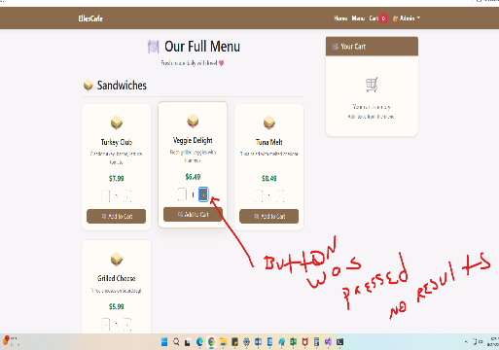 | M. Culp | 2026-08-26
Menu-005***This test case is now OBSOLETE | • Browser: Chrome151.0.7922.174 • Device: Desktop (1920*1080) • OS: Windows 11 | Mini Cart Updates | • Menu page is loaded • Cart is empty • Mini cart is visible | Verify the mini cart sidebar updates correctly when items are added to the cart. | 1. Launch Chrome and navigate to https://localhost:7145/Menu. 2. Verify the mini cart shows "Your cart is empty". 3. Add one item to the cart (e.g., Turkey Club — use quantity 1). 4. Observe the mini cart sidebar. 5. Verify the item appears with correct name, quantity, and price. 6. Add a second item (e.g., Orange Juice). 7. Verify both items appear in the mini cart. 8. Verify the total price is calculated correctly. 9. Verify the mini cart updates instantly (no page refresh). | 1. Mini cart shows empty message when cart is empty. 2. After adding an item, the item appears with name, quantity (1), and price. 3. After adding a second item, both items appear. 4. Total price is calculated correctly (sum of all items). 5. Mini cart updates instantly — no page refresh needed. | 1.Empty cart shows "Your cart is empty" message 2.Single item displays name, quantity (1), and price 3.Multiple items appear in the cart 4.Total price calculates correctly (sum of all items) 5.Updates instantly - no page refresh needed | Passed | Note: This test case is now OBSOLETE. The mini cart feature was removed and replaced with a floating "View Cart" button. No further testing required for this test case. Refer to Menu-008 for the new floating cart tests. | 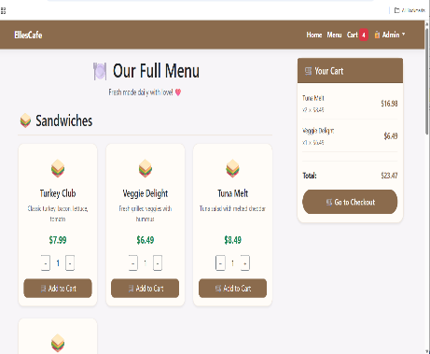 | M. Culp | 2026-08-26
Menu-006 | • Browser: Chrome151.0.7922.174 • Device: Desktop (1920*1080) • OS: Windows 11 | Cart Badge Updates | • Menu page is loaded • Cart is empty • Duplicate event listener is removed | Verify cart badge is hidden when cart is empty | 1. Launch Chrome and navigate to https://localhost:7145/Menu. 2.The cart icon should be empty. 3.Add 1 item to cart 4.Add a second item to cart 5.Add a third item to cart 6.Remove 1 item from cart 7.Remove remaining items until cart is empty 8.Add 1 item and check badge updates instantly without page refresh | 1.The badge count is 0. 2.The badge count updates to 1 3.The badge count updates to 2 4.The badge count updates to 3 5.The badge count updates to 0 6.The badge count show “1”immeditaly | 1. Cart is empty — no badge is displayed (badge count is 0). 2. Added 1 item (Turkey Club) → badge updated to "1" — this is correct. 3. Added a second item (Orange Juice) → badge updated to "2" — this is correct. 4. Added a third item (Grilled Cheese) → badge updated to "3" — this is correct. 5. Removed 1 item → badge updated to "2" — this is correct. 6. Removed remaining items until cart is empty → badge returned to "0" — this is correct. 7. Added 1 item → badge updated to "1" instantly — this is correct. 8. Important observation: The badge count appears to double when multiple quantities of the same item are added. (Example: adding 1 Turkey Club shows "2" instead of "1" on the second addition.) 9. Console errors found: - Error 1: "Uncaught TypeError: Cannot read properties of null (reading 'style') at loadCart (Menu:425:30) at Menu:667:9" - Error 2: "[Violation] Permissions policy violation: unload is not allowed in this document." | Failed | Notes:This test has FAILED due to the badge doubling bug and console errors. The defect has been logged in the Defects spreadsheet. .**Created ticket Defect-006-1 to track. Note** - Error 2: "[Violation] Permissions policy violation:This is a browser-level warning, not a code defect. The application works as expected despite this warning. No code changes required. Closing as "Not a Defect" with documentation. | 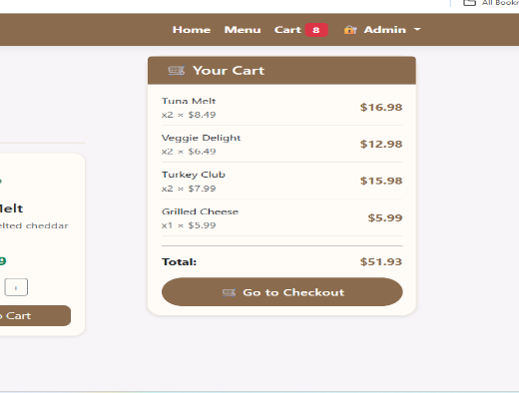 | M. Culp | 2026-08-26
Menu-007 | • Browser: Chrome151.0.7922.174 • Device: Desktop (1920*1080) • OS: Windows 11 | Back to Top Button | • Menu page is loaded • Page is scrolled to the bottom | Verify the functionality of the "Back to Top" button on the menu page | 1. Launch Chrome and navigate to https://localhost:7145/Menu. 2.Click the "Back to Top" button 3.Verify the menu page scrolls back to the top | 1.The page instantly scrolls to the very top, displaying the header/top of the menu page. | 1. Before clicking, scrolled down to the bottom of the Menu page to ensure the button was visible. 2. Clicked the "Back to Top" button. 3. The page instantly scrolled to the very top, displaying the header/top of the menu page. 4. The scroll was smooth and responsive — no lag or delay. 5. No JavaScript errors detected in the Console (checked under F12). | Passed | Note:Page scrolled to the top correctly. |  | M. Culp | 2026-08-26

Cart
Test case ID | Test Environment | Test Case | Preconditions | Test Description | Steps to Execute | Expected Results | Actual Results | Pass/Fail | Notes | Screen Shots | Tested By | Test Date
Cart-001 | • Browser: Chrome151.0.7922.174 • Device: Desktop (1920*1080) • OS: Windows 11 | Cart Page Loads | Cart has items (so the page doesn't show "empty state"). | Verify the Cart page loads without errors and displays the correct header and layout. | 1. Launch Chrome and navigate to the Menu page. 2. Add at least 2 items to the cart. 3. Click the "Cart" link in the navigation bar. 4. Wait for the page to fully load. 5. Observe the page URL, title, layout, and content. 6. Verify all items appear in the cart table. 7. Verify the "Place Your Order" section is visible. | 1. The URL changes to https://localhost:7145/Cart. 2. The page title shows "Your Cart - EllesCafe". 3. The cart table displays all items with quantities, prices, and totals. 4. The grand total is displayed correctly. 5. The "Place Your Order" section is visible. 6. No error messages appear. | 1. The URL successfully changed to https://localhost:7145/Cart.— PASS 2. The page title correctly displays "Your Cart - EllesCafe— PASS 3. The cart table displays all items with quantities, prices, and totals. - However, quantities are incorrect due to the quantity selector bug identified in Menu-004.— FAIL - This issue is tracked under Menu-004-01 and Menu-004-02.— FAIL 4. The grand total is displayed but is incorrect due to the quantity doubling bug identified in Menu-006.— FAIL - This issue is tracked under Menu-006-01.— FAIL 5. The "Place Your Order" section is visible and contains the name input and Place Order button— PASS 6. A console error was found:— FAIL - Error: "[Violation] Permissions policy violation: unload is not allowed in this document."— FAIL - This appears to be related to the same JavaScript issue identified in Menu-006-02.— FAIL | Fail | Note: This test has FAILED due to incorrect quantities, incorrect grand total, and console errors. All issues are linked to pre-existing defects logged in the Defects spreadsheet. Refer to Menu-004-01, Menu-004-02, Menu-006-01, and Menu-006-02. | 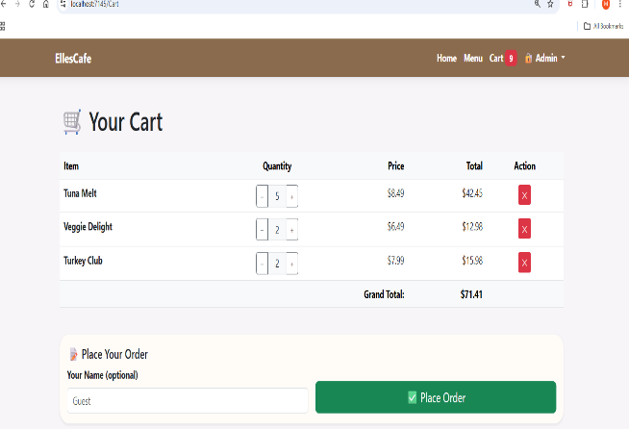 | M.Culp | 2026-08-27
Cart-002 | • Browser: Chrome151.0.7922.174 • Device: Desktop (1920*1080) • OS: Windows 11 | Cart Items Display Correctly | Cart has multiple items. | Verify all items in the cart display with correct names, quantities, prices, and totals. | 1. Launch Chrome and navigate to the Cart page. 2. Verify each item in the table. 3. Check the item name matches what was added. 4. Check the quantity matches what was added. 5. Check the price matches the item's price. 6. Check the total (price × quantity) is calculated correctly. | 1. All items appear in the cart table. 2. Item names are correct. 3. Quantities are correct. 4. Prices are correct. 5. Item totals (price × quantity) are calculated correctly. | 1. All items appear in the cart table.— PASS 2. Item names are correct— PASS 3. Quantities are incorrect due to the quantity selector bug (Menu-004-01, Menu-004-02).— FAIL 4. Prices are correct. 5. Item totals (price × quantity) are calculated incorrectly due to the quantity issue.— FAIL | Fail | Note:This test has FAILED due to incorrect quantities and item totals. All items display with correct names and prices, but the quantity issue from Menu-004 prevents accurate calculations. Refer to Menu-004-01 and Menu-004-02. | 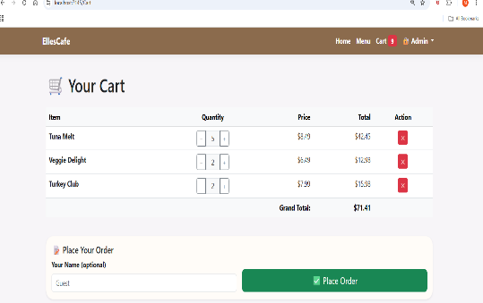 | M.Culp | 2026-08-27
Cart-003 | • Browser: Chrome151.0.7922.174 • Device: Desktop (1920*1080) • OS: Windows 11 | Cart Quantity Update (+/-) | Cart has at least 1 item. | Verify the + and - buttons in the cart correctly update item quantities and totals. | 1. Launch Chrome and navigate to the Cart page. 2. Click the "+" button on an item. 3. Verify the quantity increases by 1. 4. Verify the item total updates. 5. Verify the grand total updates. 6. Click the "−" button on the same item. 7. Verify the quantity decreases by 1. 8. Verify the item total and grand total update. | 1. Clicking "+" increases quantity by 1. 2. Clicking "−" decreases quantity by 1. 3. Quantity cannot go below "1". 4. Item total updates instantly. 5. Grand total updates instantly. | 1. Clicking the "+" button successfully increases the quantity by 1 for the selected item. — PASS 2. Clicking the "−" button successfully decreases the quantity by 1 for the selected item. — PASS 3. The quantity does NOT stop at "1". Instead, when the quantity drops below "1", the item is completely removed from the cart. This behavior is unexpected and does not match the expected result. — FAIL 4. The item total (price × quantity) updates instantly after each quantity change. — PASS 5. The grand total updates instantly after each quantity change. — PASS | Fail | Note: This test has FAILED due to the quantity selector allowing the quantity to drop below "1" and deleting the item instead of stopping at "1". The + and - buttons update totals correctly, but the delete behavior is unexpected and needs to be addressed. Refer to Cart-003-01. | 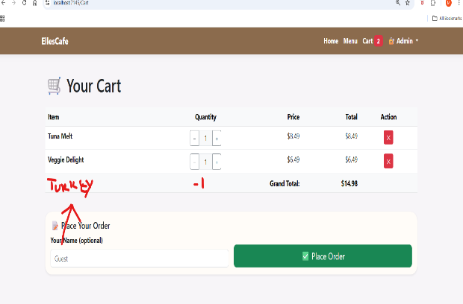 | M.Culp | 2026-08-27
Cart-004 | • Browser: Chrome151.0.7922.174 • Device: Desktop (1920*1080) • OS: Windows 11 | Remove Item from Cart | Cart has at least 2 items. | Verify the ✕ (remove) button correctly removes an item from the cart. | 1. Launch Chrome and navigate to the Cart page. 2. Click the ✕ button on one item. 3. Verify the item is removed from the table. 4. Verify the grand total updates. 5. Verify the cart badge in the navigation updates. | 1. The item is removed from the cart table. 2. The grand total updates to reflect the removal. 3. The cart badge updates to show the new total count. 4. No errors occur. | 1. Clicking the ✕ button removed the selected item from the cart table.— PASS 2. The grand total updated instantly to reflect the removal— PASS 3. The cart badge updated to show the new total count— PASS 4. No errors appeared in the Console— PASS | Passed | Note: This test PASSED. The item was removed successfully, and all related fields updated instantly. |  | M.Culp | 2026-08-31
Cart-005 | • Browser: Chrome151.0.7922.174 • Device: Desktop (1920*1080) • OS: Windows 11 | Grand Total Calculation | Cart has multiple items with different quantities. | Verify the grand total calculates correctly as the sum of all item totals. | 1. Launch Chrome and navigate to the Cart page. 2. Record the quantity and price of each item. 3. Manually calculate the expected grand total. 4. Compare with the displayed grand total. 5. Change the quantity of one item. 6. Verify the grand total updates correctly. | 1. Grand total equals the sum of all item totals (price × quantity). 2. Grand total updates instantly when quantities change. 3. Grand total displays with correct currency formatting (e.g., "$57.92") | 1. Manually calculated the expected grand total: $37.95. 2. The displayed grand total showed $45.94, which did NOT match the manual calculation. — FAIL 3. Changed the quantity of one item from 1 to 2. 4. The grand total updated incorrectly due to the quantity doubling bug. — FAIL 5. The grand total displayed with correct currency formatting: "$45.94". — PASS 6. The mini cart showed 5 items instead of the expected 3. — FAIL 7. The nav badge showed 6 items instead of the expected 3. — FAIL 8. The cart page showed 6 items instead of the expected 3. — FAIL 9. Console errors detected (refer to Menu-004-02 and Menu-006-01). | Fail | Note: This test has FAILED due to incorrect grand total calculation, incorrect item counts in the mini cart, nav badge, and cart page. All issues are linked to the quantity doubling bug and quantity selector bug. Refer to Menu-004-01, Menu-004-02, and Menu-006-01. | 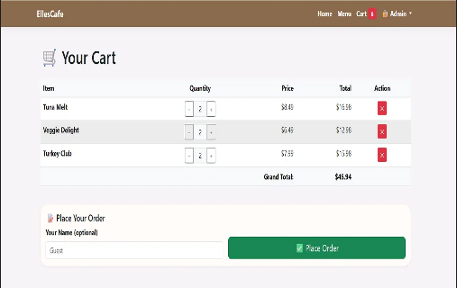 | M.Culp | 2026-08-31
Cart-006 | • Browser: Chrome151.0.7922.174 • Device: Desktop (1920*1080) • OS: Windows 11 | Place Order Successfully | Cart has at least 1 item. | Verify the "Place Order" button saves the order to the database and redirects to the Confirmation page. | 1. Launch Chrome and navigate to the Cart page. 2. Enter a name in the "Your Name" field (e.g., "Michelle C"). 3. Click the "Place Order" button. 4. Wait for the page to redirect. 5. Verify the Confirmation page loads. 6. Verify the order number is displayed. 7. Verify the customer name appears. 8. Verify the order items and totals appear. 9. Check the database (SSMS) to verify the order was saved. | 1. Order saves to the database. 2. User is redirected to /Confirmation?id={orderId}. 3. Confirmation page displays order number, name, items, and total. 4. No errors occur. | 1. Entered name: "Michelle C".— PASS 2. Clicked "Place Order" — page redirected instantly.— PASS 3. Confirmation page loaded successfully.— PASS 4. Order number displayed: #1.— PASS 5. Customer name appeared correctly: "Michelle C".— PASS 6. Order items and totals appeared correctly.— PASS 7. Verified in SSMS — order was saved to the Orders table with the correct data.— PASS 8. No console errors detected.— PASS | Passed | Note: This test PASSED. The order was saved to the database, the confirmation page loaded with the correct details, and no errors occurred. | 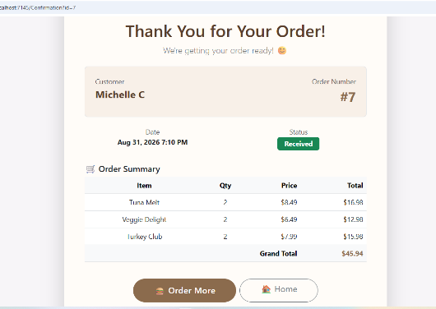 | M.Culp | 2026-08-31
Cart-007 | • Browser: Chrome151.0.7922.174 • Device: Desktop (1920*1080) • OS: Windows 11 | Empty Cart State | Cart is empty. | Verify the Cart page displays the empty cart message when no items are in the cart. | 1. Launch Chrome and navigate to the Cart page. 2. Verify the page shows "Your cart is empty". 3. Verify the cart table is not visible. 4. Verify the "Place Your Order" section is not visible. 5. Verify the cart badge shows "0". | 1. "Your cart is empty" message is displayed. 2. Cart table is hidden. 3. "Place Your Order" section is hidden. 4. Cart badge shows "0". | 1. "Your cart is empty" message was displayed on the Cart page. — PASS 2. The cart table was not visible. — PASS 3. The "Place Your Order" section was not visible. — PASS 4. The cart badge in the navigation bar displayed "0". — PASS 5. No console errors detected. — PASS | Passed | Note: This test PASSED. The empty cart message was displayed correctly, all sections were hidden, and the badge showed "0". | 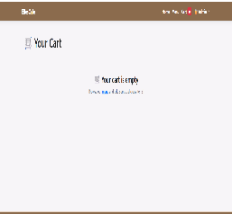 | M.Culp | 2026-08-31

Admin LoginLogout
Test case ID | Test Environment | TestCase | Preconditions | Test Description | Steps to Execute | Expected Results | Actual Results | Pass/Fail | Notes | Screen Shots | Tested By | Test Date
Admin-001 | • Browser: Chrome151.0.7922.174 • Device: Desktop (1920*1080) • OS: Windows 11 | Admin Login — Valid Credentials (Access Dashboard) | User is not logged in. | Verify login works with correct credentials | 1. Launch Chrome and navigate to the Admin Login page (/Admin/Login).https://localhost:7145/Admin/Login 2. Enter valid username: admin. 3. Enter valid password: EllesCafe2026. 4. Click the "Login" button. 5. Verify the page redirects to the Dashboard. 6. Verify the Dashboard loads without errors. 7. Verify no console errors appear. | 1. User is redirected to /Admin/Dashboard. 2. Dashboard loads with menu items displayed. 3. The Admin dropdown still shows "Dashboard" and "Logout". 4. No errors occur. | 1. Entered username: "admin". — PASS 2. Entered password: "EllesCafe2026". — PASS 3. Clicked the "Login" button. — PASS 4. Page redirected to /Admin/Dashboard successfully. — PASS 5. Dashboard loaded with all menu items displayed. — PASS 6. Admin dropdown displayed "Dashboard" and "Logout" options. — PASS 7. No console errors detected. — PASS | Pass | Note: This test PASSED. The admin login accepted valid credentials, redirected to the Dashboard, and all menu items loaded without errors. | 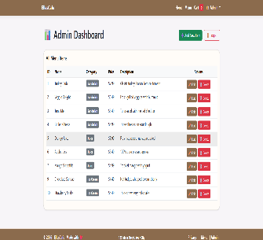 | M.Culp | 2026-08-31
Admin-002 | • Browser: Chrome151.0.7922.174 • Device: Desktop (1920*1080) • OS: Windows 11 | Admin Login — Invalid Credentials (Error Message) | User is not logged in. | Verify error message appears for wrong credentials | 1. Launch Chrome and navigate to the Admin Login page https://localhost:7145/Admin/Login. 2. Enter invalid username (e.g., wrong user). 3. Enter invalid password (e.g., wrongpass). 4. Click the "Login" button. 5. Verify an error message is displayed. 6. Verify the user remains on the Login page. 7. Verify no redirect to Dashboard occurs. 8. Verify no console errors appear. | 1. Error message appears: "Invalid username or password. Please try again." 2. User remains on the Login page. 3. The URL remains /Admin/Login. 4. No redirect to Dashboard occurs. | 1. Entered invalid username: "wronguser". — PASS 2. Entered invalid password: "wrongpass". — PASS 3. Clicked the "Login" button. — PASS 4. Error message appeared: "Invalid username or password. Please try again." — PASS 5. User remained on the Login page. — PASS 6. URL remained /Admin/Login. — PASS 7. No redirect to Dashboard occurred. — PASS 8. No console errors detected. — PASS | Pass | Note: This test PASSED. Invalid credentials were rejected, an error message was displayed, and the user remained on the Login page. No redirect to Dashboard occurred. | 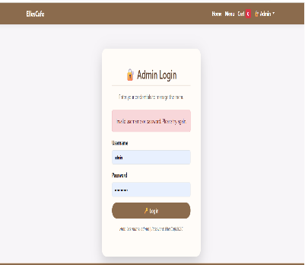 | M.Culp | 2026-08-31
Admin-003 | • Browser: Chrome151.0.7922.174 • Device: Desktop (1920*1080) • OS: Windows 11 | Admin Logout-Redirect to Home | User is logged in as admin. | Verify logout clears session and redirects to home page | 1. Launch Chrome and navigate to the Admin Dashboard. 2. Click the "Logout" button in the Admin dropdown. 3. Verify the user is redirected to the Home page. 4. Attempt to navigate back to /Admin/Dashboard. 5. Verify the user is redirected to the Login page (not logged in). 6. Verify no console errors appear. | 1. User is redirected to the Home page (/). 2. The Admin dropdown no longer shows "Dashboard" and "Logout" (or session is cleared). 3. Attempting to access /Admin/Dashboard redirects to /Admin/Login. 4. No errors occur. | 1. Logged in as admin successfully. — PASS 2. Navigated to the Admin Dashboard. — PASS 3. Clicked the "Logout" button in the Admin dropdown. — PASS 4. User was redirected to the Home page (/). — PASS 5. Attempted to navigate back to /Admin/Dashboard. — PASS 6. User was redirected to the Login page (/Admin/Login). — PASS 7. No console errors detected. — PASS | Pass | Note: This test PASSED. The Logout button successfully cleared the admin session and redirected to the Home page. Attempting to access the Dashboard redirected to the Login page. | 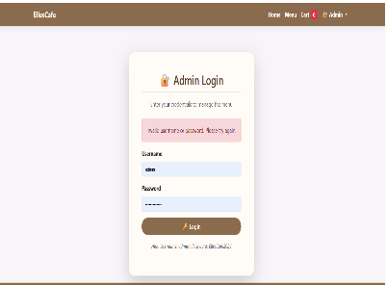 | M.Culp | 2026-08-31
Admin-004 | • Browser: Chrome151.0.7922.174 • Device: Desktop (1920*1080) • OS: Windows 11 | Admin Dashboard Access — Unauthorized (Redirect) | User is not logged in. | Verify that typing /Admin/Dashboard in the browser without logging in redirects to the Login page. | 1. Open a fresh browser (not logged in). 2. Type https://localhost:7145/Admin/Dashboard in the address bar. 3. Press Enter. 4. Observe what happens. | 1. User is redirected to /Admin/Login. 2. The Login page loads with the login form. 3. No errors occur. | 1. Opened a fresh browser (not logged in). — PASS 2. Navigated directly to /Admin/Dashboard. — PASS 3. User was redirected to the Login page (/Admin/Login). — PASS 4. The Login page loaded with the login form. — PASS 5. No console errors detected. — PASS | Pass | Note: This test PASSED. Unauthorized access to the Admin Dashboard was properly blocked. The user was redirected to the Login page. The admin area is secure. | 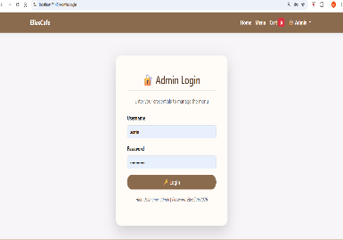 | M.Culp | 2026-08-31
Admin-005 | • Browser: Chrome151.0.7922.174 • Device: Desktop (1920*1080) • OS: Windows 11 | Admin Session Persistence | User is logged in as admin. | Verify session persists across pages | 1. Launch Chrome and log in as admin. 2. Navigate to the Home page. 3. Navigate to the Menu page. 4. Navigate back to the Admin Dashboard. 5. Verify the Dashboard loads without asking for login again. 6. Verify no console errors appear. | 1. Admin session persists across all pages. 2. Navigating back to Dashboard loads without re-login. 3. No errors occur. | 1. Logged in as admin successfully. — PASS 2. Navigated to the Home page — session remained active. — PASS 3. Navigated to the Menu page — session remained active. — PASS 4. Navigated back to the Admin Dashboard — loaded without re-login. — PASS 5. No console errors detected. — PASS | Pass | Note: This test PASSED. The admin session persisted across all pages without requiring re-login. The session is working correctly. | 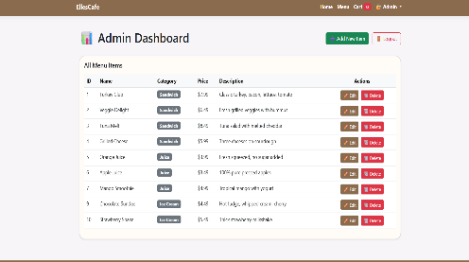 | M.Culp | 2026-08-31

Admin Dashboard
Test case ID | Test Environment | TestCase | Preconditions | Test Description | Steps to Execute | Expected Results | Actual Results | Pass/Fail | Notes | Screen Shots | Tested By | Test Date
Dashboard-001 | • Browser: Chrome151.0.7922.174 • Device: Desktop (1920*1080) • OS: Windows 11 | Dashboard Loads Successfully | User is logged in as admin. | Verify the Dashboard page loads without errors | 1. Launch Chrome and log in as admin. 2. Navigate to /Admin/Dashboard. 3. Verify the page title is "Admin Dashboard - EllesCafe". 4. Verify the "Admin Dashboard" heading is visible. 5. Verify the "All Menu Items" subheading is visible. 6. Verify the "Add New Item" button is visible. 7. Verify the "Logout" button is visible. 8. Verify no console errors appear. | 1. Dashboard loads without errors. 2. Page title is "Admin Dashboard - EllesCafe". 3. "Admin Dashboard" heading is visible. 4. "All Menu Items" subheading is visible. 5. "Add New Item" button is visible. 6. "Logout" button is visible. 7. No console errors. | 1. Logged in as admin successfully. — PASS 2. Navigated to /Admin/Dashboard. — PASS 3. Page title displayed: "Admin Dashboard - EllesCafe". — PASS 4. "Admin Dashboard" heading is visible. — PASS 5. "All Menu Items" subheading is visible. — PASS 6. "Add New Item" button is visible. — PASS 7. "Logout" button is visible. — PASS 8. No console errors detected. — PASS | Pass | Note: This test PASSED. The Admin Dashboard loaded without errors and all expected elements were visible. | 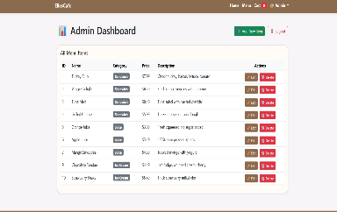 | M.Culp | 2026-08-31
Dashboard-002 | • Browser: Chrome151.0.7922.174 • Device: Desktop (1920*1080) • OS: Windows 11 | All Menu Items Displayed | User is logged in as admin. | Verify all menu items appear in the table with correct data | 1. Launch Chrome and log in as admin. 2. Navigate to /Admin/Dashboard. 3. Verify the table displays all menu items. 4. Verify each row contains: ID, Name, Category, Price, Description. 5. Verify the data in each row matches the database. 6. Verify no console errors appear. | 1. All menu items are displayed in the table. 2. Each row contains: ID, Name, Category, Price, Description. 3. Data matches the database. 4. No console errors. | 1. Logged in as admin successfully. — PASS 2. Navigated to /Admin/Dashboard. — PASS 3. All 9 menu items are displayed in the table. — PASS 4. Each row contains: ID, Name, Category, Price, Description. — PASS 5. Data matches the database records. — PASS 6. No console errors detected. — PASS | Pass | Note: This test PASSED. All menu items were displayed correctly with accurate data in each column. |  | M.Culp | 2026-08-31
Dashboard-003 | • Browser: Chrome151.0.7922.174 • Device: Desktop (1920*1080) • OS: Windows 11 | Edit Button Functionality | User is logged in as admin. | Verify the Edit button redirects to the Edit page | 1. Launch Chrome and log in as admin. 2. Navigate to /Admin/Dashboard. 3. Click the "Edit" button for an item (e.g., Turkey Club). 4. Verify the user is redirected to /Admin/Edit?id={itemId}. 5. Verify the Edit page loads with the item's data pre-filled. 6. Verify no console errors appear. | 1. User is redirected to /Admin/Edit?id={itemId}. 2. Edit page loads with item data pre-filled. 3. No console errors. | 1. Logged in as admin successfully. — PASS 2. Navigated to /Admin/Dashboard. — PASS 3. Clicked the "Edit" button for Turkey Club (ID: 1). — PASS 4. Redirected to /Admin/Edit?id=1 successfully. — PASS 5. Edit page loaded with item data pre-filled. — PASS 6. No console errors detected. — PASS | Pass | Note: This test PASSED. The Edit button correctly redirected to the Edit page with the selected item's data pre-filled. | 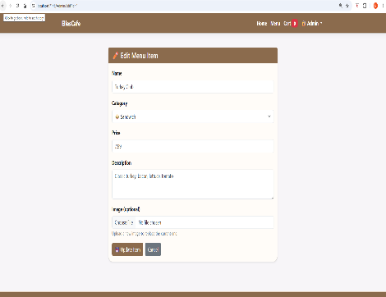 | M.Culp | 2026-08-31
Dashboard-004 | • Browser: Chrome151.0.7922.174 • Device: Desktop (1920*1080) • OS: Windows 11 | Delete Button Functionality | User is logged in as admin. | Verify the Delete button removes an item with confirmation | 1. Launch Chrome and log in as admin. 2. Navigate to /Admin/Dashboard. 3. Click the "Delete" button for an item (e.g., Tuna Melt). 4. Verify a confirmation dialog appears. 5. Click "OK" to confirm deletion. 6. Verify the item is removed from the table. 7. Verify the item is removed from the database (check SSMS). 8. Verify no console errors appear. | 1. Confirmation dialog appears. 2. Item is removed from the table. 3. Item is removed from the database. 4. No console errors. | 1. Logged in as admin successfully. — PASS 2. Navigated to /Admin/Dashboard. — PASS 3. Clicked the "Delete" button for Tuna Melt (ID: 3). — PASS 4. Confirmation dialog appeared. — PASS 5. Clicked "OK" to confirm deletion. — PASS 6. Item was removed from the table. — PASS 7. Verified in SSMS — item was removed from the database. — PASS 8. No console errors detected. — PASS | Pass | Note: This test PASSED. The Delete button successfully removed the selected item from both the table and the database after confirmation. |  banana ice cream cup was deleted | M.Culp | 2026-08-31
Dashboard-005 | • Browser: Chrome151.0.7922.174 • Device: Desktop (1920*1080) • OS: Windows 11 | Add New Item Button | User is logged in as admin. | Verify the Add New Item button redirects to the Create page | 1. Launch Chrome and log in as admin. 2. Navigate to /Admin/Dashboard. 3. Click the "Add New Item" button. 4. Verify the user is redirected to /Admin/Create. 5. Verify the Create page loads with the form. 6. Verify no console errors appear. | 1. User is redirected to /Admin/Create. 2. Create page loads with the form. 3. No console errors. | 1. Clicked the "Add New Item" button. — PASS 2. Redirected to /Admin/Create. — PASS 3. Create page loaded with the form. — PASS 4. Filled in all fields and selected an image. — PASS 5. Clicked "Save" — item was added to the database. — PASS 6. Image did NOT upload — placeholder icon displayed instead. — FAIL (Linked to Menu-003-01)(DO NOT DUPLICATE) 7. No new console errors detected. — PASS | Pass | Note: This test PASSED for functionality, but the image upload failed. This is the same issue identified in Menu-003-01. No new defect needed. |  banana ice cream cup was added | M.Culp | 2026-08-31
Dashboard-006 | • Browser: Chrome151.0.7922.174 • Device: Desktop (1920*1080) • OS: Windows 11 | Logout Button | User is logged in as admin. | Verify the Logout button logs out the admin user | 1. Launch Chrome and log in as admin. 2. Navigate to /Admin/Dashboard. 3. Click the "Logout" button. 4. Verify the user is redirected to the Home page (/). 5. Attempt to navigate back to /Admin/Dashboard. 6. Verify the user is redirected to the Login page (/Admin/Login). 7. Verify no console errors appear. | 1. User is redirected to the Home page. 2. Session is cleared. 3. Attempting to access Dashboard redirects to Login. 4. No console errors. | 1. Logged in as admin successfully. — PASS 2. Navigated to /Admin/Dashboard. — PASS 3. Clicked the "Logout" button. — PASS 4. Redirected to the Home page (/) successfully. — PASS 5. Attempted to navigate back to /Admin/Dashboard. — PASS 6. Redirected to the Login page (/Admin/Login). — PASS 7. Session was cleared successfully. — PASS 8. No console errors detected. — PASS | Pass | Note: This test PASSED. The Logout button successfully cleared the admin session and redirected to the Home page. Attempting to access the Dashboard redirected to the Login page. | 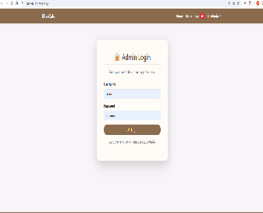 | M.Culp | 2026-08-31

