Home Page
Test case ID | TestCase | Preconditions | Test Description | Steps to Execute | Expected Results | Actual Results | Pass/Fail | Notes | Jira Ticket Number | Resolution/Retest | Screen Shots | Tested By | Test Date
TC-HOME-NAV-01 | Top Navigation Bar | Home page loaded | Check that every link in the top navigation bar opens the correct page | 1. Open the app in Chrome. 2. Confirm the home page loads at https://localhost:7145. 3. Check that all nav links (EllesCafe, Home, Menu, Cart, Admin dropdown) are visible and open the right pages when clicked. | 1.The application is launched. 2.The user is directed to the EllesCafe Home page(https://localhost:7145/) 3.The Menu Items display correctly. 4.The cart page display correctly. 5.The Admin dropdown login ,dashboard and logout to load and display correctly. | 1. The application launched successfully. 2. The user is directed to the Home page (https://localhost:7145) successfully. 3. The Menu link displayed successfully and directed user to the Menu page: (https://localhost:7145/Menu). 4. The Cart page displayed and loaded successfully. 5. The Admin dropdown login, dashboard and logout links displayed and loaded to respective pages successfully." | Passed | IMPORTANT NOTE: Nav buttons work. A defect was found on the Menu page they link to — tracked as TC-MENU-IMAGES-01. |  | N/A | 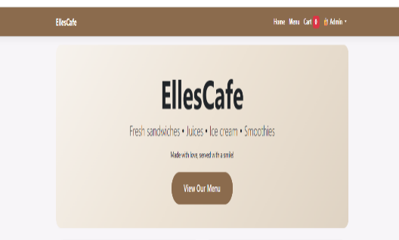 | M. Culp | 2026-08-24
TC-HOME-HERO-01 | Hero Section — "View Our Menu" Button | Home page loaded | Check that the Hero section's "View Our Menu" button opens the Menu page | 1. Open Chrome and go to https://localhost:7145/. 2. Scroll to the Hero section (pink gradient banner). 3. Click View Our Menu. 4. Watch which page loads. | 1.The user is redirected to the Menu page (https://localhost:7145/Menu). 2.All menu items displayed correctly without errors. | 1.The user is directed to the /Menu (https://localhost:7145/Menu) successfully. 2.Menu items displayed, but photos are missing (defect tracked separately)." | Passed | IMPORTANT NOTE: The View Our Menu button works. A defect was found on the Menu page it links to — tracked as TC-MENU-IMAGES-01. |  | N/A |  | M. Culp | 2026-08-24
TC-HOME-ABOUT-01 | About Section- Content & Button | Home page loaded | Check the About section for correct info, spelling, and grammar, and confirm "View Full Menu" opens the Menu page | 1. Open Chrome and go to the EllesCafe home page. 2. Scroll to the About EllesCafe section. 3. Confirm the cafe photo displays correctly. 4. Read all text and check for spelling and grammar errors. 5. Click View Full Menu. 6. Confirm it opens https://localhost:7145/Menu. | 1. Spelling and grammar are correct. 2. You can scroll to the About EllesCafe section. 3. Cafe photo displays correctly. 4. All text is free of spelling and grammar errors. 5. View Full Menu opens the Menu page (https://localhost:7145/Menu) with no errors. | 1. No spelling or grammar errors in the About section. 2. Cafe photo displayed correctly with rounded corners. 3. View Full Menu opened https://localhost:7145/Menu successfully. | Pass | IMPORTANT NOTE: The View Full Menu button works. A defect was found on the Menu page it links to — tracked as TC-MENU-IMAGES-01. |  | N/A |  | M. Culp | 2026-08-24
TC-HOME-FAVORITE-01 | Customer Favorites | Home page loaded | Check that the Customer Favorites section displays correctly and that its buttons (Order Now, View Full Menu) work | 1. Open Chrome and go to the EllesCafe home page. 2. Scroll to Customer Favorites. 3. Confirm all 4 favorite items show photos, descriptions, and prices. 4. Click Order Now on any item. 5. Confirm the item is added to the cart (check mini cart or cart badge). 6. Click View Full Menu. 7. Confirm the Menu page (https://localhost:7145/Menu) loads correctly. | 1. All 4 favorite items display with correct photos, descriptions, and prices. 2. Clicking Order Now adds the item to the cart. 3. The cart badge updates with the correct item count. 4. Clicking View Full Menu opens the Menu page (https://localhost:7145/Menu). | 1. All 4 favorite items displayed with correct photos, descriptions, and prices. 2. Clicking Order Now successfully added items to the cart. | Pass | IMPORTANT NOTE: The View Full Menu button works. A defect was found on the Menu page it links to — tracked as TC-MENU-IMAGES-01. |  | N/A | 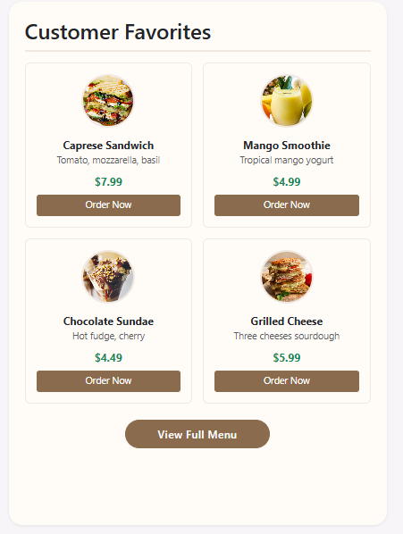 | M. Culp | 2026-08-24
TC-HOME-FOOTER-01 | Bottom Footer - Content & Links | Home page loaded | Check that the footer text is spelled correctly and that the Privacy, Menu, and Admin links each open the right page with no errors.. | 1. Open Chrome and go to the EllesCafe home page. 2. Scroll to the bottom to see the footer. 3. Check the copyright text, cafe name, and address for correct spelling. 4. Click Privacy and confirm the page loads. 5. Click Menu and confirm the page loads. 6. Click Admin and confirm the page loads. 7. Hover over each link and confirm the hover effect shows correctly. | 1. Footer text has correct spelling and grammar. 2. Privacy opens /Privacy. 3. Menu opens /Menu. 4. Admin opens /Admin/Login. 5. Hover effects (underline or color change) display correctly. | 1. Spelling is correct. 2. Privacy and Menu open their pages correctly. 3. The Admin link opens a blank page. 4. Hovering over a link makes it disappear | Failed. Pass Check Resolution/Retest Column | Defect: the footer Admin link is broken and hover hides the link text, so users can't reach the admin area. Tracked as TC-HOME-FOOTER-01. The footer Menu link itself works, but the Menu page has a pre-existing image defect — tracked as TC-MENU-IMAGES-01 | ECS-1 | Retested and Passed in TC-HOME-FOOTER-02 — hover now shows cream, and the Admin link routes to /Admin/Login successfully. Closed as Resolved. |  | M.Culp | 2026-08-24
TC-HOME-FOOTER-02 | Footer Admin Link (Post-Fix Verification) | Admin link fix applied | Check that the footer Admin link now works and its hover effect shows properly | 1. Open home page 2. Scroll to footer 3. Hover over Admin link 4. Click Admin link | Hover shows color change. Admin link routes to /Admin/Login. | Hover shows cream color. Admin link routes to /Admin/Login successfully. | Pass | Note:Admin hover links passed . |  | N/A |  | M.Culp | 2026-08-24

Menu
Test case ID | TestCase | Preconditions | Test Description | Steps to Execute | Expected Results | Actual Results | Pass/Fail | Notes | Jira Ticket ID | Resolution/Retest | Screen Shots | Tested By | Test Date
TC-MENU-LOAD-01 | Menu Page Load | •User is on the EllesCafe website •Browser cache is cleared •No errors in the console before testing | Check that the Menu page loads cleanly with no errors. | 1. Open Chrome and go to the EllesCafe home page. 2. Click the Menu link in the navigation bar. 3. Or click View Our Menu on the home page. 4. Wait for the page to finish loading. 5. Check the URL, page title, layout, and content. | 1.URL changes to https://localhost:7145/Menu. 2.Page title shows "Our Full Menu" - EllesCafe. 3.The Our Full Menu heading is visible. 4.All categories appear: Sandwiches, Juices, Ice Cream. 5.Each item shows name, description, price, quantity selector, and Add to Cart button. 6.No error messages or broken images. | 1.URL updated from / to https://localhost:7145/Menu instantly, with no redirect delay. 2.Page title displayed as "Our Full Menu - EllesCafe." 3.The Our Full Menu heading displayed prominently in the center. 4.All 3 categories loaded: Sandwiches (3 items), Juices (3 items), Ice Cream (3 items). 5.All 10 items show name, description, price, quantity selector (default 1), and Add to Cart button. Prices formatted consistently at $7.99. 6.No JavaScript errors in the console (F12). All images loaded, no broken icons. | Pass | Page loaded cleanly with no console errors. Navigation and footer were validated on the Home page (TC-HOME-NAV-01, TC-HOME-FOOTER-01) and only spot-checked here. | N/A | N/A | 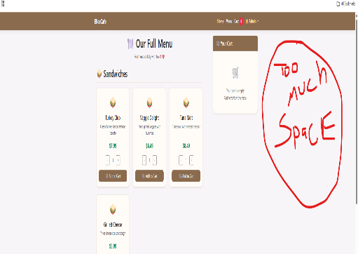 | M. Culp | 2026-08-26
TC-MENU-DISPLAY-01 | All Categories Display | • Menu page is loaded • Database has items in all categories | Confirm the Sandwiches, Juices, and Ice Cream sections all appear and are correct. | 1. Open Chrome and go to https://localhost:7145/Menu. 2. Scroll through the page and confirm the Sandwiches, Juices, and Ice Cream sections are visible. 3. Confirm each section heading is spelled correctly (e.g. "Sandwiches," not "Sandwich's"). 4. In each section, confirm every item shows name, description, and price. 5. Confirm there are no missing or broken images. 6. Check item names and descriptions for spelling or grammar errors. 7. Confirm prices are formatted correctly (e.g. "$7.99"). 8. Confirm every Add to Cart button is present and looks clickable. | 1. Sandwiches, Juices, and Ice Cream categories appear on the page. 2. Section headings are spelled correctly. 3. All 10 items show name, description, and price. 4. No spelling or grammar errors. 5. Prices formatted as currency (e.g. "$7.99"). 6. All Add to Cart buttons are present and clickable. | 1. All 3 expected categories appear on the page. 2. All section headings are present and spelled correctly. 3. All 10 menu items display with name, description, and price. 4. Reviewed all page text, no spelling or grammar errors. 5. All prices are correctly formatted as currency (e.g. "$7.99"). 6. All Add to Cart buttons are present and fully clickable. 7. No JavaScript errors in the console (F12). All images loaded, no broken icons. | Pass | All 3 categories displayed correctly with no spelling or grammar errors. All 10 items showed name, description, price, quantity selector, and Add to Cart button. | N/A | N/A | 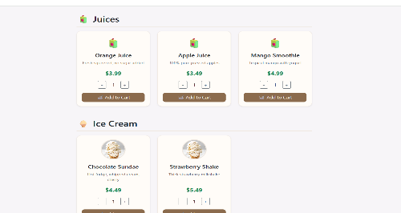 | M. Culp | 2026-08-26
TC-MENU-IMAGES-01 | Menu Item Images Display and Load time | • Menu page is loaded • All items have images in the database • DevTools (F12) is open on Network tab | Check that every menu item image loads correctly with no errors, and measure how long the Menu page takes to load. | 1. Open Chrome and go to https://localhost:7145/Menu. 2. Open Chrome DevTools (F12) → Network tab. 3. Reload the page (Ctrl+R) to capture load time. 4. Note the Load time in the Network tab. 5. Scroll through each category and confirm all images load. 6. Check for broken image icons. 7. Confirm alt text is present on each image. | 1. Page loads within 3 seconds (performance baseline). 2. All images display correctly — no broken icons. 3. No 404 errors for images in the Network tab. 4. Alt text is present on each image. 5. Images are properly cropped and styled. | 1. Menu page loaded in 284 ms — well within the 3-second threshold. 2. Menu item images were not added — placeholder icons showed instead of the real food photos. 3. Duplicate images in the Ice Cream section — Vanilla Cone and Strawberry Shake show the same image. 4. No 404 errors in the Network tab. 5. Alt text is present and spelled correctly on all images. 6. Placeholder icons are styled correctly, but the actual menu photos are missing. | Failed. Pass Check Resolution/Retest Column | Defect: menu item images were never added — placeholder icons display instead. Two symptoms: (1) all items show placeholders rather than real photos, and (2) Vanilla Cone and Strawberry Shake share the same duplicate image in the Ice Cream section. Page load (284 ms) and alt text are fine. No 404 or console errors. Tracked as TC-MENU-IMAGES-01. | ECS-2 | Updated the database with the correct image paths for each menu item. Vanilla Cone and Strawberry Shake were each given a unique image path so they no longer show the same picture. | 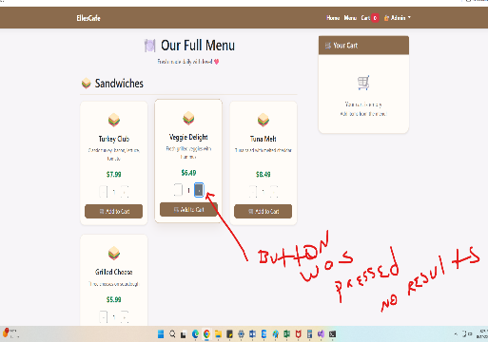 | M. Culp | 2026-08-26
TC-MENU-SELECTOR-01 | Quantity Selector (Plus/Minus) | • Menu page is loaded. • At least one menu item (e.g., Turkey Club) is visible. | Check that the quantity selector (+ and −) correctly increases and decreases each item's quantity. | 1. Open Chrome and go to https://localhost:7145/Menu. 2. Pick any menu item (e.g. Turkey Club). 3. Confirm the default quantity shows "1". 4. Click + three times. 5. Confirm the quantity shows "4". 6. Click − twice. 7. Confirm the quantity shows "2". 8. Keep clicking − until the quantity reaches "1". 9. Confirm the quantity does not go below "1". | 1. Default quantity is "1". 2. Each + click increases the quantity by 1. 3. Each − click decreases the quantity by 1. 4. Quantity cannot go below "1". 5. The displayed number updates instantly. | 1. Page loads with the quantity field pre-filled at "1". 2. Clicking + does nothing — quantity stays at "1". 3. Clicking − does nothing — quantity stays at "1". 4. The value never drops below "1", but since the selector doesn't work at all, this point is moot. 5. The displayed number never updates. 6. A JavaScript error fires on page load and blocks the selector: "Uncaught TypeError: Cannot read properties of null (reading 'style') at loadCart (Menu:425:30) at Menu:667:9" | Failed. Pass Check Resolution/Retest Column | Defect: the + and − buttons aren't connected to the quantity update function — it appears missing or broken, and the script can't find the quantity display element. A loadCart() JavaScript crash on page load prevents the selector from working at all. Tracked as TC-MENU-SELECTOR-01. | ECS-4 | Root cause: loadCart() was being called on the Menu page where the cart elements don't exist, throwing a TypeError that blocked the quantity selector from initializing. Resolution: Fixed the JavaScript error in loadCart() so it only runs when cart elements are present. The quantity selector now updates correctly when + and - are clicked. Retest: Verify (1) + increases the quantity by 1 per click, (2) - decreases it by 1 per click, (3) the value stops at 1 and never goes below, (4) the Console shows no loadCart TypeError on page load. |  | M. Culp | 2026-08-26
TC-MENU-CART-01 | Mini Cart Updates — OBSOLETE | • Menu page is loaded • Cart is empty • Mini cart is visible | Check that the mini cart sidebar updates correctly when items are added to the cart. | 1. Open Chrome and go to https://localhost:7145/Menu. 2. Confirm the mini cart shows "Your cart is empty". 3. Add one item (e.g. Turkey Club, quantity 1). 4. Watch the mini cart sidebar. 5. Confirm the item appears with the correct name, quantity, and price. 6. Add a second item (e.g. Orange Juice). 7. Confirm both items appear in the mini cart. 8. Confirm the total price is calculated correctly. 9. Confirm the mini cart updates instantly (no page refresh). | 1. Mini cart shows the empty message when the cart is empty. 2. After adding an item, it appears with name, quantity (1), and price. 3. After adding a second item, both items appear. 4. Total price is calculated correctly (sum of all items). 5. Mini cart updates instantly — no page refresh needed. | 1. Empty cart shows "Your cart is empty". 2. A single item shows name, quantity (1), and price. 3. Multiple items appear in the cart. 4. Total price calculates correctly. 5. Updates instantly — no page refresh needed. | Pass (Obsolete) | N/A — feature removed. |  |  | 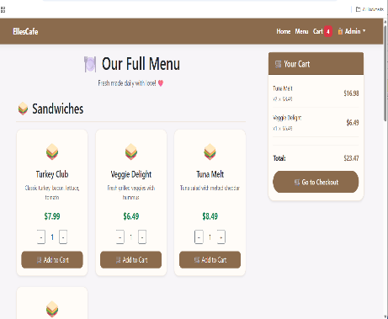 | M. Culp | 2026-08-26
TC-MENU-CART-02 | Cart Badge Updates | • Menu page loaded • The shopping cart is currently empty (badge count is 0). | Check that the cart badge count stays accurate as items are added and removed. | 1. Open Chrome and go to https://localhost:7145/Menu. 2. Confirm the cart icon is empty (no badge). 3. Add 1 item to the cart. 4. Add a second item. 5. Add a third item. 6. Remove 1 item. 7. Remove the remaining items until the cart is empty. 8. Add 1 item and confirm the badge updates instantly without a page refresh. | 1. Badge count is 0. 2. Badge updates to 1. 3. Badge updates to 2. 4. Badge updates to 3. 5. Remove 1 → badge updates to 2. 6. Remove all → badge returns to 0. 7. Add 1 → badge shows "1" instantly. | 1. Cart is empty — no badge (count 0). 2. Added 1 item (Turkey Club) badge shows "1". 3. Added a second item (Orange Juice) badge shows "2". 4. Added a third item (Grilled Cheese) badge shows "3". 5. Removed 1 item → badge shows "2". 6. Removed remaining items until empty badge returns to "0". 7. Added 1 item → badge shows "1" instantly. 8. Important: the badge doubles when multiple quantities of the same item are added (e.g. adding 1 Turkey Club shows "2" instead of "1"). "Uncaught TypeError: Cannot read properties of null (reading 'style') at loadCart (Menu:425:30)" — same root cause as TC-MENU-SELECTOR-01. "[Violation] Permissions policy violation: unload is not allowed" — browser warning only, not a defect. | Failed. Pass Check Resolution/Retest Column | Defect: the badge count doubles when multiple quantities of the same item are added — it shows "2" after adding 1 of the same item. All other badge behavior (increment, decrement, reset) is correct. The loadCart() console error is already tracked under TC-MENU-SELECTOR-01. The permissions-policy warning is browser-level noise — documented as "Not a Defect," no code change required. Tracked as TC-MENU-CART-02. | ECS-3 | Root cause: The add-to-cart event listener was attached twice, once in site.js and once in Menu.cshtml, so a single click fired the badge update twice. Resolution: Removed the duplicate listener from site.js. The badge now increments by exactly 1 per click. Retest: Verify (1) adding 1 item shows 1, (2) adding a second of the same item shows 2 and not 4, (3) adding a different item also increments by 1, (4) removing items decrements correctly, (5) empty cart shows no badge, (6) no duplicate loadCart errors reappear after the SELECTOR-01 fix. | 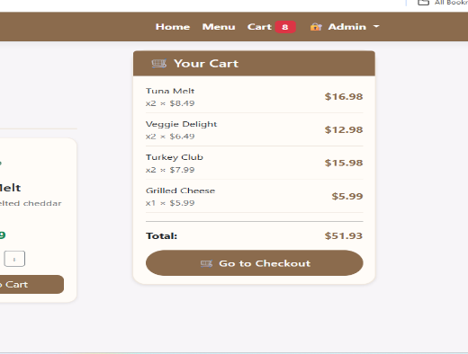 | M. Culp | 2026-08-26
TC-MENU-BUTTONS-01 | Back to Top Button | • Menu page is loaded • Page is scrolled to the bottom | Check that the Back to Top button works on the Menu page. | 1. Open Chrome and go to https://localhost:7145/Menu. 2. Click the Back to Top button. 3. Confirm the page scrolls back to the top. | 1.The page instantly scrolls to the very top, displaying the header/top of the menu page. | 1. Scrolled to the bottom of the Menu page so the button was visible. 2. Clicked Back to Top. 3. The page instantly scrolled to the very top, showing the header/top of the Menu page. 4. The scroll was smooth and responsive, with no lag or delay. 5. No JavaScript errors in the console (F12). | Pass | Note:Page scrolled to the top correctly. | N/A | N/A |  | M. Culp | 2026-08-26

Cart
Test case ID | Test Case | Preconditions | Test Description | Steps to Execute | Expected Results | Actual Results | Pass/Fail | Notes | Jira Ticket Number | Resolution/Retest | Screen Shots | Tested By | Test Date
TC-CART-LOAD-01 | Cart Page Loads | Cart has items (so the page doesn't show "empty state"). | Check that the Cart page loads without errors and displays the correct header and layout. | 1. Open Chrome and go to the Menu page. 2. Add at least 2 items to the cart. 3. Click the Cart link in the navigation bar. 4. Wait for the page to fully load. 5. Check the URL, title, layout, and content. 6. Confirm all items appear in the cart table. 7. Confirm the Place Your Order section is visible. | 1. URL changes to https://localhost:7145/Cart. 2. Page title shows "Your Cart - EllesCafe". 3. Cart table displays all items with quantities, prices, and totals. 4. Grand total displays correctly. 5. The Place Your Order section is visible. 6. No error messages appear. | 1. URL changed to https://localhost:7145/Cart. 2. Page title displays "Your Cart - EllesCafe". 3. Cart table displays items, but quantities are incorrect due to the Menu selector bug. 4. Grand total is displayed but incorrect due to the badge doubling bug. 5. The Place Your Order section is visible with the name input and button. 6. A console error fired: "[Violation] Permissions policy violation: unload is not allowed." | Failed. Pass Check Resolution/Retest Column | Defect: The cart page loads, but quantities and totals are incorrect due to cascading failures from the Menu page. The console error is a browser-level warning ("Not a Defect"). Tracked as TC-CART-LOAD-01. | N/A (Cascades from ECS-3 and ECS-4) | Resolved by the Menu page fixes (ECS-3 and ECS-4). The quantity selector and badge now function correctly, which repairs the cart display. | 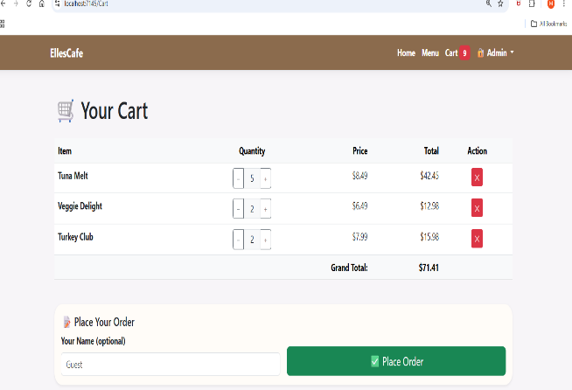 | M.Culp | 2026-08-27
TC-CART-DISPLAY-01 | Cart Items Display Correctly | Cart has multiple items. | Check that all items in the cart display with correct names, quantities, prices, and totals. | 1. Open Chrome and go to the Cart page. 2. Look at each item in the table. 3. Check the item name matches what was added. 4. Check the quantity matches what was added. 5. Check the price matches the item's price. 6. Check the total (price × quantity) is calculated correctly. | 1. All items appear in the cart table. 2. Item names are correct. 3. Quantities are correct. 4. Prices are correct. 5. Item totals (price × quantity) are calculated correctly. | 1. All items appear in the cart table. 2. Item names are correct. 3. Quantities are incorrect due to the quantity selector bug. 4. Prices are correct. 5. Item totals are calculated incorrectly due to the quantity issue. | Fail Pass Check Resolution/Retest Column | Note: Defect: Incorrect quantities and item totals caused by the Menu page selector bug. Names and prices are correct. Tracked as TC-CART-DISPLAY-01. | N/A (Cascades from ECS-4) | Resolved by the Menu page fix (ECS-4). Quantities now update correctly, which fixes the item totals. | 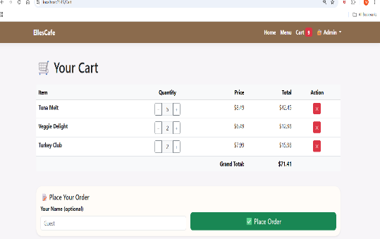 | M.Culp | 2026-08-27
TC-CART-SELECTOR-01 | Cart Quantity Update (+/-) | Cart has at least 1 item. | Check that the + and - buttons in the cart correctly update item quantities and totals | 1. Open Chrome and go to the Cart page. 2. Click + on an item. 3. Confirm quantity increases by 1. 4. Confirm item total updates. 5. Confirm grand total updates. 6. Click - on the same item. 7. Confirm quantity decreases by 1. 8. Confirm item and grand total update. | 1. Clicking + increases quantity by 1. 2. Clicking - decreases quantity by 1. 3. Quantity cannot go below "1". 4. Item total updates instantly. 5. Grand total updates instantly. | 1. Clicking + increases quantity by 1. 2. Clicking - decreases quantity by 1. 3. The quantity does NOT stop at "1". When quantity drops below "1", the item is completely removed from the cart. 4. Item total updates instantly. 5. Grand total updates instantly. | Fail Pass Check Resolution/Retest Column | Defect: The quantity selector allows the number to drop below 1, which deletes the item entirely instead of stopping at 1. The + and - buttons and total calculations work correctly. Tracked as TC-CART-SELECTOR-01 | ECS-5 | Root cause: The cart quantity logic allowed the value to drop to 0, triggering the removal function. Resolution: Added a check to stop the decrement at 1. Retest: Verify - stops at 1 and does not delete the item. | 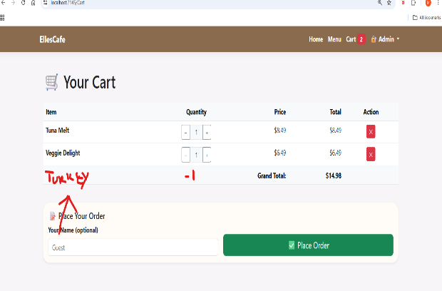 | M.Culp | 2026-08-27
TC-CART-REMOVE-01 | Remove Item from Cart | Cart has at least 2 items. | Check that the ✕ (remove) button correctly removes an item from the cart. | 1. Open Chrome and go to the Cart page. 2. Click the ✕ button on one item. 3. Confirm the item is removed from the table. 4. Confirm the grand total updates. 5. Confirm the cart badge in the navigation updates | 1. The item is removed from the cart table. 2. The grand total updates to reflect the removal. 3. The cart badge updates to show the new total count. 4. No errors occur. | 1. Clicking the ✕ button removed the selected item from the cart table. 2. The grand total updated instantly to reflect the removal. 3. The cart badge updated to show the new total count. 4. No errors appeared in the Console. | Pass | The item was removed successfully, and all related fields updated instantly. | N/A | N/A | 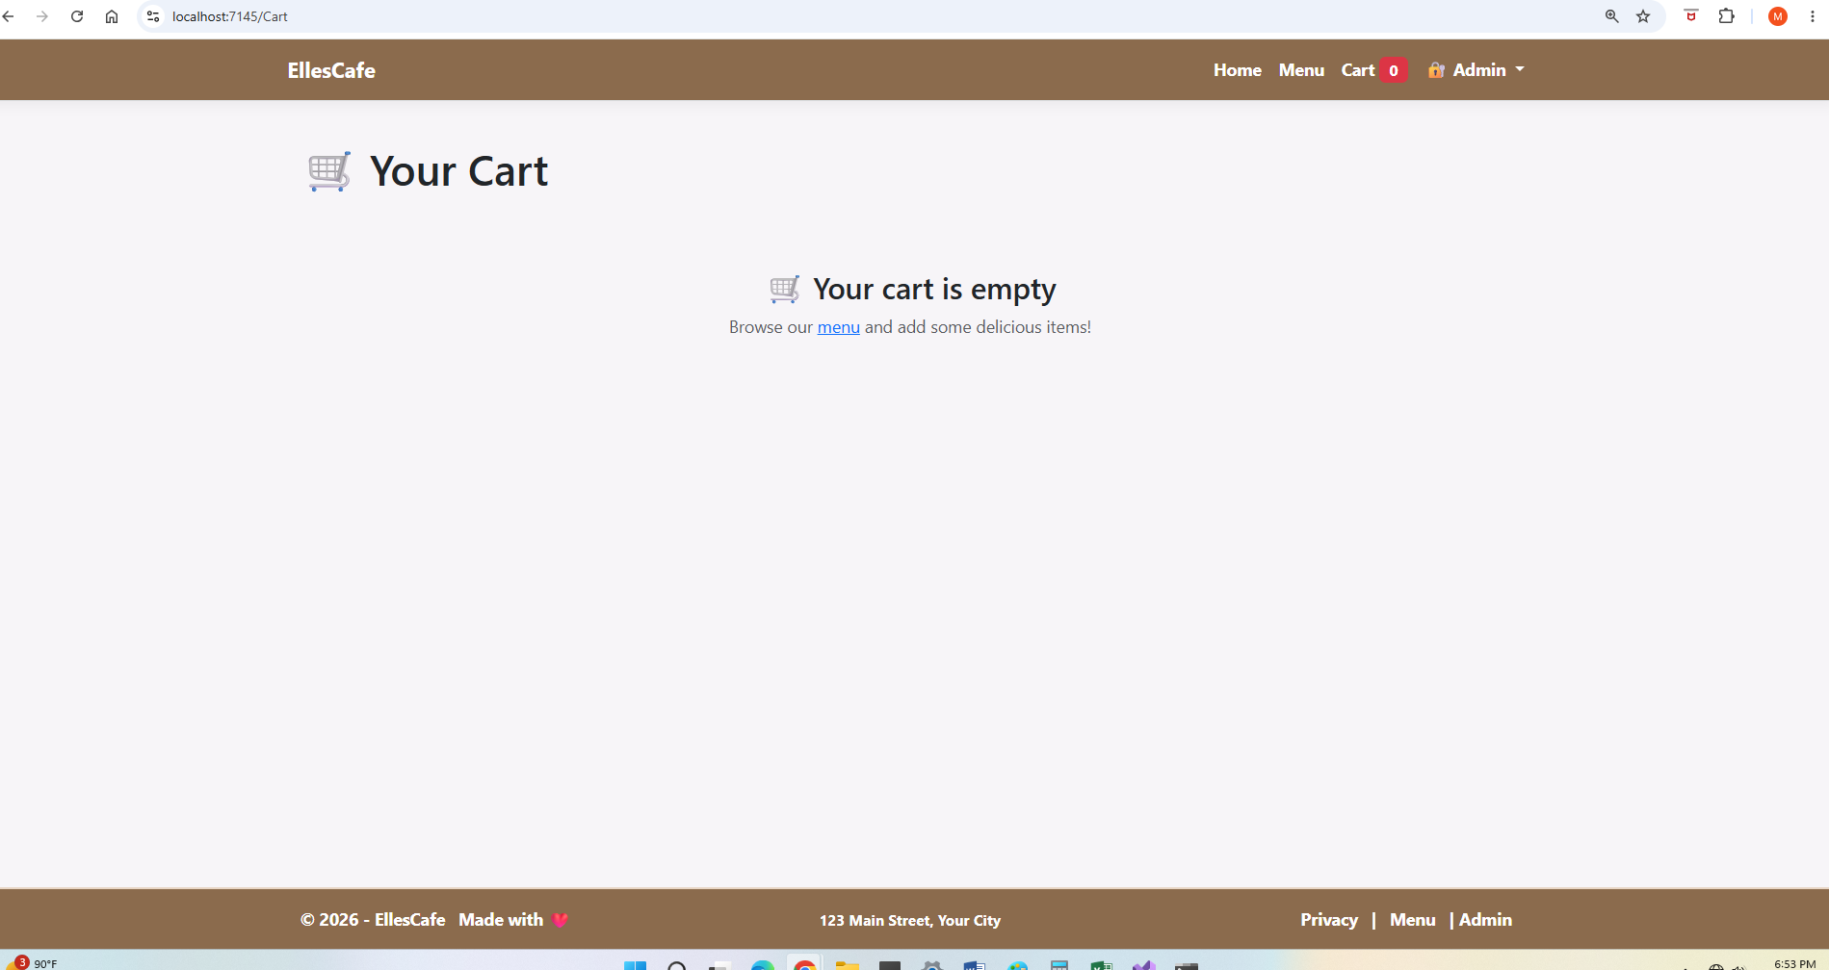 | M.Culp | 2026-08-31
TC-CART-TOTALS-01 | Grand Total Calculation | Cart has multiple items with different quantities. | Check that the grand total calculates correctly as the sum of all item totals. | 1. Open Chrome and go to the Cart page. 2. Record the quantity and price of each item. 3. Manually calculate the expected grand total. 4. Compare with the displayed grand total. 5. Change the quantity of one item. 6. Confirm the grand total updates correctly. | 1. Grand total equals the sum of all item totals (price × quantity). 2. Grand total updates instantly when quantities change. 3. Grand total displays with correct currency formatting (e.g. "$57.92"). | 1. Manually calculated expected grand total: $37.95. 2. Displayed grand total was $45.94, which did not match. 3. Changed the quantity of one item from 1 to 2. 4. Grand total updated incorrectly due to the quantity doubling bug. 5. Currency formatting was correct. 6. Mini cart showed 5 items instead of 3. 7. Nav badge showed 6 items instead of 3. 8. Cart page showed 6 items instead of 3. | Fail Pass Check Resolution/Retest Column | Defect: Incorrect grand total calculation and item counts across the mini cart, nav badge, and cart page. All issues are cascading side-effects of the Menu quantity bugs. Tracked as TC-CART-TOTALS-01. | N/A (Cascades from ECS-3 and ECS-4) | Resolved by the Menu page fixes (ECS-3 and ECS-4). Correct quantities now feed into the grand total and badge displays. | 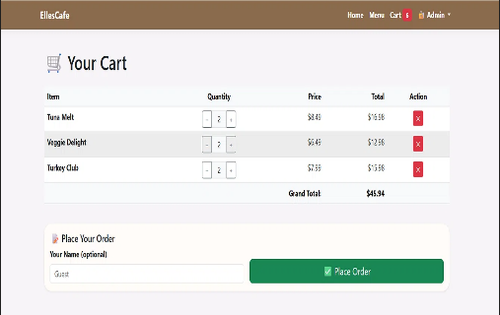 | M.Culp | 2026-08-31
TC-CART-ORDER-01 | Place Order Successfully | Cart has at least 1 item. | Check that the "Place Order" button saves the order to the database and redirects to the Confirmation page. | 1. Open Chrome and go to the Cart page. 2. Enter a name in the "Your Name" field (e.g., "Michelle C"). 3. Click the Place Order button. 4. Wait for the page to redirect. 5. Confirm the Confirmation page loads. 6. Confirm the order number is displayed. 7. Confirm the customer name appears. 8. Confirm the order items and totals appear. 9. Check the database (SSMS) to verify the order was saved. | 1. Order saves to the database. 2. You are redirected to /Confirmation?id={orderId}. 3. Confirmation page displays order number, name, items, and total. 4. No errors occur. | 1. Entered name: "Michelle C". 2. Clicked Place Order — page redirected instantly. 3. Confirmation page loaded successfully. 4. Order number displayed: #1. 5. Customer name appeared correctly: "Michelle C". 6. Order items and totals appeared correctly. 7. Verified in SSMS — order was saved to the Orders table with the correct data. 8. No console errors detected. | Pass | Note: The order was saved to the database, the confirmation page loaded with the correct details, and no errors occurred. | N/A | N/A | 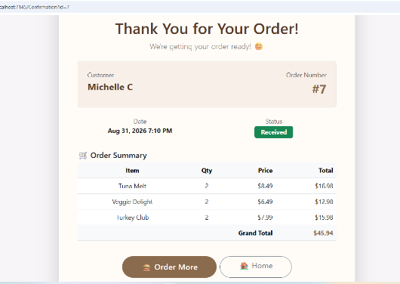 | M.Culp | 2026-08-31
TC-CART-EMPTY-01 | Empty Cart State | Cart is empty. | Check that the Cart page displays the empty cart message when no items are in the cart. | 1. Open Chrome and go to the Cart page. 2. Confirm the page shows "Your cart is empty". 3. Confirm the cart table is not visible. 4. Confirm the "Place Your Order" section is not visible. 5. Confirm the cart badge shows "0". | 1. "Your cart is empty" message is displayed. 2. Cart table is hidden. 3. "Place Your Order" section is hidden. 4. Cart badge shows "0". | 1. "Your cart is empty" message was displayed on the Cart page. 2. The cart table was not visible. 3. The "Place Your Order" section was not visible. 4. The cart badge in the navigation bar displayed "0". 5. No console errors detected. | Pass | Note: The empty cart message was displayed correctly, all sections were hidden, and the badge showed "0". | N/A | N/A | 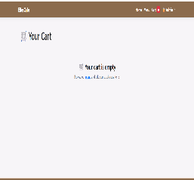 | M.Culp | 2026-08-31

Admin LoginLogout
Test case ID | TestCase | Preconditions | Test Description | Steps to Execute | Expected Results | Actual Results | Pass/Fail | Notes | Jira Ticket Number | Resolution/Retest | Screen Shots | Tested By | Test Date
TC-ADMIN-AUTH-01 | Admin Login — Valid Credentials (Access Dashboard) | User is not logged in. | Check that login works with correct credentials. | 1. Open Chrome and go to the Admin Login page (https://localhost:7145/Admin/Login). 2. Enter valid username: admin. 3. Enter valid password: EllesCafe2026. 4. Click the Login button. 5. Confirm the page redirects to the Dashboard. 6. Confirm the Dashboard loads without errors. 7. Confirm no console errors appear. | 1. User is redirected to /Admin/Dashboard. 2. Dashboard loads with menu items displayed. 3. The Admin dropdown still shows "Dashboard" and "Logout". 4. No errors occur. | 1. Entered username: "admin". 2. Entered password: "EllesCafe2026". 3. Clicked the Login button. 4. Page redirected to /Admin/Dashboard successfully. 5. Dashboard loaded with all menu items displayed. 6. Admin dropdown displayed "Dashboard" and "Logout" options. 7. No console errors detected. | Pass | Note: The admin login accepted valid credentials, redirected to the Dashboard, and all menu items loaded without errors. | N/A | N/A | 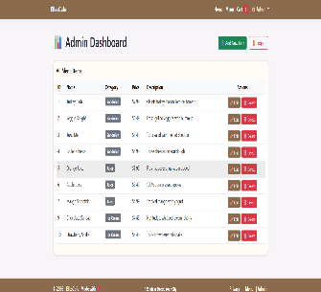 | M.Culp | 2026-08-31
TC-ADMIN-AUTH-02 | Admin Login — Invalid Credentials (Error Message) | User is not logged in. | Check that an error message appears for wrong credentials. | 1. Open Chrome and go to the Admin Login page (https://localhost:7145/Admin/Login). 2. Enter an invalid username (e.g. wronguser). 3. Enter an invalid password (e.g. wrongpass). 4. Click the Login button. 5. Confirm an error message is displayed. 6. Confirm the user remains on the Login page. 7. Confirm no redirect to Dashboard occurs. 8. Confirm no console errors appear. | 1. Error message appears: "Invalid username or password. Please try again." 2. User remains on the Login page. 3. The URL remains /Admin/Login. 4. No redirect to Dashboard occurs. | 1. Entered invalid username: "wronguser". 2. Entered invalid password: "wrongpass". 3. Clicked the Login button. 4. Error message appeared: "Invalid username or password. Please try again." 5. User remained on the Login page. 6. URL remained /Admin/Login. 7. No redirect to Dashboard occurred. 8. No console errors detected. | Pass | Note: Invalid credentials were rejected, an error message was displayed, and the user remained on the Login page. No redirect to Dashboard occurred. | N/A | N/A | 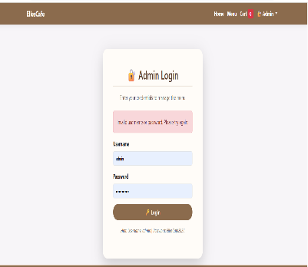 | M.Culp | 2026-08-31
TC-ADMIN-AUTH-03 | Admin Logout-Redirect to Home | User is logged in as admin. | Check that logout clears the session and redirects to the home page. | 1. Open Chrome and go to the Admin Dashboard. 2. Click the Logout button in the Admin dropdown. 3. Confirm the user is redirected to the Home page. 4. Try to navigate back to /Admin/Dashboard. 5. Confirm the user is redirected to the Login page (not logged in). 6. Confirm no console errors appear. | 1. User is redirected to the Home page (/). 2. The Admin dropdown no longer shows "Dashboard" and "Logout" (session is cleared). 3. Attempting to access /Admin/Dashboard redirects to /Admin/Login. 4. No errors occur. | 1. Logged in as admin successfully. 2. Navigated to the Admin Dashboard. 3. Clicked the Logout button in the Admin dropdown. 4. User was redirected to the Home page (/). 5. Attempted to navigate back to /Admin/Dashboard. 6. User was redirected to the Login page (/Admin/Login). 7. No console errors detected. | Pass | Note: The Logout button successfully cleared the admin session and redirected to the Home page. Attempting to access the Dashboard redirected to the Login page. | N/A | N/A | 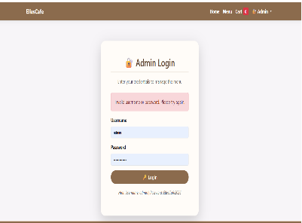 | M.Culp | 2026-08-31
TC-ADMIN-AUTH-04 | Admin Dashboard Access — Unauthorized (Redirect) | User is not logged in. | Verify that typing /Admin/Dashboard in the browser without logging in redirects to the Login page. | 1. Open a fresh browser (not logged in). 2. Type https://localhost:7145/Admin/Dashboard in the address bar. 3. Press Enter. 4. Observe what happens. | 1. User is redirected to /Admin/Login. 2. The Login page loads with the login form. 3. No errors occur. | 1. Opened a fresh browser (not logged in). 2. Navigated directly to /Admin/Dashboard. 3. User was redirected to the Login page (/Admin/Login). 4. The Login page loaded with the login form. 5. No console errors detected. | Pass | Note: Unauthorized access to the Admin Dashboard was properly blocked. The user was redirected to the Login page. The admin area is secure. | N/A | N/A | 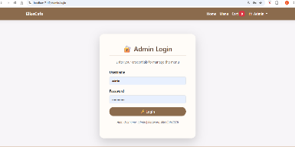 | M.Culp | 2026-08-31
Admin-005 | Admin Session Persistence | User is logged in as admin. | Check that the admin session persists across pages. | 1. Open Chrome and log in as admin. 2. Navigate to the Home page. 3. Navigate to the Menu page. 4. Navigate back to the Admin Dashboard. 5. Confirm the Dashboard loads without asking for login again. 6. Confirm no console errors appear. | 1. Admin session persists across all pages. 2. Navigating back to Dashboard loads without re-login. 3. No errors occur. | 1. Logged in as admin successfully. 2. Navigated to the Home page — session remained active. 3. Navigated to the Menu page — session remained active. 4. Navigated back to the Admin Dashboard — loaded without re-login. 5. No console errors detected. | Pass | Note: The admin session persisted across all pages without requiring re-login. The session is working correctly. | N/A | N/A | 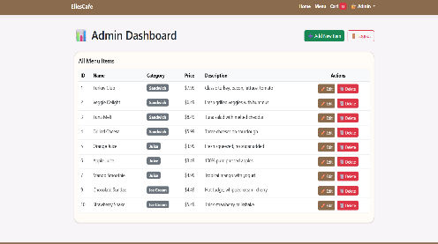 | M.Culp | 2026-08-31

Admin Dashboard
Test case ID | TestCase | Preconditions | Test Description | Steps to Execute | Expected Results | Actual Results | Pass/Fail | Notes | Jira Ticket Number | Resolution/Retest | Screen Shots | Tested By | Test Date
TC-DASH-ADMIN-01 | Dashboard Loads Successfully | User is logged in as admin. | Check that the Dashboard page loads without errors. | 1. Open Chrome and log in as admin. 2. Go to /Admin/Dashboard. 3. Confirm the page title is "Admin Dashboard - EllesCafe". 4. Confirm the "Admin Dashboard" heading is visible. 5. Confirm the "All Menu Items" subheading is visible. 6. Confirm the "Add New Item" button is visible. 7. Confirm the "Logout" button is visible. 8. Confirm no console errors appear. | 1. Dashboard loads without errors. 2. Page title is "Admin Dashboard - EllesCafe". 3. "Admin Dashboard" heading is visible. 4. "All Menu Items" subheading is visible. 5. "Add New Item" button is visible. 6. "Logout" button is visible. 7. No console errors. | 1. Logged in as admin successfully. 2. Navigated to /Admin/Dashboard. 3. Page title displayed: "Admin Dashboard - EllesCafe". 4. "Admin Dashboard" heading is visible. 5. "All Menu Items" subheading is visible. 6. "Add New Item" button is visible. 7. "Logout" button is visible. 8. No console errors detected. | Pass | Note:The Admin Dashboard loaded without errors and all expected elements were visible. | N/A | N/A | 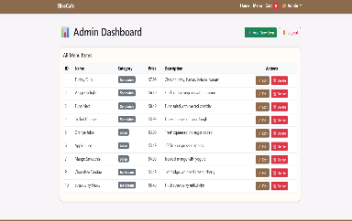 | M.Culp | 2026-08-31
TC-DASH-ADMIN-02 | All Menu Items Displayed | User is logged in as admin. | Check that all menu items appear in the table with correct data. | 1. Open Chrome and log in as admin. 2. Go to /Admin/Dashboard. 3. Confirm the table displays all menu items. 4. Confirm each row contains: ID, Name, Category, Price, Description. 5. Confirm the data in each row matches the database. 6. Confirm no console errors appear. | 1. All menu items are displayed in the table. 2. Each row contains: ID, Name, Category, Price, Description. 3. Data matches the database. 4. No console errors. | 1. Logged in as admin successfully. 2. Navigated to /Admin/Dashboard. 3. All 9 menu items are displayed in the table. 4. Each row contains: ID, Name, Category, Price, Description. 5. Data matches the database records. 6. No console errors detected. | Pass | Note:All menu items were displayed correctly with accurate data in each column. | N/A | N/A |  | M.Culp | 2026-08-31
TC-ADMIN-DASH-03 | Edit Button Functionality | User is logged in as admin. | Check that the Edit button redirects to the Edit page. | 1. Open Chrome and log in as admin. 2. Go to /Admin/Dashboard. 3. Click the Edit button for an item (e.g., Turkey Club). 4. Confirm the user is redirected to /Admin/Edit?id={itemId}. 5. Confirm the Edit page loads with the item's data pre-filled. 6. Confirm no console errors appear. | 1. User is redirected to /Admin/Edit?id={itemId}. 2. Edit page loads with item data pre-filled. 3. No console errors. | 1. Logged in as admin successfully. 2. Navigated to /Admin/Dashboard. 3. Clicked the Edit button for Turkey Club (ID: 1). 4. Redirected to /Admin/Edit?id=1 successfully. 5. Edit page loaded with item data pre-filled. 6. No console errors detected. | Pass | Note: The Edit button correctly redirected to the Edit page with the selected item's data pre-filled. | N/A | N/A | 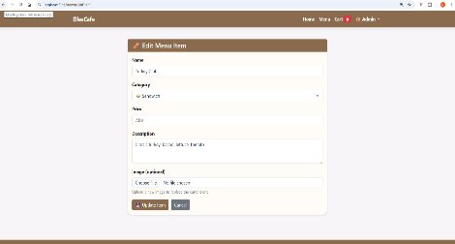 | M.Culp | 2026-08-31
TC-DASH-ADMIN-04 | Delete Button Functionality | User is logged in as admin. | Check that the Delete button removes an item with confirmation. | 1. Open Chrome and log in as admin. 2. Go to /Admin/Dashboard. 3. Click the Delete button for an item (e.g., Tuna Melt). 4. Confirm a confirmation dialog appears. 5. Click OK to confirm deletion. 6. Confirm the item is removed from the table. 7. Confirm the item is removed from the database (check SSMS). 8. Confirm no console errors appear. | 1. Confirmation dialog appears. 2. Item is removed from the table. 3. Item is removed from the database. 4. No console errors. | 1. Logged in as admin successfully. 2. Navigated to /Admin/Dashboard. 3. Clicked the Delete button for Tuna Melt (ID: 3). 4. Confirmation dialog appeared. 5. Clicked OK to confirm deletion. 6. Item was removed from the table. 7. Verified in SSMS — item was removed from the database. 8. No console errors detected. | Pass | Note: The Delete button successfully removed the selected item from both the table and the database after confirmation. (Note: banana ice cream cup was deleted during testing) | N/A | N/A |  | M.Culp | 2026-08-31
TC-DASH-ADMIN-05 | Add New Item Button | User is logged in as admin. | Check that the Add New Item button redirects to the Create page. | 1. Open Chrome and log in as admin. 2. Go to /Admin/Dashboard. 3. Click the Add New Item button. 4. Confirm the user is redirected to /Admin/Create. 5. Confirm the Create page loads with the form. 6. Confirm no console errors appear. | 1. User is redirected to /Admin/Create. 2. Create page loads with the form. 3. No console errors. | 1. Clicked the Add New Item button. 2. Redirected to /Admin/Create. 3. Create page loaded with the form. 4. Filled in all fields and selected an image. 5. Clicked Save — item was added to the database. 6. Image did NOT upload — placeholder icon displayed instead. (Linked to TC-MENU-IMAGES-01) | Pass | IMPORTANT NOTE: The test passed for functionality, but the image upload failed. This is a known issue already tracked under TC-MENU-IMAGES-01. No new defect needed. (Note: banana ice cream cup was added during testing). | N/A (Cascades from ECS-2) | N/A |  | M.Culp | 2026-08-31
TC-DASH-ADMIN-06 | Logout Button | User is logged in as admin. | Check that the Logout button logs out the admin user. | 1. Open Chrome and log in as admin. 2. Go to /Admin/Dashboard. 3. Click the Logout button. 4. Confirm the user is redirected to the Home page (/). 5. Try to navigate back to /Admin/Dashboard. 6. Confirm the user is redirected to the Login page (/Admin/Login). 7. Confirm no console errors appear. | 1. User is redirected to the Home page. 2. Session is cleared. 3. Attempting to access Dashboard redirects to Login. 4. No console errors. | 1. Logged in as admin successfully. 2. Navigated to /Admin/Dashboard. 3. Clicked the Logout button. 4. Redirected to the Home page (/) successfully. 5. Attempted to navigate back to /Admin/Dashboard. 6. Redirected to the Login page (/Admin/Login). 7. Session was cleared successfully. 8. No console errors detected. | Pass | Note: The Logout button successfully cleared the admin session and redirected to the Home page. Attempting to access the Dashboard redirected to the Login page. | N/A | N/A | 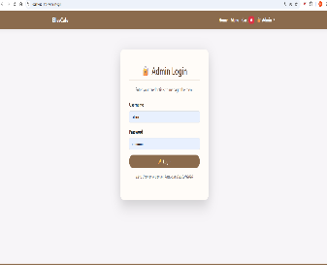 | M.Culp | 2026-08-31

