Dashboard
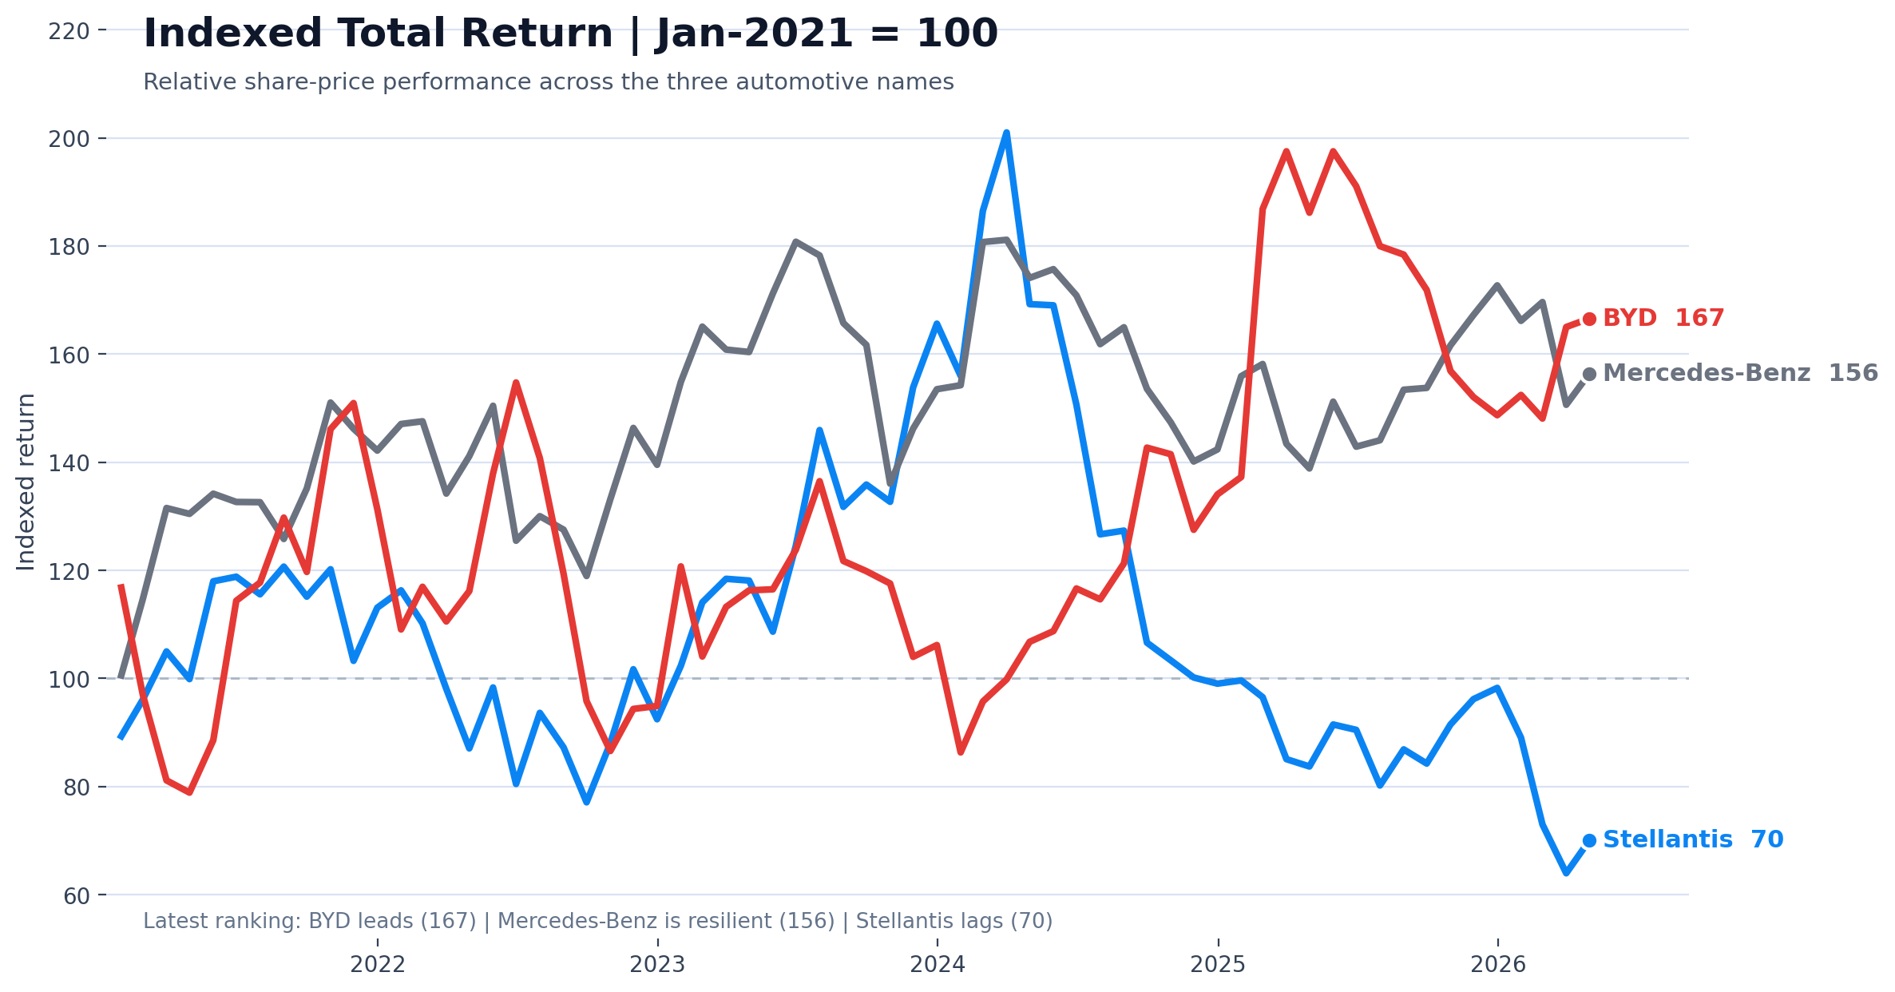
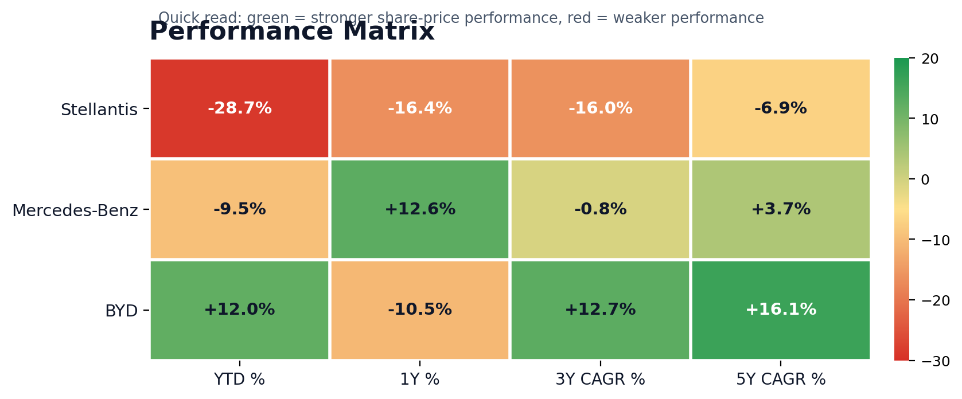
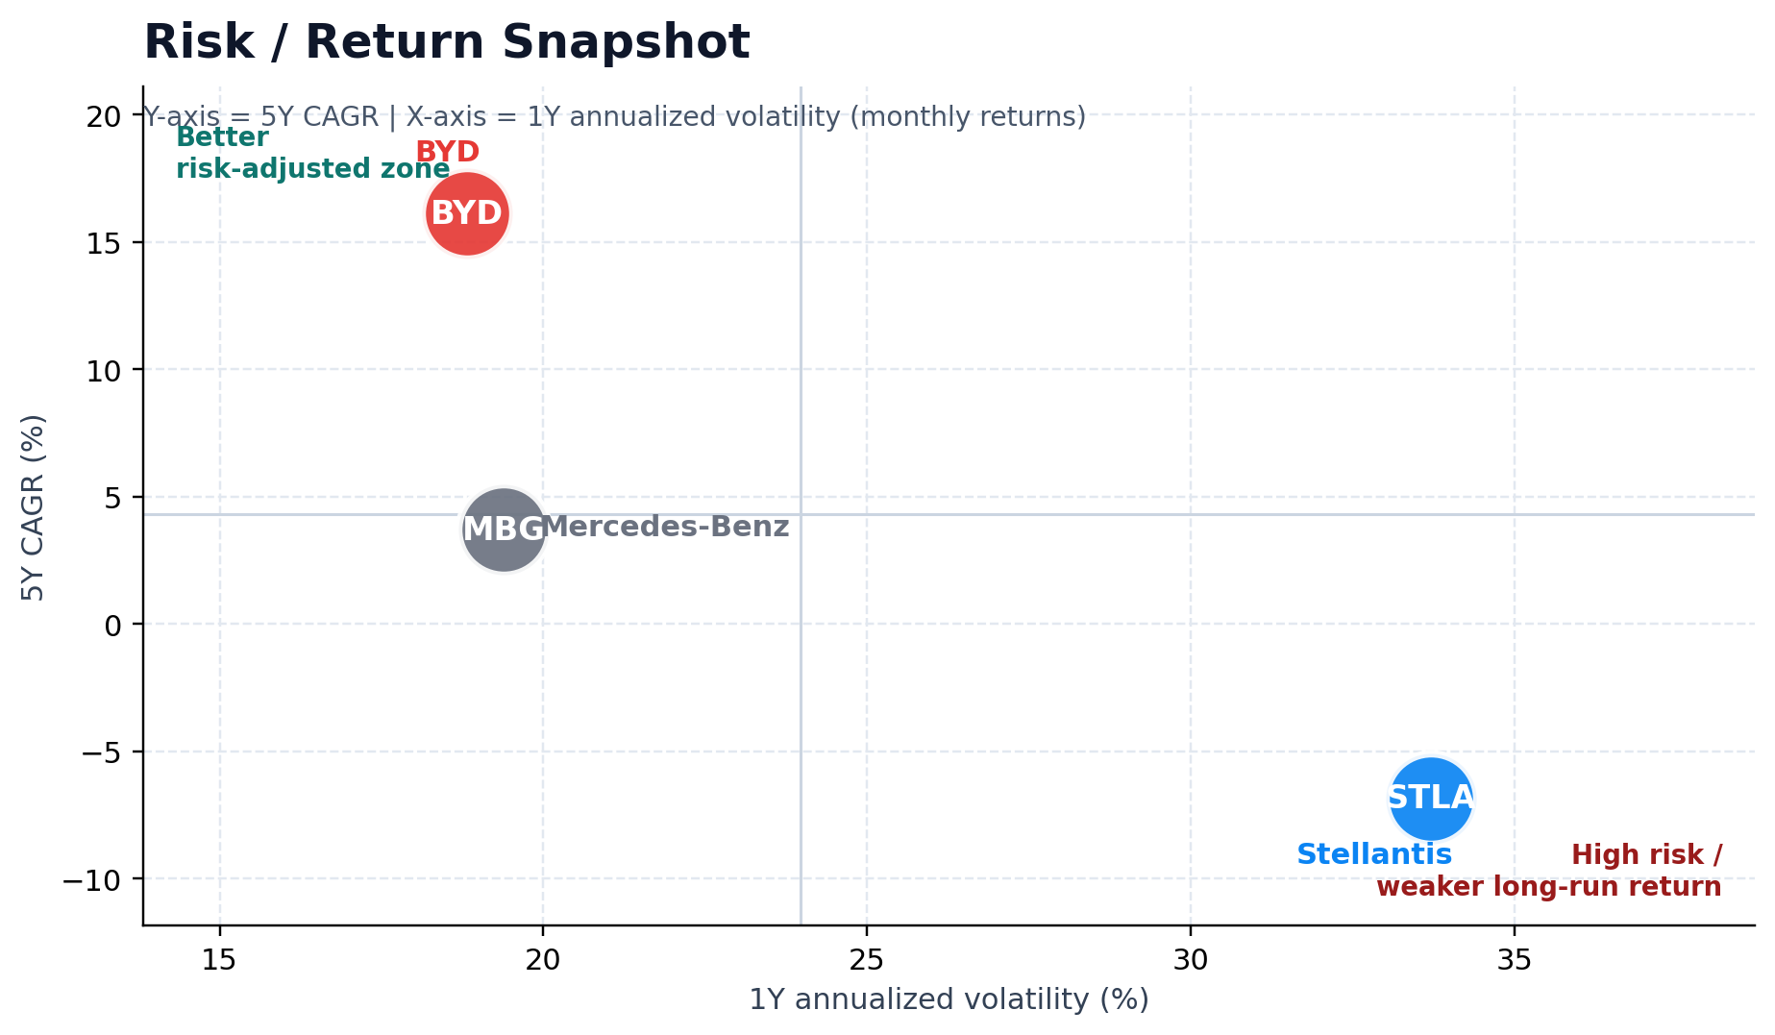
Share Price Analysis Dashboard

Stellantis vs Mercedes-Benz vs BYD | Monthly returns transformed into indexed performance, return snapshots, and risk/return positioning

Key takeaway BYD is the long-run winner, Mercedes-Benz is the most resilient incumbent, and Stellantis has the weakest recent and multi-year share-price profile. | Stellantis |  | Mercedes-Benz |  | BYD
 | Index level | 70.0 | Index level | 156.4 | Index level | 166.6
 | 5Y CAGR | (6.9%) | 5Y CAGR | 3.7% | 5Y CAGR | 16.1%
 | 1Y vol | 33.7% | 1Y vol | 19.4% | 1Y vol | 18.8%

