PIVOT TABLE
Average Price per Type
Row Labels | Average of PRICE
Contingent | 882,572
Condop | 998,600
Land | 1,073,021
Co-op | 1,100,418
Mobile house | 1,288,000
Pending | 1,340,867
Foreclosure | 1,343,010
Multi-family home | 1,680,428
Others | 1,883,396
Condo | 2,630,710
House | 3,684,216
Townhouse | 6,365,925
Grand Total | 2,356,940

Common Type in the Market
Row Labels | Count of BROKERTITLE
Mobile house | 1
Condop | 5
Foreclosure | 14
Others | 22
Land | 49
Contingent | 88
Pending | 243
Townhouse | 299
Multi-family home | 727
Condo | 891
House | 1,012
Co-op | 1,450
Grand Total | 4,801

Row Labels | Average of BATH | Average of BEDS
100-500 sq.ft | 1 | 3
501-1,000 sq. ft | 1 | 2
1,001-5,000 sq. ft | 2 | 3
5,001-10,000 sq. ft | 6 | 8
10,001-15,000 sq. ft | 10 | 11
15,000+ sq. ft | 12 | 13
Grand Total | 2 | 3

DASHBOARD
Housing Market in New York City

Average Price per Type
 | Total
Contingent | 882,572
Condop | 998,600
Land | 1,073,021
Co-op | 1,100,418
Mobile house | 1,288,000
Pending | 1,340,867
Foreclosure | 1,343,010
Multi-family home | 1,680,428
Others | 1,883,396
Condo | 2,630,710
House | 3,684,216
Townhouse | 6,365,925

Available Units
4801
Common Type in the Market
 | Total
Mobile house | 1
Condop | 5
Foreclosure | 14
Others | 22
Land | 49
Contingent | 88
Pending | 243
Townhouse | 299
Multi-family home | 727
Condo | 891
House | 1,012
Co-op | 1,450
Average Number of Beds and Baths per Area
 | Average of BATH | Average of BEDS
100-500 sq.ft | 1 | 3
501-1,000 sq. ft | 1 | 2
1,001-5,000 sq. ft | 2 | 3
5,001-10,000 sq. ft | 6 | 8
10,001-15,000 sq. ft | 10 | 11
15,000+ sq. ft | 12 | 13

HEATMAP
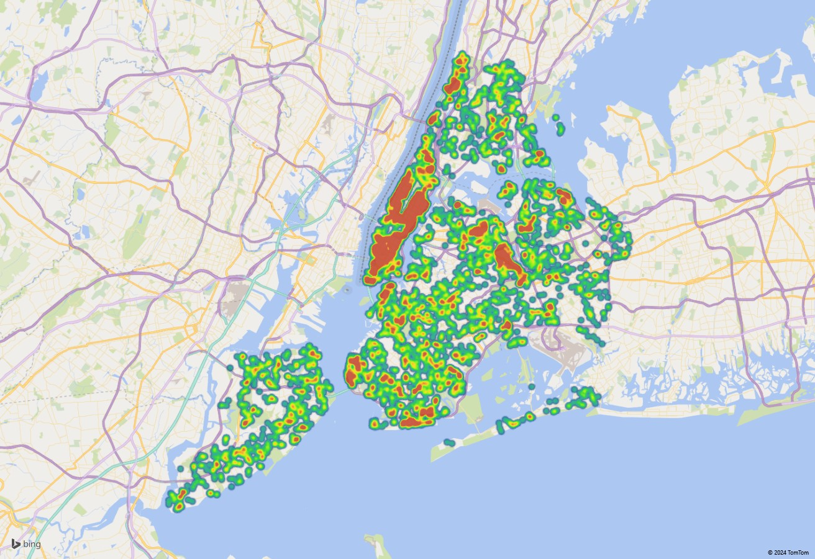
HEATMAP OF UNITS IN NEW YORK CITY

