Sheet1
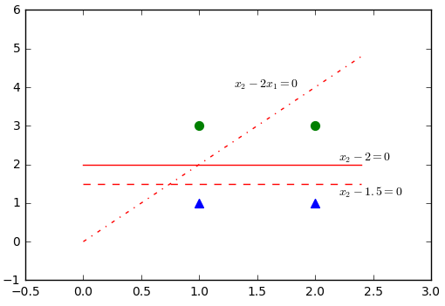
x1 | x2 | y | theta*x | h(x) = x2-2x1 | cost(h(x),y)
1 | 1 | 0 | -1 | 0.26894142137 | 0.13604782228
2 | 1 | 0 | -3 | 0.047425873178 | 0.021101218679
1 | 3 | 1 | 1 | 0.73105857863 | 0.13604782228
2 | 3 | 1 | -1 | 0.26894142137 | 0.57034230418
 |  |  |  |  | 0.86353916742

 |  |  |  | h(x) = x2-2
1 | 1 | 0 | -1 | 0.26894142137 | 0.13604782228
2 | 1 | 0 | -1 | 0.26894142137 | 0.13604782228
1 | 3 | 1 | 1 | 0.73105857863 | 0.13604782228
2 | 3 | 1 | 1 | 0.73105857863 | 0.13604782228
 |  |  |  |  | 0.54419128912

 |  |  |  | h(x) = x2-1.5
1 | 1 | 0 | -0.5 | 0.3775406688 | 0.20588901823
2 | 1 | 0 | -0.5 | 0.3775406688 | 0.20588901823
1 | 3 | 1 | 1.5 | 0.81757447619 | 0.08747267521
2 | 3 | 1 | 1.5 | 0.81757447619 | 0.08747267521
 |  |  |  |  | 0.58672338687

