HARMONICS
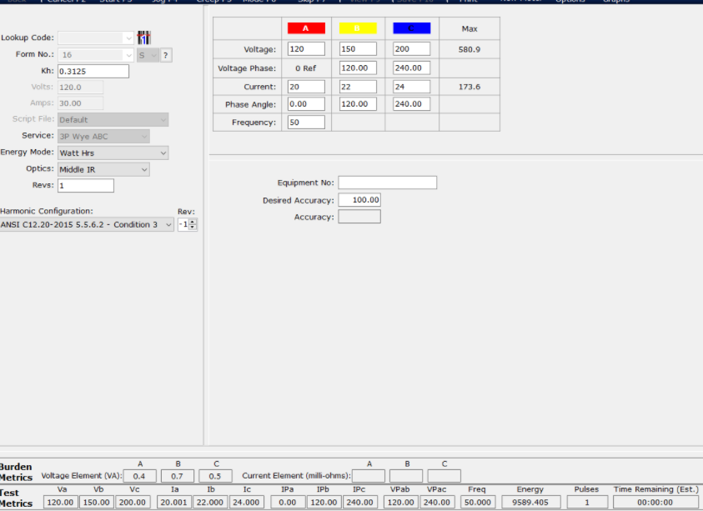

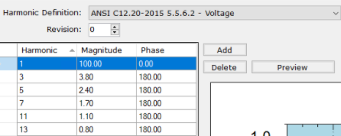

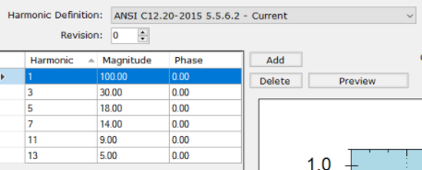

READ THE MEASUREMENTS AND THE METROLOGY REGISTERS FROM THE BOARD
Send to the board the commands in dark blue cells, and Copy and Paste ONLY THOSE EXACT LINES from the serial port interface results (soft blue).
PAR CH
Present RMS values are:
CH00=119.973V CH01=150.016V CH02=199.995V CH03=19.997A
CH04=21.996A CH05=23.993A CH06=0.004A CH07=0.004A
CH08=0.000A CH09=0.000V CH10=0.000A CH11=0.000V
CH12=0.000A CH13=0.000A CH14=0.000A CH15=0.000A
CH16=0.000A CH17=0.000A CH18=0.000A CH19=0.000A
CH20=0.000A CH21=0.000A CH22=0.000A CH23=0.000A
CH24=0.000A CH25=0.000A CH26=0.000A CH27=0.000A
CH28=0.000A CH29=0.000A CH30=0.000A CH31=0.000A
PAR CHF | FUNDAMENTALS (CHF)
Present RMS (only fundamental) values are: | R | I | NAME | VALUE | FORMAT | DECIMAL
CH00=119.827V CH01=149.831V CH02=199.742V CH03=18.638A | 49 | 5 | 119.827V | 119.827 | 119,827 | 119.827
CH04=20.500A CH05=22.357A CH06=0.001A CH07=0.001A | 49 | 17 | 149.831V | 149.831 | 149,831 | 149.831
CH08=0.000A CH09=0.000V CH10=0.000A CH11=0.000V | 49 | 29 | 199.742V | 199.742 | 199,742 | 199.742
CH12=0.000A CH13=0.000A CH14=0.000A CH15=0.000A | 49 | 41 | 18.638A | 18.638 | 18,638 | 18.638
CH16=0.000A CH17=0.000A CH18=0.000A CH19=0.000A | 50 | 5 | 20.500A | 20.500 | 20,500 | 20.5
CH20=0.000A CH21=0.000A CH22=0.000A CH23=0.000A | 50 | 17 | 22.357A | 22.357 | 22,357 | 22.357
CH24=0.000A CH25=0.000A CH26=0.000A CH27=0.000A | 50 | 29 | 0.001A C | 0.001 | 0,001 | 0.001
CH28=0.000A CH29=0.000A CH30=0.000A CH31=0.000A | 50 | 41 | 0.001A | 0.001 | 0,001 | 0.001
HRR 3 | HRR 3 values
The calculated harmonic Irms/Vrms: | R | I | NAME | VALUE | FORMAT | DECIMAL | % | % TEST DEF
Vrms_Har_CH00(V) Vrms_Har_CH01(V) Vrms_Har_CH02(V) Irms_Har_CH03(A) | 59 | 1 | Vrms_Har_CH00(V) | 4.536 | 4,536 | 4.536 | 3.785% | 3.80% | V
4.536 5.644 7.570 5.576 | 59 | 2 | Vrms_Har_CH01(V) | 5.644 | 5,644 | 5.644 | 3.767% |  | V
Irms_Har_CH04(A) Irms_Har_CH05(A) Irms_Har_CH06(A) Irms_Har_CH07(A) | 59 | 3 | Vrms_Har_CH02(V) | 7.570 | 7,570 | 7.57 | 3.790% |  | V
6.143 6.701 0.000 0.000 | 59 | 4 | Irms_Har_CH03(A) | 5.576 | 5,576 | 5.576 | 29.917% | 30% | I
 | 61 | 1 | Irms_Har_CH04(A) | 6.143 | 6,143 | 6.143 | 29.966% |  | I
 | 61 | 2 | Irms_Har_CH05(A) | 6.701 | 6,701 | 6.701 | 29.973% |  | I
 | 61 | 3 | Irms_Har_CH06(A) | 0.000 | 0,000 | 0 | 0.000%
 | 61 | 4 | Irms_Har_CH07(A) | 0.000 | 0,000 | 0 | 0.000%

PAR CHF | FUNDAMENTALS (CHF)
Present RMS (only fundamental) values are: | R | I | NAME | VALUE | FORMAT | DECIMAL
CH00=119.816V CH01=149.850V CH02=199.737V CH03=18.638A | 70 | 5 | 119.816V | 119.816 | 119,816 | 119.816
CH04=20.500A CH05=22.357A CH06=0.001A CH07=0.001A | 70 | 17 | 149.850V | 149.850 | 149,850 | 149.85
CH08=0.000A CH09=0.000V CH10=0.000A CH11=0.000V | 70 | 29 | 199.737V | 199.737 | 199,737 | 199.737
CH12=0.000A CH13=0.000A CH14=0.000A CH15=0.000A | 70 | 41 | 18.638A | 18.638 | 18,638 | 18.638
CH16=0.000A CH17=0.000A CH18=0.000A CH19=0.000A | 71 | 5 | 20.500A | 20.500 | 20,500 | 20.5
CH20=0.000A CH21=0.000A CH22=0.000A CH23=0.000A | 71 | 17 | 22.357A | 22.357 | 22,357 | 22.357
CH24=0.000A CH25=0.000A CH26=0.000A CH27=0.000A | 71 | 29 | 0.001A C | 0.001 | 0,001 | 0.001
CH28=0.000A CH29=0.000A CH30=0.000A CH31=0.000A | 71 | 41 | 0.001A | 0.001 | 0,001 | 0.001
HRR 5 | HRR 5 values
The calculated harmonic Irms/Vrms: | R | I | NAME | VALUE | FORMAT | DECIMAL | % | % TEST DEF
Vrms_Har_CH00(V) Vrms_Har_CH01(V) Vrms_Har_CH02(V) Irms_Har_CH03(A) | 80 | 1 | Vrms_Har_CH00(V) | 2.839 | 2,839 | 2.839 | 2.369% | 2.40% | V
2.839 3.590 4.789 3.345 | 80 | 2 | Vrms_Har_CH01(V) | 3.590 | 3,590 | 3.59 | 2.396% |  | V
Irms_Har_CH04(A) Irms_Har_CH05(A) Irms_Har_CH06(A) Irms_Har_CH07(A) | 80 | 3 | Vrms_Har_CH02(V) | 4.789 | 4,789 | 4.789 | 2.398% |  | V
3.670 4.012 0.000 0.000 | 80 | 4 | Irms_Har_CH03(A) | 3.345 | 3,345 | 3.345 | 17.947% | 18% | I
 | 82 | 1 | Irms_Har_CH04(A) | 3.670 | 3,670 | 3.67 | 17.902% |  | I
 | 82 | 2 | Irms_Har_CH05(A) | 4.012 | 4,012 | 4.012 | 17.945% |  | I
 | 82 | 3 | Irms_Har_CH06(A) | 0.000 | 0,000 | 0 | 0.000%
 | 82 | 4 | Irms_Har_CH07(A) | 0.000 | 0,000 | 0 | 0.000%

PAR CHF | FUNDAMENTALS (CHF)
Present RMS (only fundamental) values are: | R | I | NAME | VALUE | FORMAT | DECIMAL
CH00=119.807V CH01=149.849V CH02=199.749V CH03=18.638A | 91 | 5 | 119.807V | 119.807 | 119,807 | 119.807
CH04=20.500A CH05=22.356A CH06=0.001A CH07=0.001A | 91 | 17 | 149.849V | 149.849 | 149,849 | 149.849
CH08=0.000A CH09=0.000V CH10=0.000A CH11=0.000V | 91 | 29 | 199.749V | 199.749 | 199,749 | 199.749
CH12=0.000A CH13=0.000A CH14=0.000A CH15=0.000A | 91 | 41 | 18.638A | 18.638 | 18,638 | 18.638
CH16=0.000A CH17=0.000A CH18=0.000A CH19=0.000A | 92 | 5 | 20.500A | 20.500 | 20,500 | 20.5
CH20=0.000A CH21=0.000A CH22=0.000A CH23=0.000A | 92 | 17 | 22.356A | 22.356 | 22,356 | 22.356
CH24=0.000A CH25=0.000A CH26=0.000A CH27=0.000A | 92 | 29 | 0.001A C | 0.001 | 0,001 | 0.001
CH28=0.000A CH29=0.000A CH30=0.000A CH31=0.000A | 92 | 41 | 0.001A | 0.001 | 0,001 | 0.001
HRR 7 | HRR 7 values
The calculated harmonic Irms/Vrms: | R | I | NAME | VALUE | FORMAT | DECIMAL | % | % TEST DEF
Vrms_Har_CH00(V) Vrms_Har_CH01(V) Vrms_Har_CH02(V) Irms_Har_CH03(A) | 101 | 1 | Vrms_Har_CH00(V) | 2.059 | 2,059 | 2.059 | 1.719% | 1.70% | V
2.059 2.533 3.374 2.588 | 101 | 2 | Vrms_Har_CH01(V) | 2.533 | 2,533 | 2.533 | 1.690% |  | V
Irms_Har_CH04(A) Irms_Har_CH05(A) Irms_Har_CH06(A) Irms_Har_CH07(A) | 101 | 3 | Vrms_Har_CH02(V) | 3.374 | 3,374 | 3.374 | 1.689% |  | V
2.848 3.114 0.000 0.000 | 101 | 4 | Irms_Har_CH03(A) | 2.588 | 2,588 | 2.588 | 13.886% | 14% | I
 | 103 | 1 | Irms_Har_CH04(A) | 2.848 | 2,848 | 2.848 | 13.893% |  | I
 | 103 | 2 | Irms_Har_CH05(A) | 3.114 | 3,114 | 3.114 | 13.929% |  | I
 | 103 | 3 | Irms_Har_CH06(A) | 0.000 | 0,000 | 0 | 0.000%
 | 103 | 4 | Irms_Har_CH07(A) | 0.000 | 0,000 | 0 | 0.000%

